Main
wafer fabrication and display fabrication tools |  | Price | 145.40
300mm equipment used to fabricate semiconductor chips/integrated circuits (ICs) |  | Shares | 812 | Q424
 |  | MC | 118,129
materials engineering |  | Cash | 10,899 | Q424
process control |  | Debt | 6,260 | Q424
advanced packaging |  | EV | 113,490
conversion of patterns into device structures
transistor and interconnect fabrication |  | Founded | 1967
metrology
inspection and review
packaging technologies for connecting finished IC die
 | Varian acquisition 2011

Samsung: 15% (2023), 12% (2024)
TSM: 19% (2023), 11% (2024)

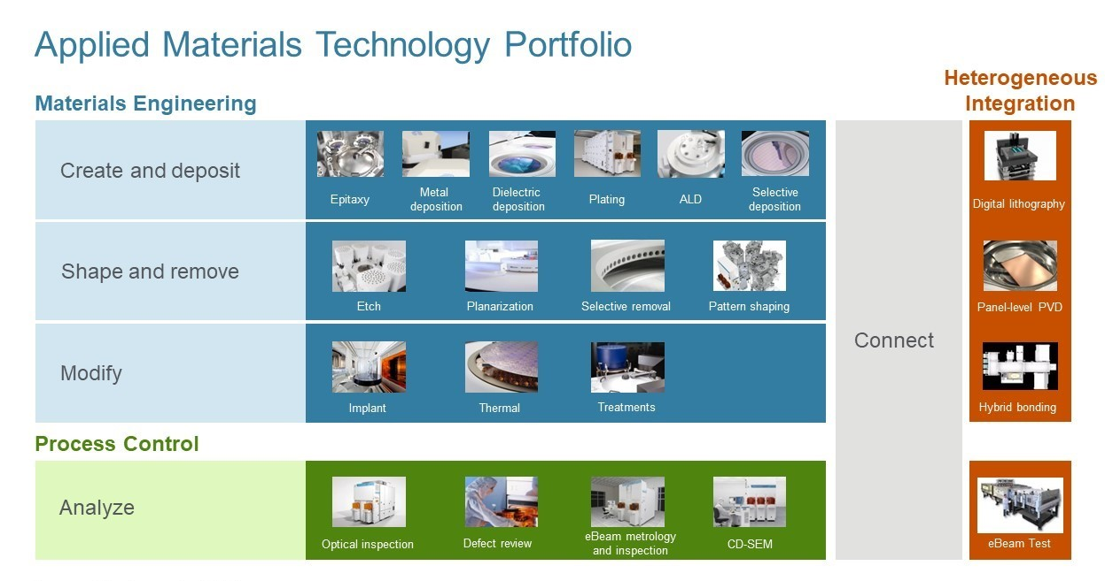

Epitaxy (or epi) is a technique for growing silicon (e.g. silicon with another element) as a uniform crystalline structure on a wafer to form high quality material for the device circuity. Epi technology is used in device transistors to enhance chip speed.
Ion implantation is a key technology for forming transistors and is used many times during chip fabrication. During ion implantation, wafers are bombarded by a beam of electrically-charged ions, called dopants, which can change the electrical properties of the exposed semiconductor material.
Applied’s systems provide critical oxidation steps - like memory gate oxide, shallow trench isolation and liner oxide - for advanced device scaling.
RTP is used primarily for annealing, which modifies the properties of deposited films. Applied’s single-wafer RTP systems are also used for growing high quality oxide and oxynitride films.
PVD is used to deposit high quality metal films. Applications include metal gate, silicides, contact liner/barrier, interconnect copper barrier seed and metal hard mask.
CVD is used to deposit dielectric and metal films on a wafer. During the CVD process, gases that contain atoms of the material to be deposited react on the wafer surface, forming a thin film of solid material.
CMP is used to planarize a wafer surface, a process that allows subsequent photolithography patterning and material deposition steps to occur with greater accuracy, resulting in more uniform film layers with minimal thickness variations.
ECD is a process by which metal atoms from a chemical fluid (an electrolyte) are deposited on the surface of an immersed object
ALD technology enables ultra thin film growth of either a conducting or insulating material with uniform coverage in nanometer-sized structures.
Etching is used many times throughout the IC manufacturing process to selectively remove material from the surface of a wafer. Applied offers systems for etching dielectric, metal, and silicon films to meet the requirements of advanced processing.

