AlloNK
Main
 | Brand | AlloNK
 | Clinical Trials

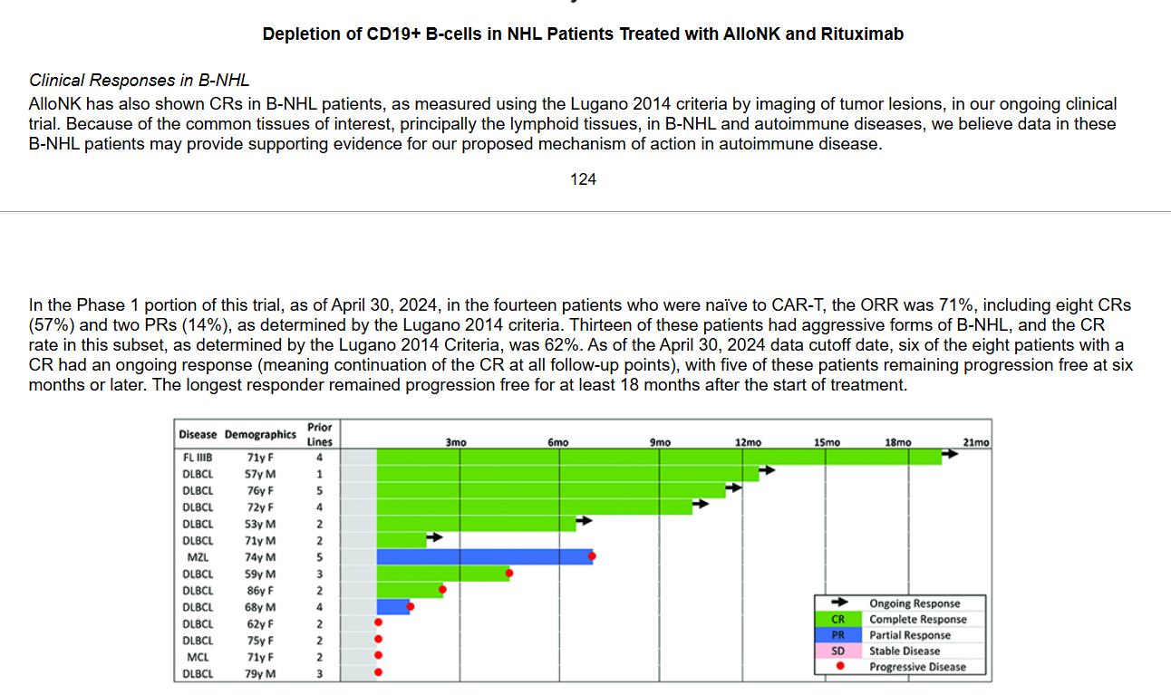

 |  | basket IIT - combination with rituximab in RA, PV, granulomatosis, SLE
 |  | Phase I/II B-NHL
 |  | Phase I/Ib SLE with rituximab or obinutuzumab

