blarcamesine
Main
 | Brand | ANAVEX2-73
 | Generic | blarcamesine
 | Indication | Alzheimer's Disease
 | MOA | SIGMAR1 agonist
 | Clinical Trials
 |  | Phase IIB/III "AVANEX2-73-AD-004" 48-week n=509 AD trial - NCT03790709 |  |  |  |  |  |  | Even when early termination patients were excluded, the placebo group performed better than the blarcamesine group in these early phases (includ- ing Week 12) (Supplemental Figure 3). Therefore, there is no evidence that early termination will introduce a bias in favor of blarcamesine.
 |  | Initiated August 2018, enrolled 508 patients from 11/17/2018 to 6/28/22, database lock 11/17/22 |  |  |  |  |  |  | Blarcamesine and placebo groups had 72 (75%) and 16 (57.2%) patient discontinuations in this early titration phase on or before Week 24, primarily due to TEAEs (Supplemental Table 2, Supplemental Figure 2). 40 (41.7%) blarcamesine patients and 5 (17.9%) placebo patients dropped out on or before the ﬁrst analysis visit (Week 12).
 |  | Co-primary endpoint changed from ADAS-Cog13+ADCS-ADL to ADAS-Cog+CDR-SB
 |  | 30mg, 50mg, placebo
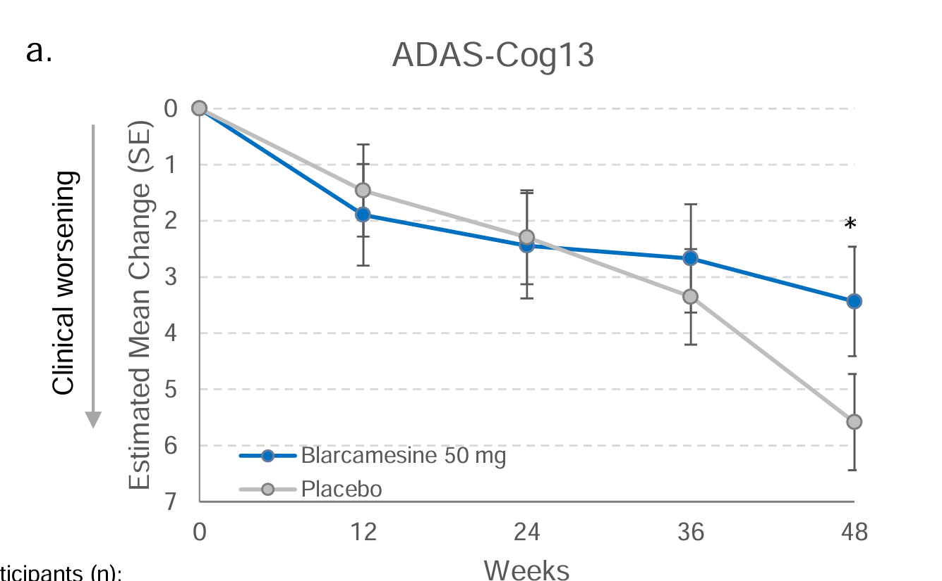
 |  | Powering assumption was 1.5 points, SD=4.5

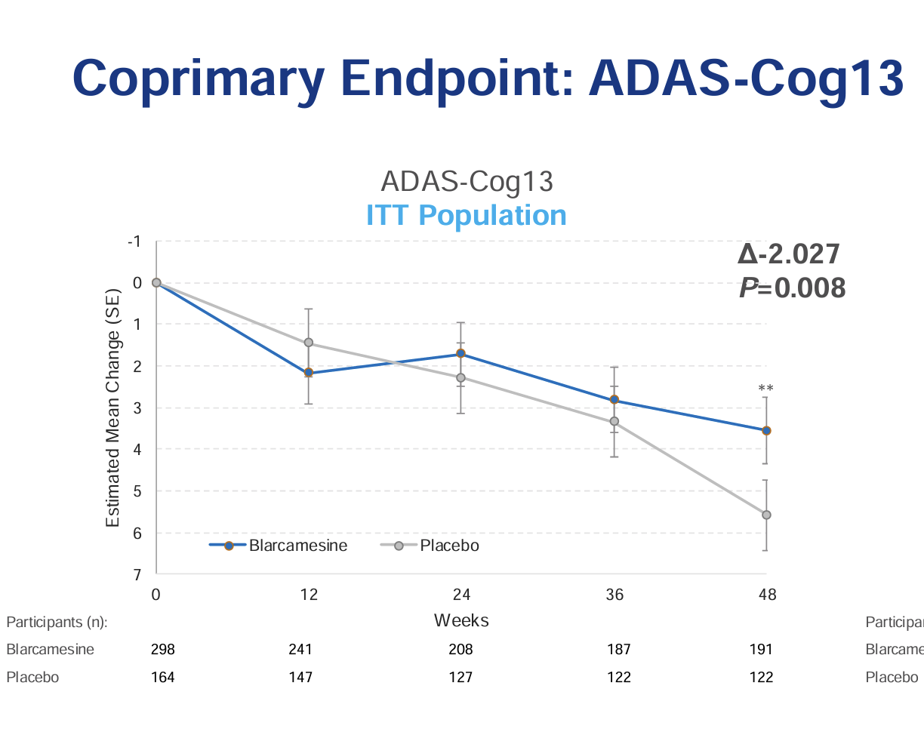
 |  |  |  |  | 96-week OLE "ATTENTION-AD" NCT04314934
 |  | 2.027 ADAS-Cog difference, p=0.008 for blarcamesine combined vs. placebo
 |  | 50mg -2.149 (p=0.021), 30mg -1.934 (p=0.026) |  |  | Australia - 19 sites
 |  | n=168, 170, 170 |  |  | UK - 15 sites
 |  | ADCS-ADL FAILED. Blamed early AD population and low sensitivity of scale. |  |  | Canada - 10 sites
 |  |  |  |  | Germany - 5 sites
 |  | 298 to 191 |  |  | Netherlands - 3 sites

 |  | 0.64

 |  | December 1 2022: first disclosure of data
 |  | 1.85 point change in ADAS-Cog, p=0.033, repeated by 2023 10-K
 |  | September 14 2023: second disclosure of data
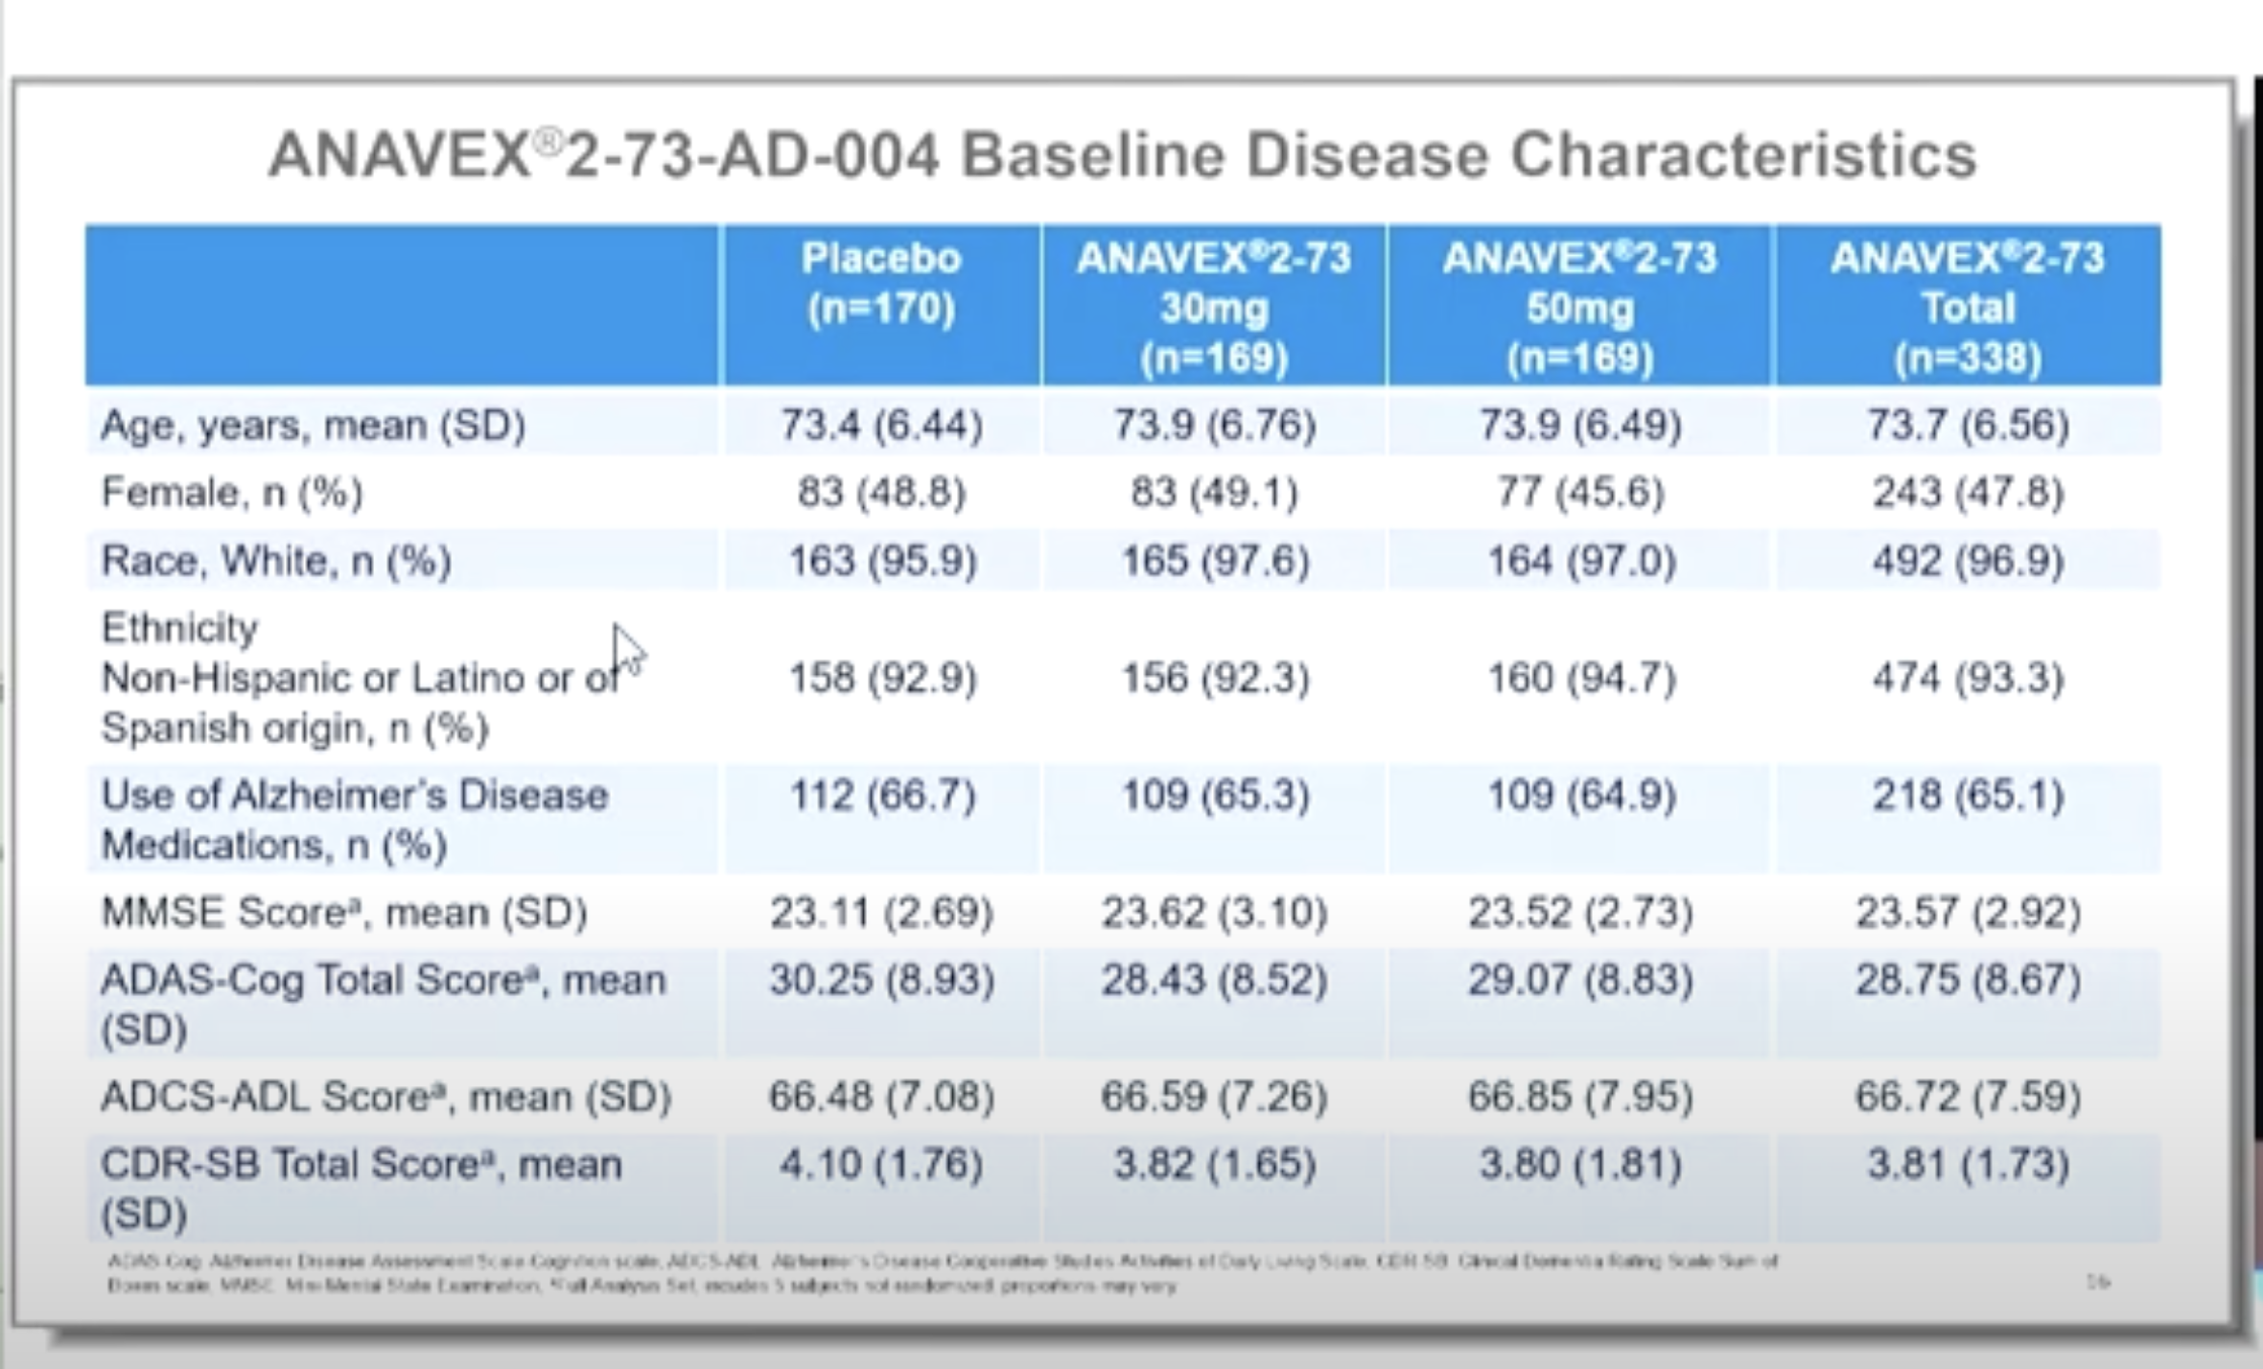

 |  | ADAS-COG | Baseline | SE | 48 weeks | SE
 | 30.25 | Placebo | 29.18 | 0.61 | 33.26 | 0.86 | 4% | 4.08
 | 28.75 | ANAVEX2-73 | 27.62 | 0.83 | 30.36 | 0.51 | 4% | 2.74
 |  | p=0.033
 |  |  |  |  |  |  |  | 1.34

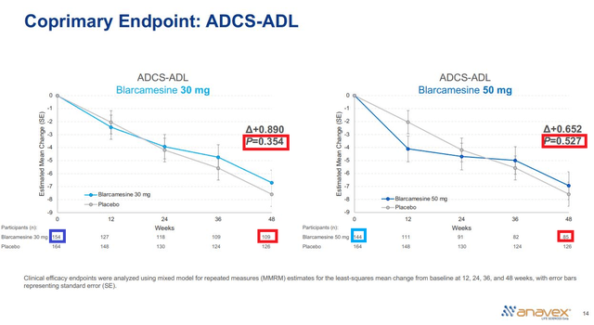
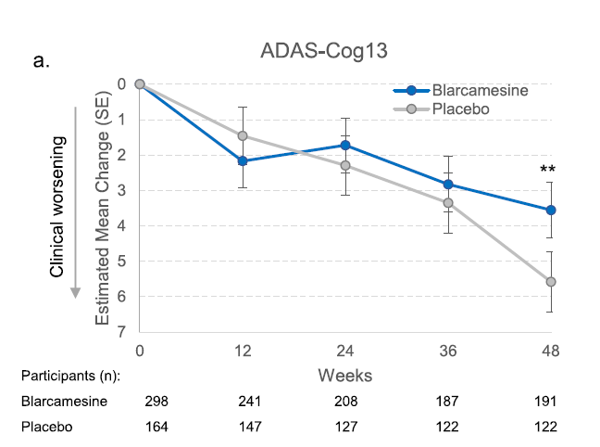
 | Phase IIa "002" n=32 AD - NCT02244541
 | 57 week study at 3 Australian sites
 | NCT02756858 extensioin study
 | 7 discontinuations

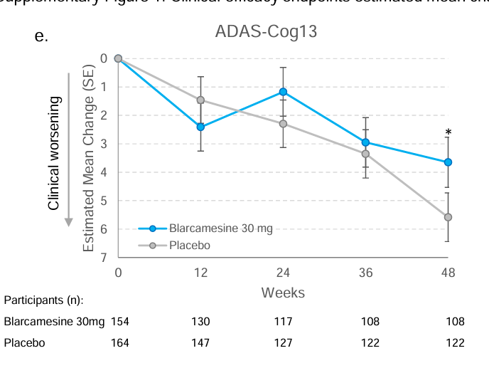

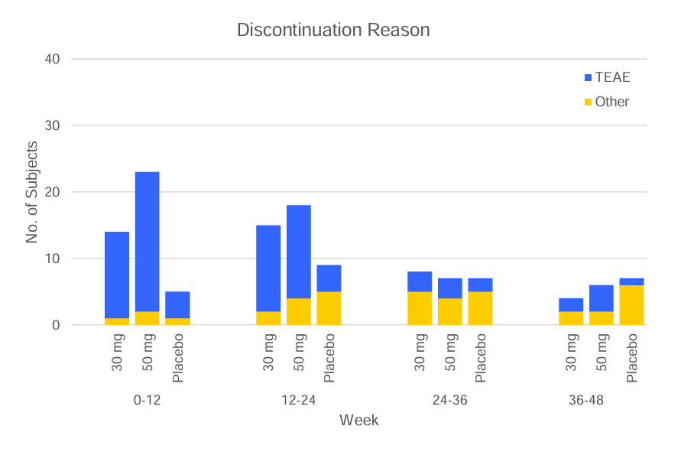

 | ANAVEX1-41 | Tetrahydro-N, N-dimethyl-5, 5-diphenyl-3-furanmethanamine
 | ANAVEX2-73 | Tetrahydro-N, N-dimethyl-2, 2-diphenyl-3-furanmethanamine
 | MK-7622 | failed at 12 weeks, M1 agonist
 | GSK1034702
 | talsaclidine
 | Lu 25-109
 | xanomeline

 | PMID 12514509 - A Vamvakidès
 |  | Laboratoire de pharmacologie expérimentale, Faculté de Médecine d'Athènes, Grèce

 | Patent No. 1002616/Greece

 | February 21, 1996/

 | February 20, 1997/

 | 20-Feb-17

 | Invention related to the synthesis and the method of synthesis of molecules of a novel formula. This method is to be applied for the obtention of anticonvulsant, antidepressant and nootropic pharmaceuticals.

 | Patent No. 1004208/Greece

 | October 15, 2001/

 | April 4, 2003/

 | 4-Apr-23

 | Aminotetrahydrofuran derivatives, muscarinic/sigma/sodium channel ligands, with synergic sigma/muscarinic (neuroactivating) and sigma/sodium channel (neuroprotective) components, as prototypical activating – neuroprotectors and neuroregenerative drugs

 | Patent No. 1004868/Greece

 | April 22, 2003/

 | April 26, 2005/

 | 26-Apr-25

 | Aminotetrahydrofuran derivatives, muscarinic/sigma/sodium channel ligands, ortho-and allo-sterically operating, as prototypical neuromodulating and neuroregenerative drugs

 | Patent Application No. 20070100020/ Greece

 | 17-Jan-07

 | New sigma (s) receptor ligands with anti-apoptotic and/or pro-apoptotic properties over cellular biochemical mechanisms, with neuroprotective, anti-cancer, anti-metastatic and anti-(chronic) inflammatory action

