Tagrisso
Main
 | Brand | Tagrisso
 | Generic | osimertinib
 | Indication | EGFRm NSCLC; EU/China/Japan approved 1L with chemo
 | MOA | EGFR inhibitor
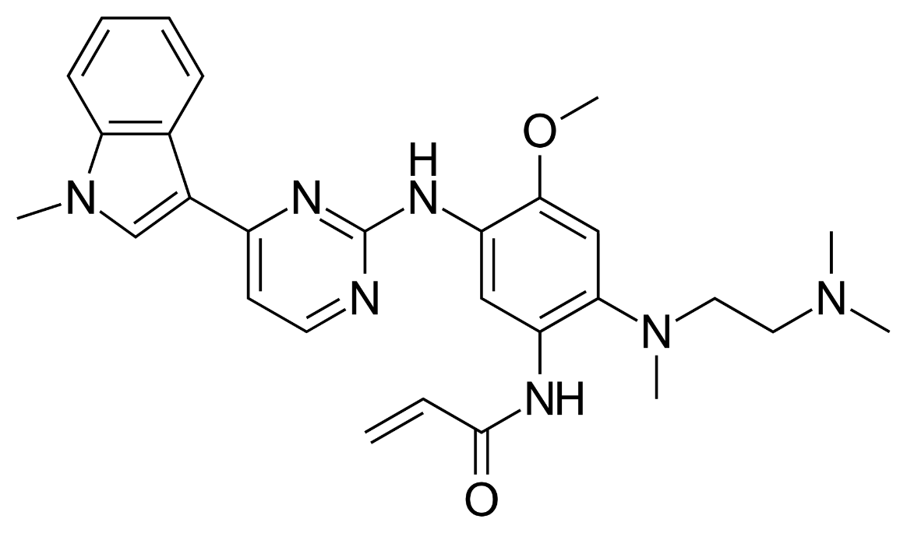
 | IP | 8946235 COM expires 2032
 |  | Puma/Wyeth filed litigation. Wyeth won $107.5m.
 | Clinical Trials
 |  | Phase III "FLAURA2" Tagrisso+pemetrexed 1L EGFRm NSCLC exon19 or L858R

 |  | Phase III "LAURA" EGFRm Stage III unresectable NSCLC
 |  | sNDA accepted, priority review
 |  | HR=0.16, mPFS 39.1mo vs. 5.6mo for placebo

 |  | Phase III "FLAURA" 1L

 |  | Phase III "ADAURA" adjuvant

 |  | 1H24
 | US | 1,282
 | EM | 919
 | EU | 628
 | ROW | 374
 | Total | 3,203

 | US | 40%
 | EM | 29%
 | EU | 20%
 | ROW | 12%

Farxiga
Main
 | Brand Name | Farxiga
 | Generic Name | dapagliflozin
 | Economics | Once part of BMY diabetes alliance. Ono reports Japanese end-market sales.
 | MOA | SGLT2 inhibitor
 | IP | 6515117 COM expires 2025
 |  | 10973836 MOU expires 2040!
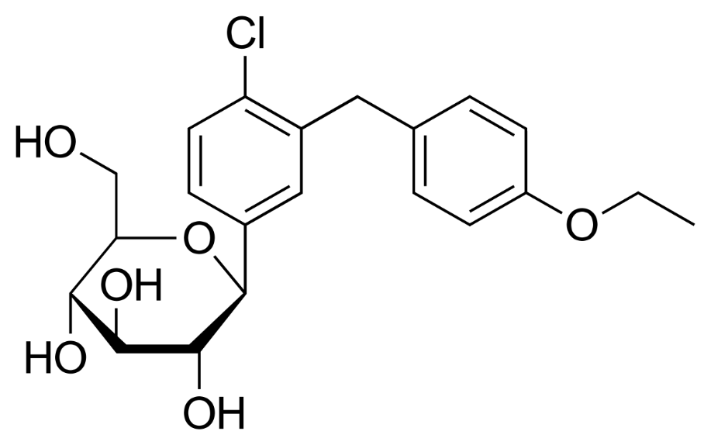
 | Clinical Trials
 |  | Phase IIB vs metformin and placebo - 12-week study - ADA 2008 presentation
 |  | A1C reductions similar to metformin.

 |  | "T2NOW" pediatric T2D

 | US | 869
 | EM | 1474
 | EU | 1233
 | RoW | 260
 | Total | 3836

 | US | 23%
 | EM | 38%
 | EU | 32%
 | RoW | 7%

Lynparza
Main
 | Brand | Lynparza, fka AZD2281
 | Generic | olaparib
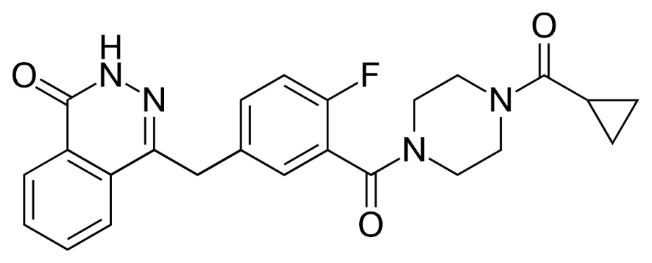
 | MOA | PARP1 inhibitor
 | Indication | aOC, mCRPC, pancreatic, mBC
 | Economics | MRK. Originally from KuDOS, acquired by AZN in 2006
 | PK | LogP=1.9, MW=434, HBD=1, HBA=5, RB=4, TPSA=82. Capsule discontinued, Tablet replaced
 | IP | ANDAs filed.
 |  | In litigation with GSK over niraparib royalties.
 |  | 7151102 first patent doesn't correspond to structure, expired
 |  | 7449464 expires 2024
 |  | 8071579 expires 2027, MOU patent
 |  | 8143241 expires 2027, MOU patent
 |  | 8475842 expires 2029, formulation patent
 |  | 8859562 expires 2031, ridiculous claim
 | Clinical Trials
 |  | Phase III SOLO-2 - NCT01874353

 |  | Phase III POLO

 |  | Phase III "SOLO-1" n=391 1L aOC BRCA+ in PR/CR - NEJM 2018, NCT01844986
 |  | HR=0.30 TTP/OS

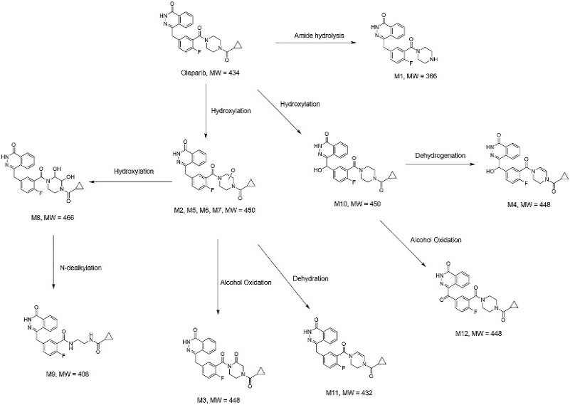
 |  | Phase III "PROpel" 1L CRPC abiraterone+-olaparib - NEJM 2022, NCT03732820
 |  | mibPFS HR=0.66, OS=0.86 (p=0.29 immature)
 |  | 24.8 months vs. 16.6 months mibPFS

 |  | Phase III "OlympiA" early BC

 |  | Phase III "PAOLA-1" HRD+ ovarian cancer

 |  |  | Phase III "DUO-E" mismatch repair deficient endometrial cancer
 |  |  | combination with chemo --> monotherapy
 |  |  | Lynparza arm?

 | US | 607
 | EM | 320
 | EU | 398
 | ROW | 125
 | Total | 1450

 | US | 42%
 | EM | 22%
 | EU | 27%
 | ROW | 9%

0780
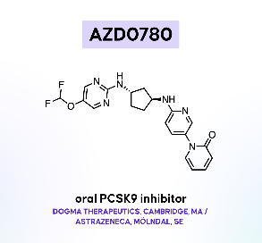
Main
 | Brand | AZD0780
 | Generic
 | Indication | Dyslipidemia
 | Discovery | Dogma Therapeutics acquisition
 |  | Oral PCSK9
 | Clinical Trials
 |  | Phase IIB "PURSUIT" n=428 Dyslipidemia - NCT06173570

 |  | Phase I - treatment-naïve dyslipidemia
 |  | 52% reduction in LDL-C levels on top of rosuvastatin
 |  | 78% total reduction from baseline

5004
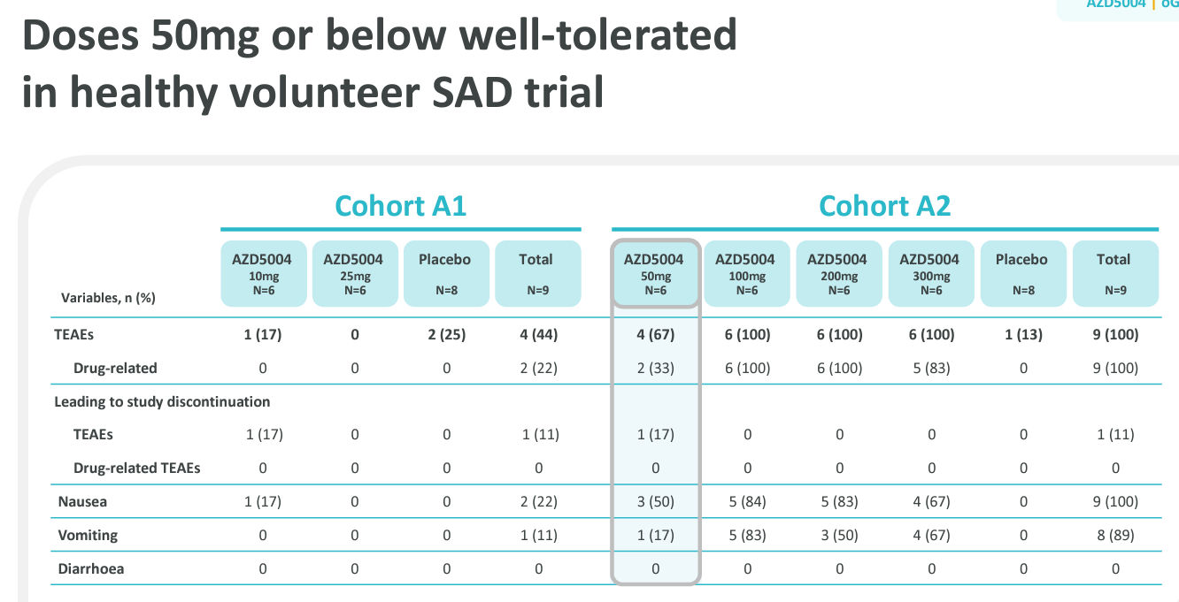
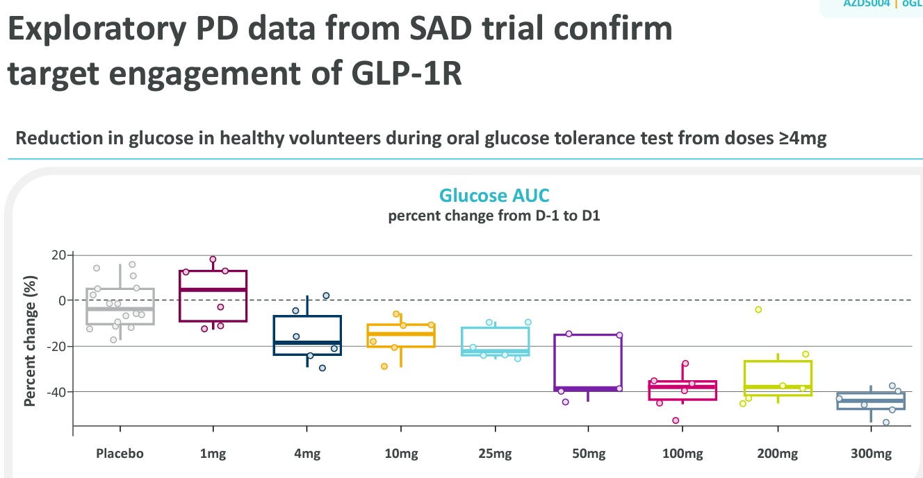
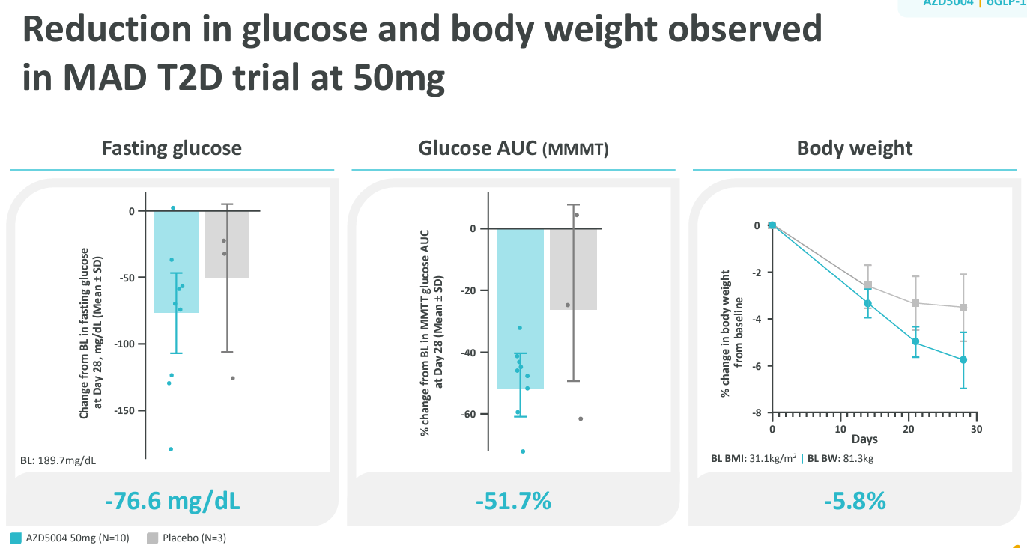
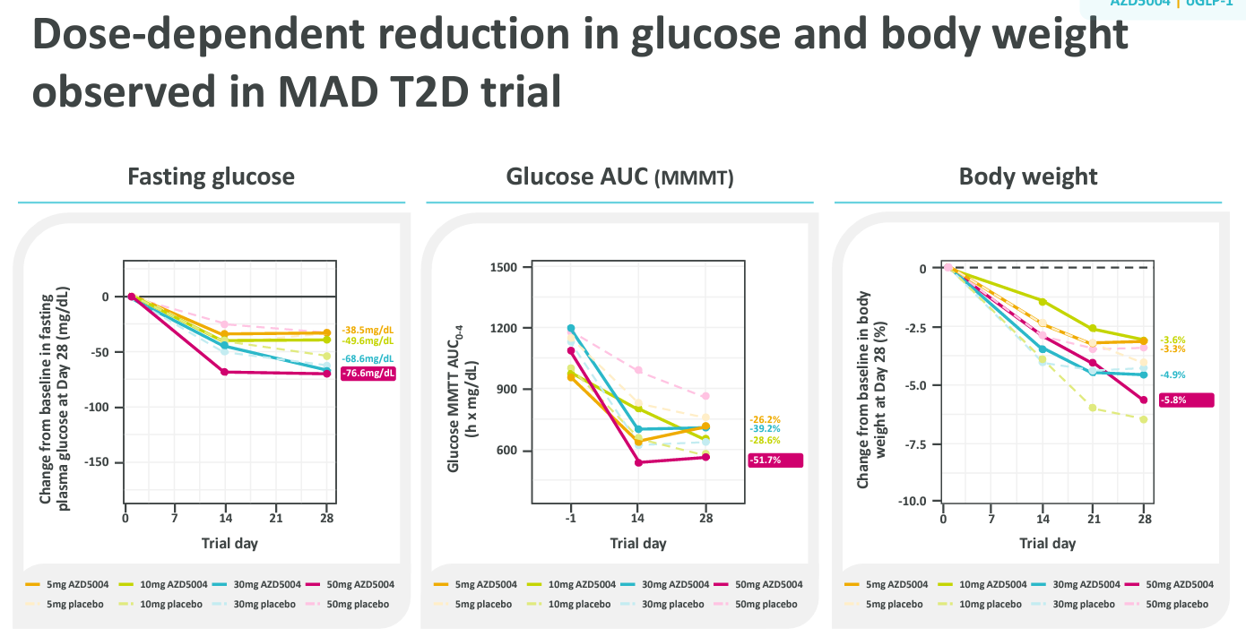
Main
 | Brand | AZD5004
 | MOA | small molecule (non-peptide) GLP-1 agonist
 | PK | T1/2 21h, no food effect
 | Clinical Trials
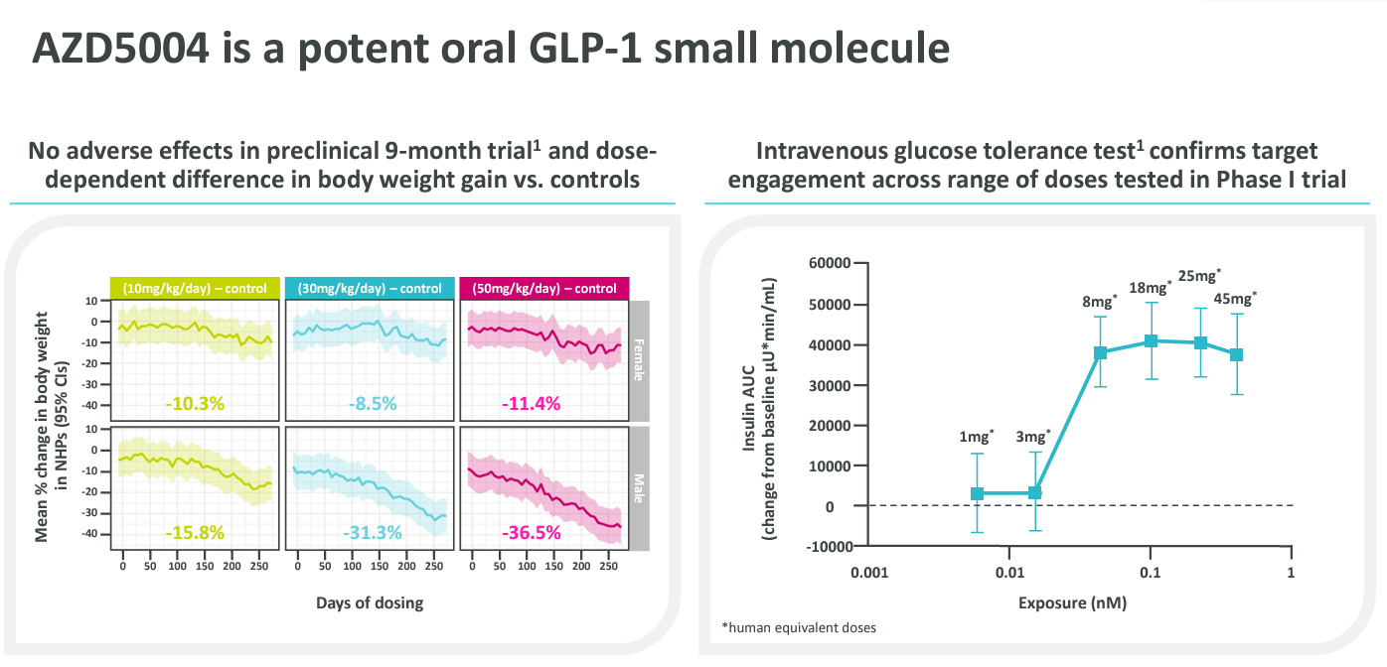
 |  | Phase IIB "VISTA" n=304 obesity - NCT06579092

 |  | Phase IIB "SOLSTICE" n=384 T2D - NCT06579105

