Leqembi
Main
 | Brand | Leqembi, BAN2401
 | Generic | lecanemab
 | Economics | Eisai JV
 | MOA | anti-AB protofibril antibody. Protofibrils are 28-500mers which are still soluble.
 | Clinical Trials
 |  | Phase III "CLARITY" n=1906 early Alzheimer's - NCT03887455, full results at CTAD 11/29/22
 |  | PE: CDR-SB at 18 months
 |  | 10mg/kg q2w, 720mg subcutaneous qw | 1.67 | 1.22 | at 18 weeks - but what was baseline? 3.5 (donanemab) or 6.7 (donepezil)
 |  | File for approval by 3/31/23. |  |  | 1.42/year in Aricept
 |  | -0.45 p=0.00005 at 18 months (CDR-SB, compared with placebo at 18 months by 27%, which represents a treatment difference in the score change of -0.45 (p=0.00005) in the analysis of Intent-to-treat (ITT) population.")
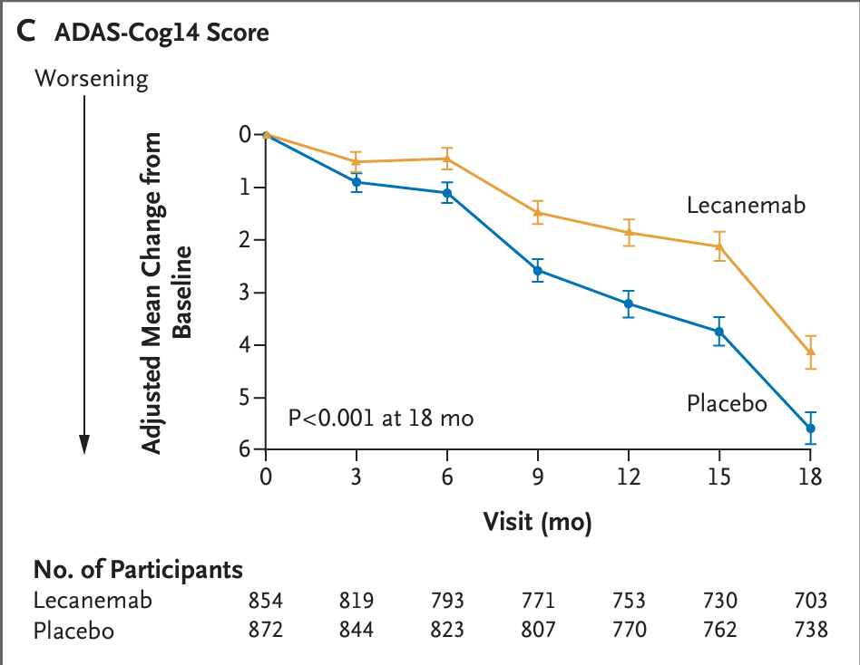
 |  | n=859 lecanemab, baseline ADAS-cog14 24.45+-7.08
 |  | n=875 placebo, baseline ADAS-cog14 24.37+-7.56

 |  | Phase III "AHEAD 3-45" n=1400 - NCT04468659
 |  | PACC5 PE at 4 years(!!)
 |  | still recruiting as of 10/6/2024
 |  | 2028 results

 |  | Phase II "Study 201" n=856
 |  | Lecanemab in patients with early Alzheimer's disease: detailed results on biomarker, cognitive, and clinical effects from the randomized and open-label extension of the phase 2 proof-of-concept study
 |  | A randomized, double-blind, phase 2b proof-of-concept clinical trial in early Alzheimer's disease with lecanemab, an anti-Aβ protofibril antibody

 |  | ADAS-cog14 baseline
 |  | n=238 placebo 22.6+-7.7, +5.0 at 18 months
 |  | n=52 2.5mg/kg q2w 22.7+-8.1
 |  | n=48 5.0mg/kg qm 22.9+-7.7
 |  | n=89 5.0mg/kg q2w 22.8+-6.7
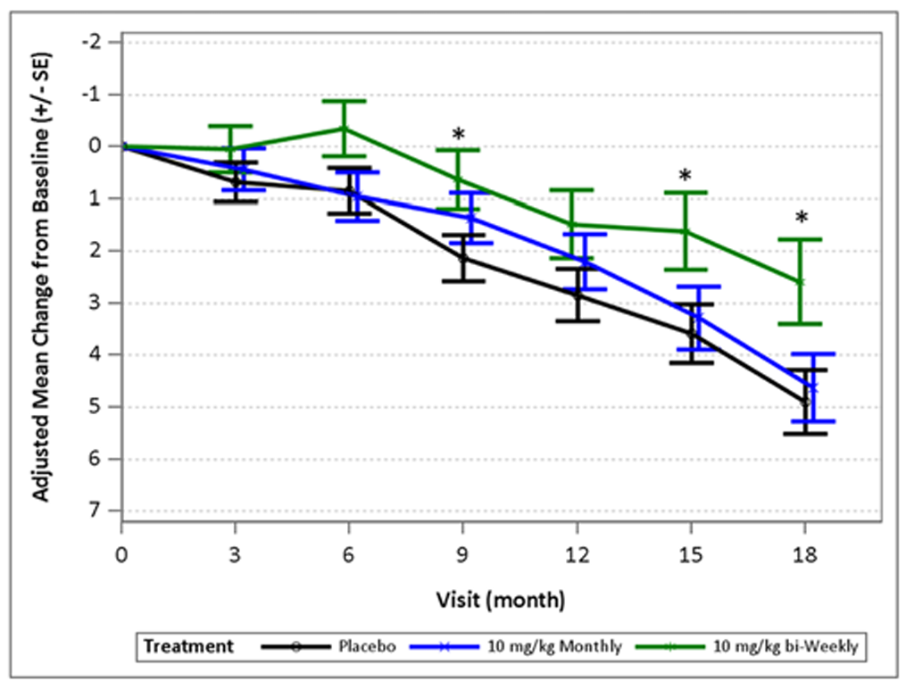
 |  | n=246 10mg/kg qm 21.9+-7.3, +4.8 at 18 months
 |  | n=246 10mg/kg q2w 22.1+-7.7, +2.5 at 18 months

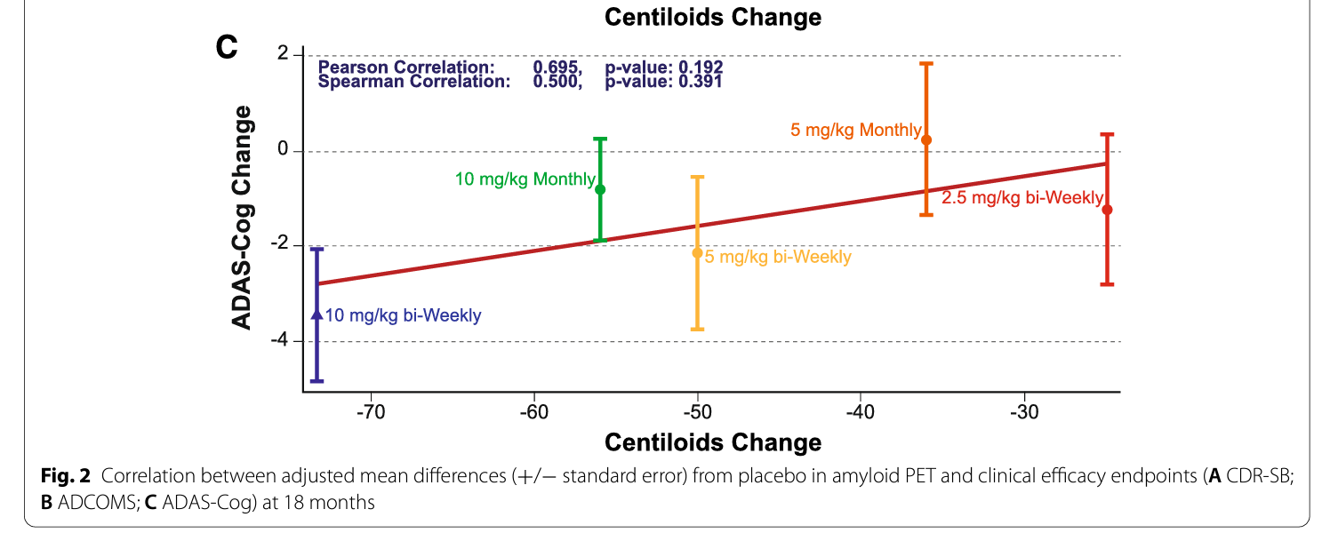
 |  | Phase II 4 month trial
 |  | Safety and tolerability of BAN2401--a clinical study in Alzheimer's disease with a protofibril selective Aβ antibody

