icovamenib
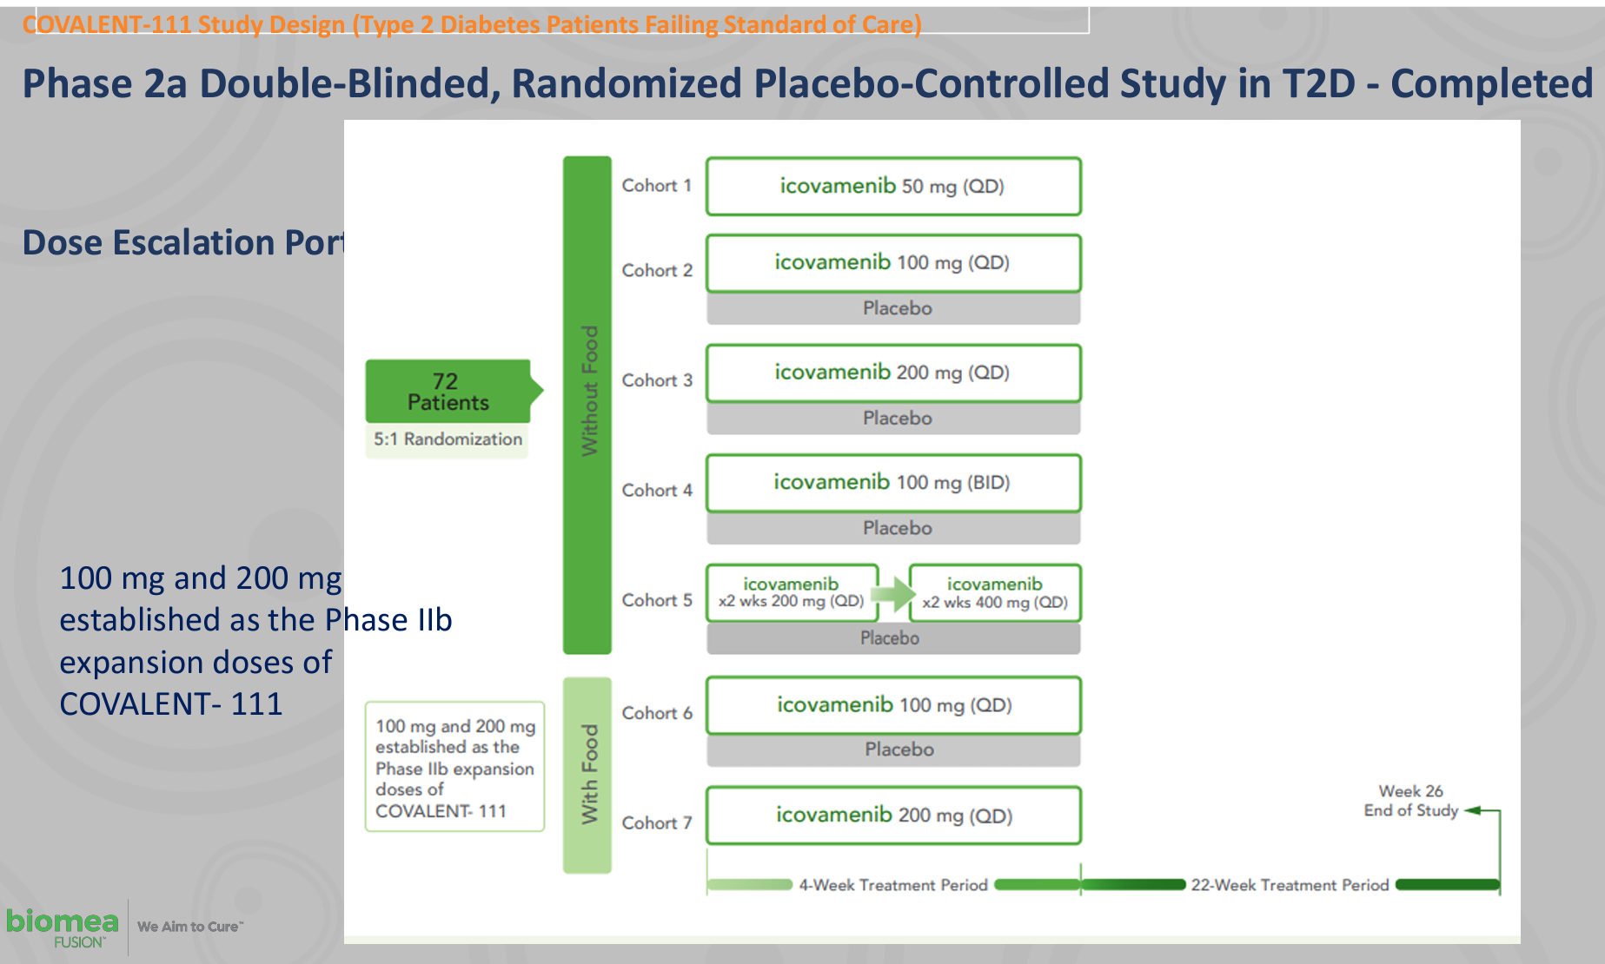
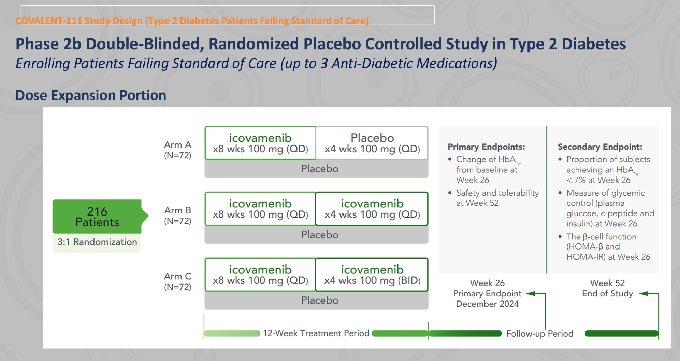
Main
 | Brand | BMF-219
 | Generic | icovamenib
 | Clinical Trials
 |  | Phase II "COVALENT-111"
 |  | Cohort 1 n=
 |  | Cohort 2 n=10 with food, HbA1c -0.1%
 |  | Cohort 3 n=10 without food, HbA1c -1.0%

 |  | patients failing current standard of care medications
 |  | Week 26, following a 28 day dose cycle of BMF-219
 |  | -0.04% (50mg QD*)
 |  | -0.2% (100mg QD with food)
 |  | -0.8% (100mg)
 |  | -0.4% (100mg BID)
 |  | -1.4% (200mg with food) (*50mg data out to Week 20, latest data cut).
 |  | -0.4% (200mg QD)

