Main
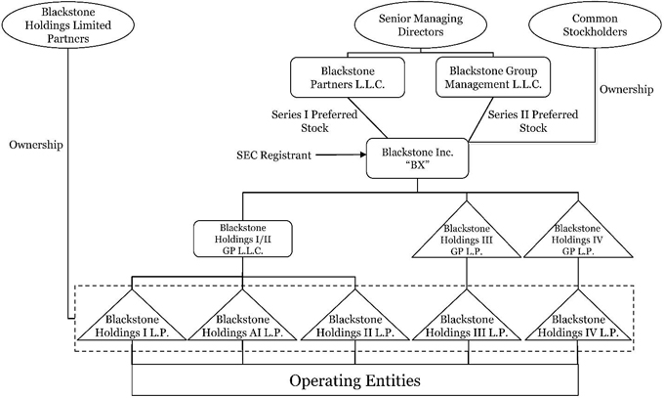
1.1T AUM |  | Price | 160.00
4895 people |  | Shares | 1,169 | Q424
 | PE: 352B, 675 people | MC | 187,041
 | RE: 315B, 835 people | Cash |  | Q424
 | Credit: 376B, 685 people | Debt |  | Q424
 | Hedge Funds: 84.2B, 240 people | EV

