Main
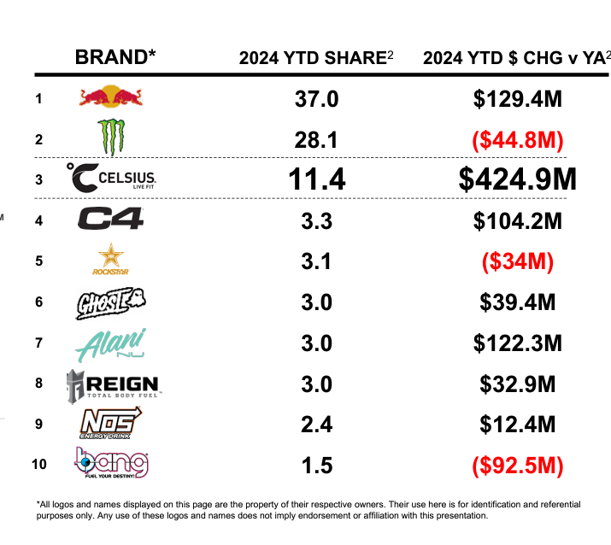
Price | 22.56
Shares | 235 | Q324
MC | 5,302
Cash | 904 | Q324
Debt | 0 | Q324
EV | 4,398

