soquelitinib
Main
 | Brand | CPI-818
 | Generic | soquelitinib
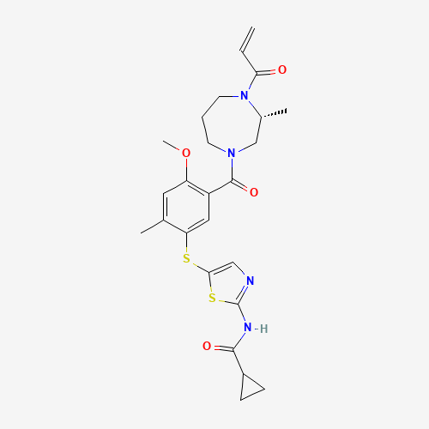
 | MOA | interleukin-2-inducible T cell kinase
 |  |  | T cell activation, differentiation, receptor signaling
 |  |  | ITK inhibition
 | Competition | Aclaris, Principia
 | MW | 514.7g/mol
 | LogP | 3.8
 | HBD/HBA | 1/7, 7 rotatable bonds
 | TPSA | 145
 | Chemistry | Cys442 covalent bond
 | IP | 2038 COM Compound 44, ITK: <10nM, TKX: 100-1000nM, TKX/ITK: 117x, JAK3: n/a BTK: 100-1000nM
 | Indication | Atopic dermatitis
 |  | Involves multiple Th2 derived cytokines (IL-4, IL-5, IL-13, IL-9, IL-10), but current therapies are limited by their activity on a subset of these cytokines.
 | Clinical Trials
 |  | Phase III "" n=150 R/R (2L-4L) PTCL
 |  | PE: PFS

 |  | Phase 1 n=64 28-day atopic dermatitis
 |  | December 2024 results
 |  | Cohort 1: 100mg bid
 |  | Cohort 2: 200mg qd

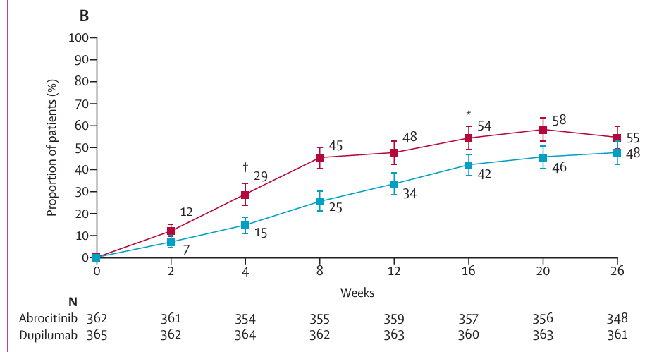

 |  | Dog Study

 |  | ITK (interleukin-2 inducible T cell kinase) is expressed by T cells and is involved in both T cell receptor signaling and differentiation of naïve T cells into Th2 cells.
 |  | Inhibition of ITK preferentially reduces the synthesis of Th2-derived cytokines including IL-4, IL-5, and IL-13. CPI-818 is an oral, selective drug that binds covalently to ITK to inhibit its enzymatic function.
 |  | It is being evaluated in a single agent, dose-escalation phase 1 trial in patients with refractory T cell lymphoma and demonstrates anti- tumor activity along with evidence of reduction of Th2 cell differentiation and Th2 cytokine production.
 |  | We have evaluated CPI-818 in spontaneous canine AD (CAD) as a model for human disease.
 |  | Five dogs with recurrent, moderate to severe CAD were treated with CPI-818 at a dose of 10 to 20 mg/kg BID for up to 28 days.
 |  | Primary efficacy outcomes were the PVAS (pruritus visual analog scale) and CADLI (canine atopic dermatitis lesion index).
 |  | All dogs had improvement in the PVAS within 2 days of starting CPI-818.
 |  | Four dogs were evaluable for at least 14 days and showed improvement in PVAS (32 + 16%) (mean + SD).
 |  | Improvement on Day 28 in PVAS was 34 + 22%. |  | -36%
 |  | Three of 4 dogs had an improved CADLI on Day 14 and all had improved CADLI (20 + 10% )on Day 28.
 |  | One dog, whose PVAS on Day 9 had improved 45%, withdrew from study for suspected drug rash; no serious adverse events were encountered.
 |  | This CAD trial demonstrates that ITK inhibition may represent a novel approach to treatment of atopic diseases with the potential advantage of inhibiting the production of multiple Th2 cytokines.

