Duravyu
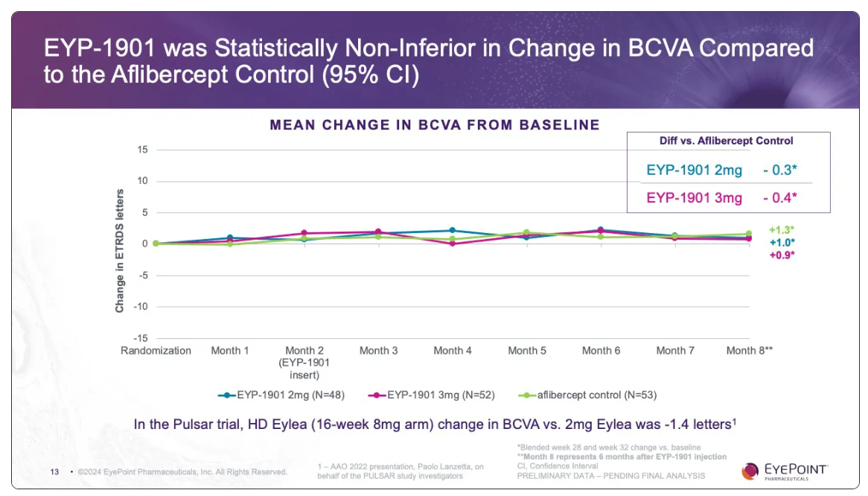
Main
 | Brand | Duravyu, fka EYP-1901
 | Generic | vorolanib
 | Administration | intravitreal injection
 | Indication
 |  | Phase II "PAVIA" n=77 NPDR - NCT05383209
 |  | 70% stable/improved disease at 9 months for sham
 |  | 80% for 2mg, 86% for 3mg

 |  | Phase III "LUGANO" wet AMD
 |  | non-inferiority

 |  | Phase II "DAVIO 2" n=160 wet AMD

