belapectin
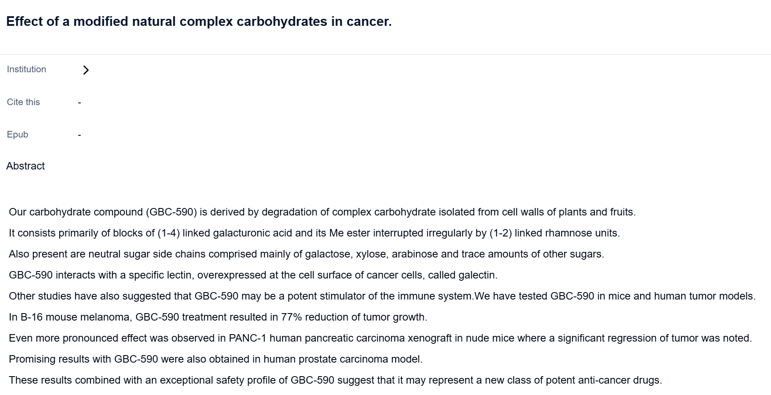
Main
 | Brand | GR-MD-02 (galactoarabino-rhamnogalacturonate) |  |  |  |  | GR-MD-02 (galactoarabino-rhamnogalacturnate) is a soluble polysaccharide composed of an alternating α-(1,2)-L-rhamnosyl-α-(1,4)-D-galacturonosyl backbone with side branches composed of mainly galactose and arabinose oligosaccharides.
 | Generic | belapectin
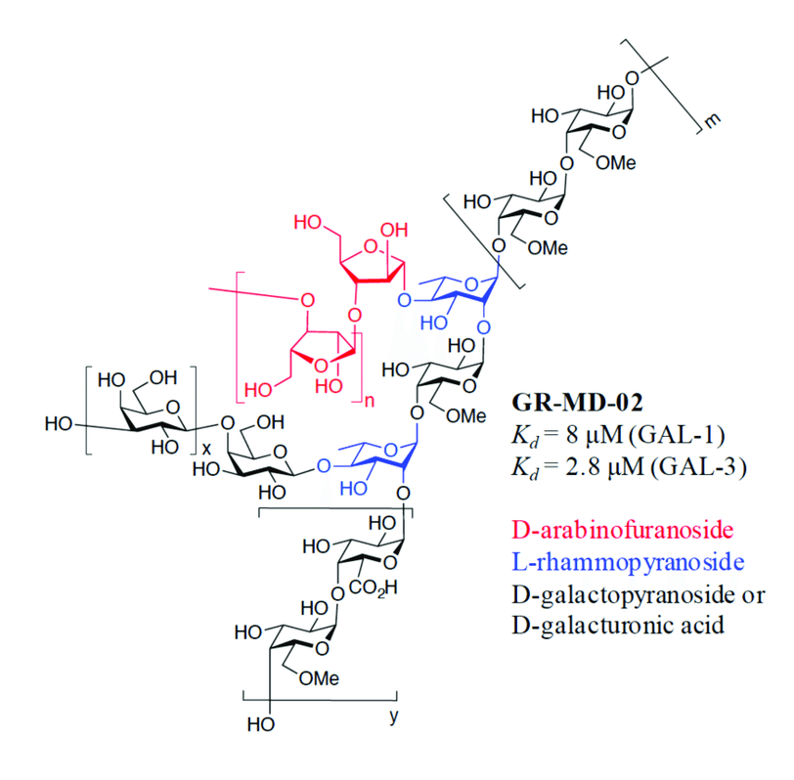
 | Indication | NASH
 | PK | 18050-21110ng/mL for 2mg/kg and 75420-95880ng/mL for 8mg/kg
 | Clinical Trials
 |  | Phase II "NAVIGATE" n=357 NASH varices - NCT04365868
 |  | RESULTS DECEMBER 2024
 |  | PE: prevention of esophageal varices at 78 weeks |  |  | The primary endpoint was defined as the prevention of varices, assessed as a composite clinical outcome that included subjects with any varices, those with intercurrent events, or those without an endoscopy or intercurrent events at 18 months.
 |  | 2mg/kg, 4mg/kg, placebo IV every two weeks |  |  | Intercurrent events were defined as any liver-related complication, treatment discontinuation due to adverse events, use of non-selective beta-blockers (NSBB) or GLP-1 agonists for more than 12 months or undergoing a TIPS procedure. The most common intercurrent event was prolonged use of NSBB or GLP-1 agonists.
 |  | LPLV+18 months

 |  | PP (290) ITT (355) |  | 17 | 9
 |  | 4mg fail |  | 96 | 95 | 96
 |  | what was the PE result?
 |  |  |  | 0.18 | 0.09
 |  |  |  |  | -0.46501547988

 |  |  |  | placebo | 2mg | 4mg |  |  | 2MG | 4MG
 |  | Phase II "NASH-FX" n=30 |  | 17 | 12 | 17 |  | PE ITT | FAIL | FAIL
 |  |  |  | 118 | 118 | 118 |  | PE PP | FAIL | FAIL
 |  |  | Varices | 14% | 10% | 14% |  | Subgroup ITT | FAIL | FAIL
 |  |  |  |  |  |  |  | Subgroup PP | PASS | FAIL

 |  | Phase II "NASH-CX" n=162 MASH+PH 52-week trial - Gastroenterology 2020 - NCT02462967
 |  | 2mg/kg, 8mg/kg, placebo by IV q2w at 36 centers
 |  | placebo had small baseline imbalance in varices (61% none 39% small, vs 48/52 and 43/57)
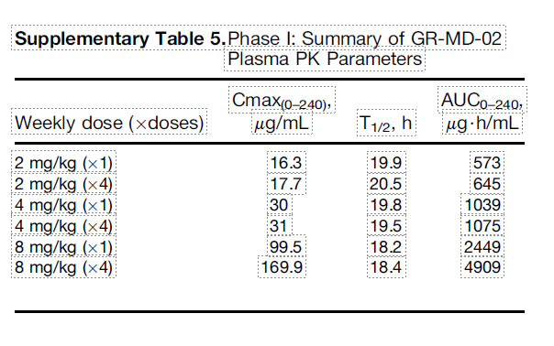
 |  | HVPG baseline was 11.6 for placebo, 12.4 and 12.7 with SD 4.0-4.3
 |  | HVPG at 52 weeks primary endpoint (ANOVA), required >=6mmHg
 |  | change for placebo: 0.3mm, 2mg: -0.37, 8mg: -0.42
 |  | 0% and 4% in the 2 mg/kg LBM and the 8 mg/kg LBM, respectively) vs placebo (18%).

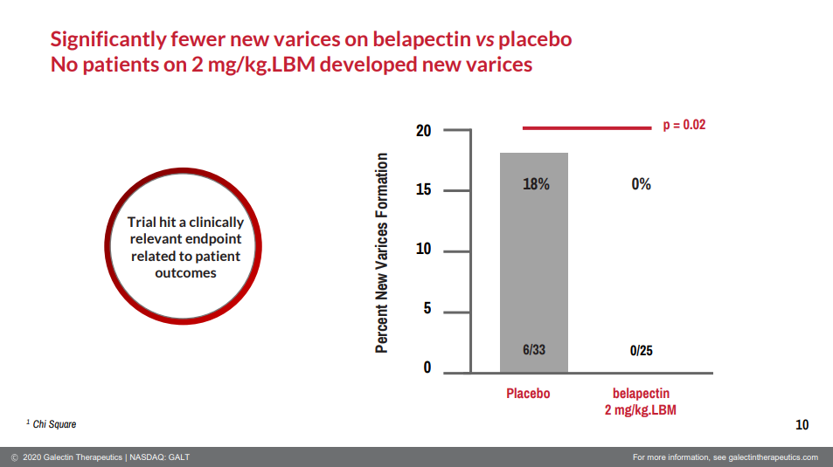
 |  | 2mm change was expected
 |  | n=54 2mg/kg | -0.28 (0.49) | -1.74% from baseline +-33%, p=0.11
 |  | n=54 8mg/kg | -0.25 (0.50) | -1.09% from baseline +-22%, p=0.42
 |  | n=54 placebo | +0.10 (0.48) | +6.15% from baseline +-31%

 |  |  | Without varices at baseline (unplanned subgroup?) |  | n
 |  |  | 2mg/kg | -1.61, p=0.02 | 25
 |  |  | 8mg/kg | -0.28, p=0.4 | 23
 |  |  | placebo | +0.40 | 33

 |  |  | with varices at baseline
 |  |  | 2mg/kg | +0.81, p=0.23 | 28
 |  |  | 8mg/kg | -0.27, p=0.963 | 31
 |  |  | placebo | -0.32 | 21

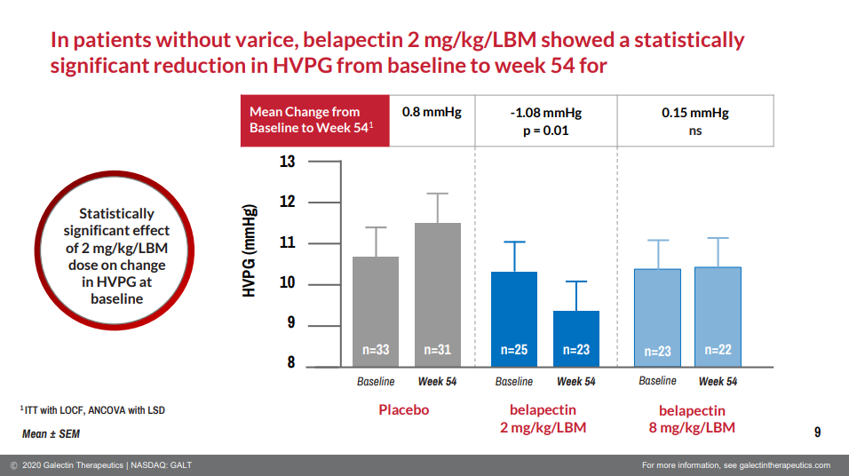

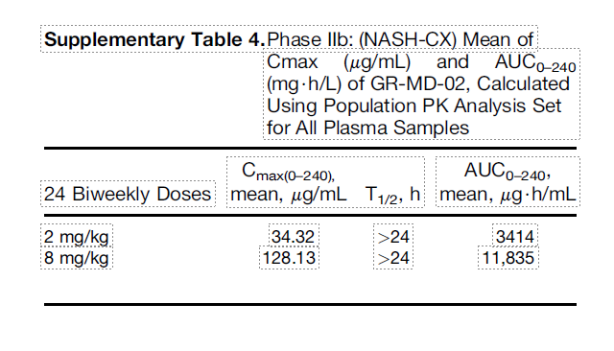
 |  | Phase II GCS-100 CKD (not GALT drug)
 |  | met at 1.5mg but not 30mg

