Amtagvi
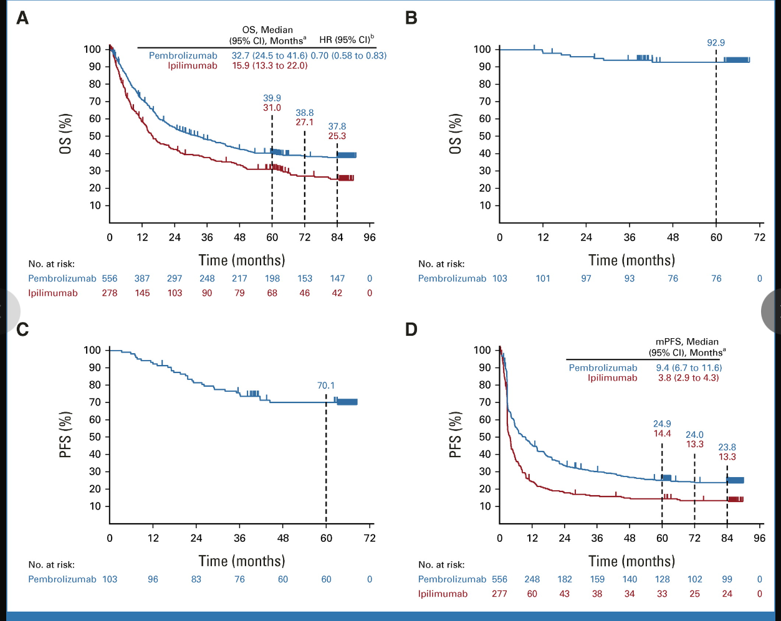
Main
 | Brand | Amtagvi, LN-144
 | Generic | lifileucel
 | Indication | Metastatic Melanoma
 | Regimen | Single infusion of 1-150 10^9 lifileucel after cyclophosphamide, fludarabine. 6 doses of high-dose IL-2 after.
 | MOA | tumor resection followed by ex vivo expansion
 |  | CD4+ CD8+ T cells based on resected tumor
 | Manufacturing | 22-day manufacturing process, 34 days for delivery
 |  | Gen 1 vs. Gen 2
 | Regulatory | 6/28/24 BLA submitted
 |  | 2/16/24 FDA approval
 | Price | $515,000 price.
 | Clinical Trials
 |  | Phase II n=111 3L+ metastatic melanoma - NCT02360579
 |  | Study start: 9/2015, n=178; 4 cohorts, Gen 1, Gen 2, retreatment, Gen2 (open)
 |  | 4/2017-1/2019 - cohort 2? At 26 sites
 |  | Primary Endpoint: ORR
 |  | n=66 mean 3.3 prior therapies
 |  | 36% ORR (2 CR, 22 PR)
 |  | mDOR >18.7months
 |  | PD-1 refractory cohort 41% ORR, 81% DCR (40-65% of patients have primary resistance of PD-1)
 |  | 80% DCR

 |  | n=82 per protocol
 |  | 32% RR, 4% CR
 |  | 56% of responders >6 months
 |  | 44% of responders >12 months

 |  | Phase II "IOV-COM-202" - 1L with Checkpoint
 |  | Cohort A 30% CR, 65% ORR
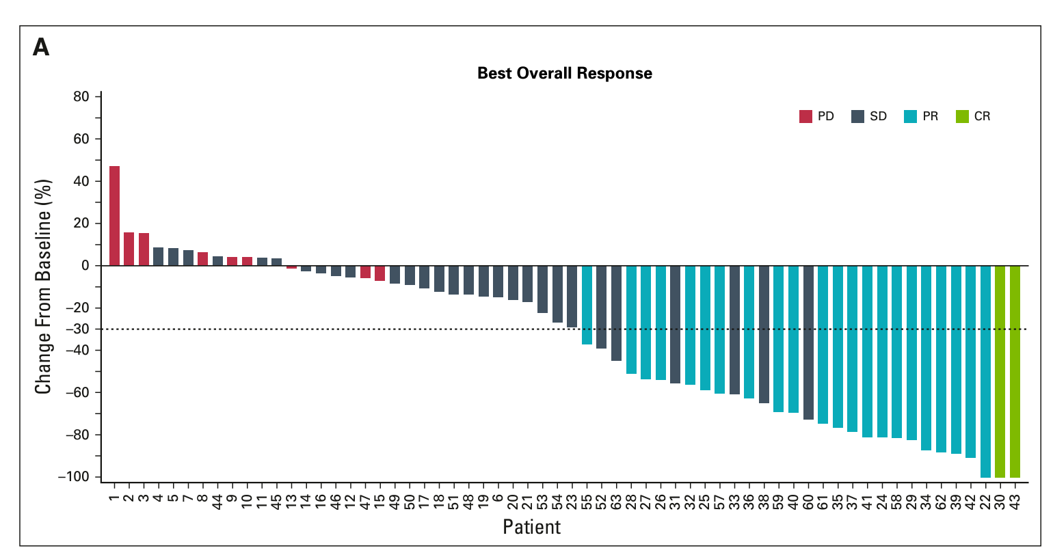
 |  | Phase III TILVANCE-301

 |  | Phase II "IOV-LUN-202" n=120 post-anti-PD-1 NSCLC
 |  | LN-145 used?
 |  | Complete enrollment with data in 2025, BLA in 2026
 |  | partial clinical hold
 |  | n=23 26% ORR
 |  | ramucirumab
 |  | nintedanib

 |  | Phase II "IOV-END-201" endometrial cancer

 |  | Phase III "KEYNOTE-006" - pembrolizumab (Keytruda, MRK) vs ipilimumab (Yervoy, BMY)
 |  | median OS for pembro 32.7 months, mPFS 9.4 months
 |  | median OS for ipilimumab 15.9 months

