Main
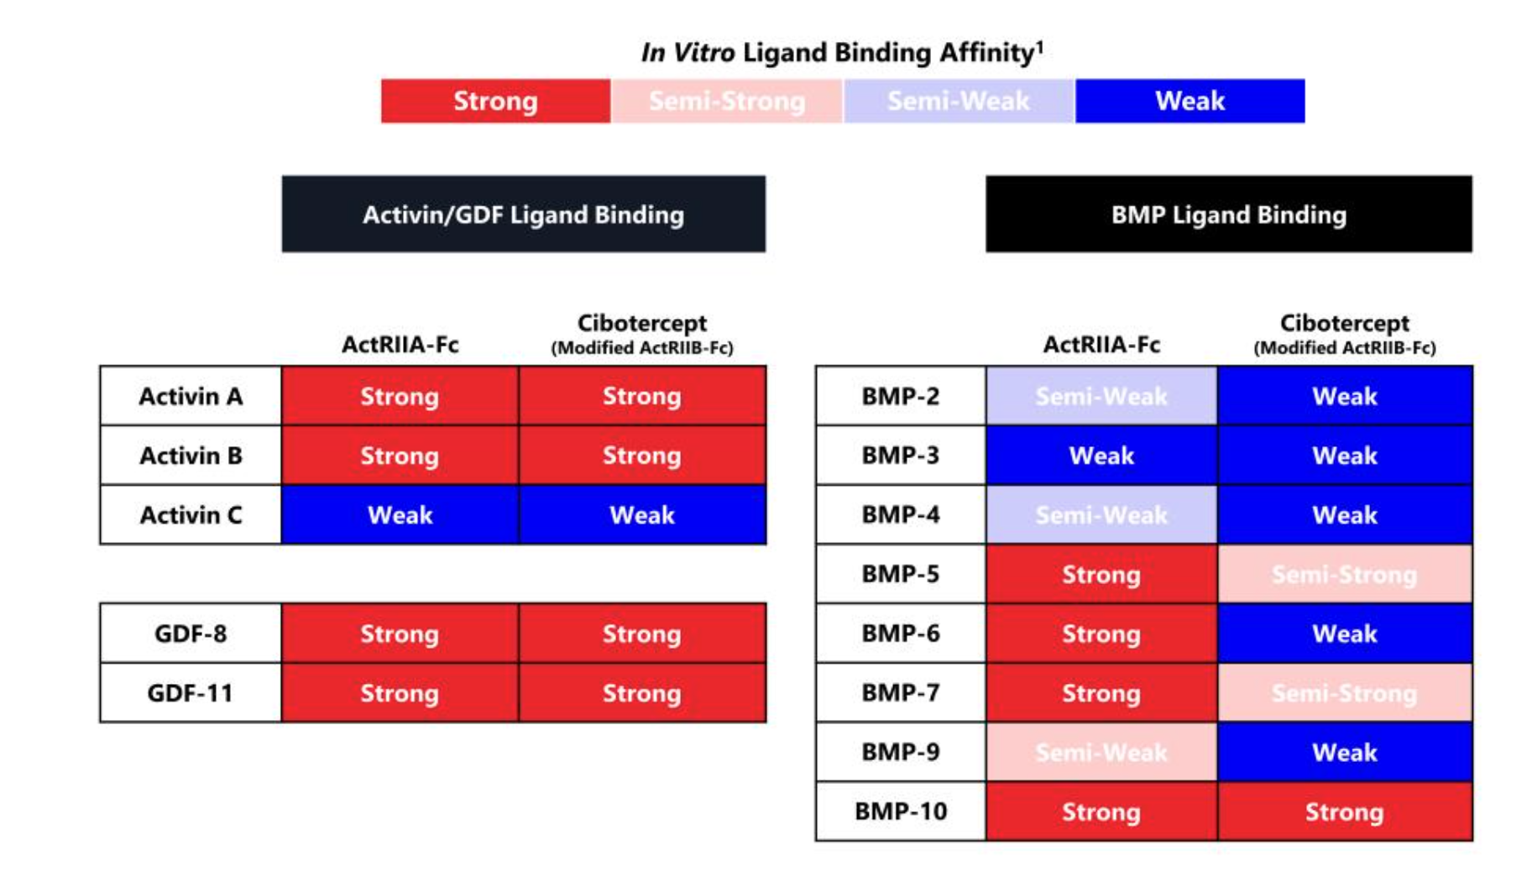
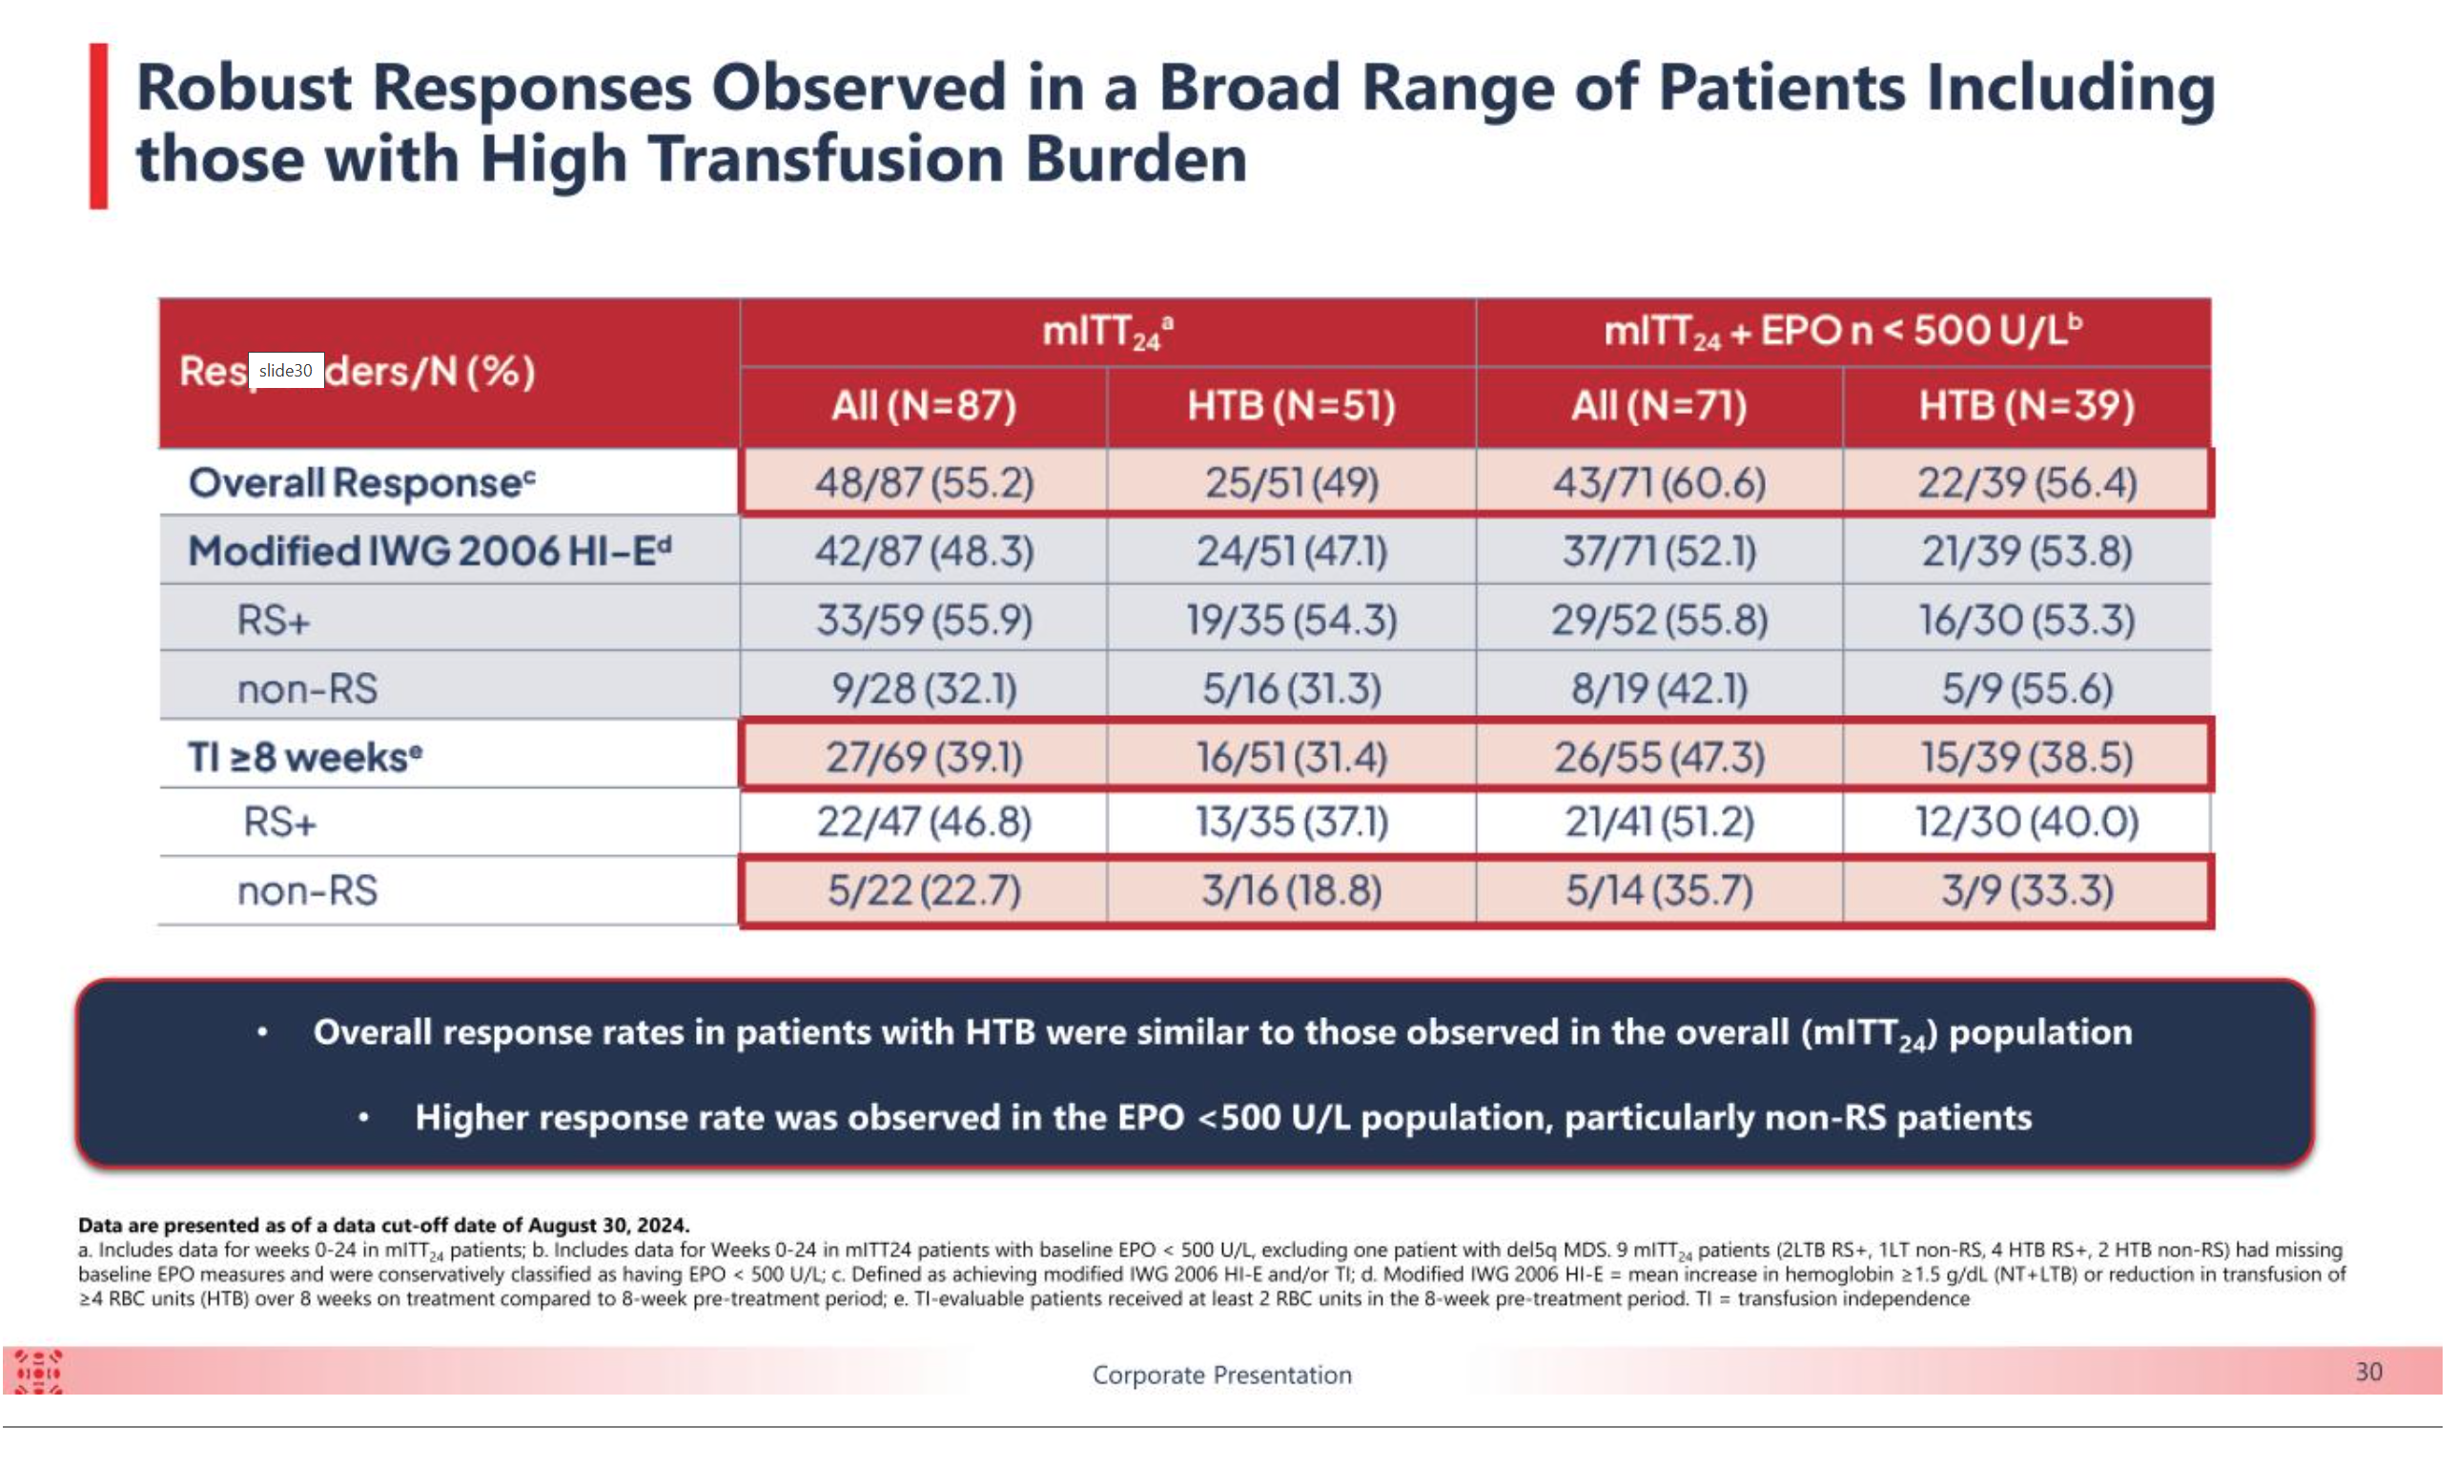
Name | Indication | Economics | Price | 11.46
elritercept |  | Takeda | Shares | 41 | Q324
cibotercept | PAH |  | MC | 464
KER-065 |  |  | Cash | 732 | Q324
 |  |  | Debt | 0 | Q324
 |  |  | EV | -268

 |  |  | PIC | 1,056 | Q324
 |  |  | AD | 523 | Q324

