osavampator
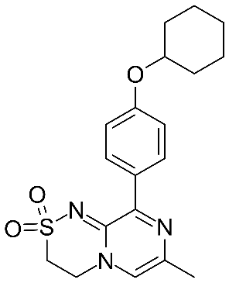
Main
 | Brand | NBI-1065845, fka TAK-653
 | Generic | osavampator
 | Indication | MDD
 | MOA | AMPA PAM
 | Economics | Takeda
 | Clinical Trials
 |  | Phase III n=200 MDD vs. placebo
 |  | day 58 MADRS primary endpoint

 |  | Phase II "SAVITRI" n=183 MDD
 |  | day 28: -4.3 MADRS, p=0.0159 for one dose, -3.0 p=0.0873 for another dose
 |  | day 56: -7.5 MADRS, p=0.0016 for one dose, -3.6, p=0.1082 for another dose.

1117568
Main
 | Brand | NBI-1117568
 | Generic
 | Indication | Schizophrenia
 | MOA | M4 agonist
 | Clinical Trials
 |  | Phase II "SCZ2028"
 |  | Week 6 PANSS 7.5point (18.2 from baseline) vs placebo, p=0.011
 |  | placebo -10.7 from baseline
 |  |  | Cobenfy separation ~11.3 points in EMERGENT-3, 8.4 in EMERGENT-2

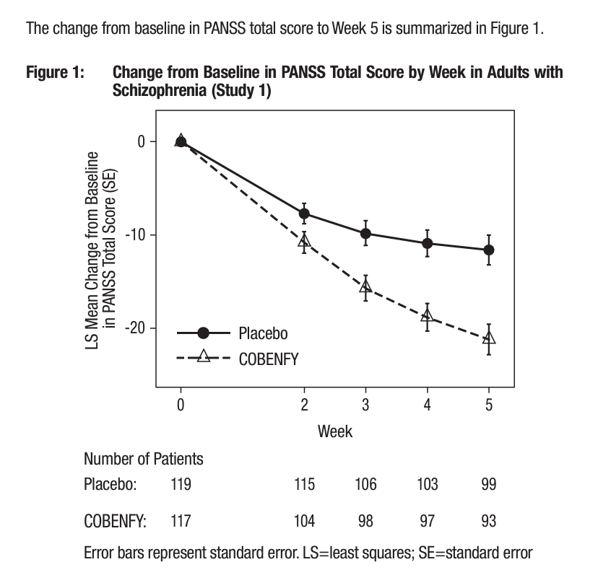

 |  | Phase III - initiate early 2025

