navacaprant
Main
 | Brand | BTRX-335140, NMRA-335140, CYM-53093, NMRA-140
 | Generic | navacaprant
 | Origin | TSRI, BlackThorn
 | MOA | KOR antagonist
 | ADME | LogP ~ 4
 | SMILES | CCC1=CC2=C(C(=C(N=C2C(=C1)F)N3CCC(CC3)NC4CCOCC4)C5=NC(=NO5)C)C.Cl
 | IUPAC | 1-[6-ethyl-8-fluoro-4-methyl-3-(3-methyl-1,2,4-oxadiazol-5-yl)quinolin-2-yl]-N-(oxan-4-yl)piperidin-4-amine;hydrochloride
 | MW | 490
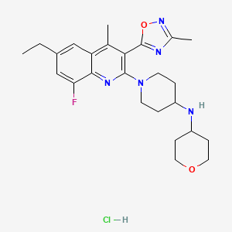
 | Competition | aticaprant (JNJ, LY2456302, CERC-501)
 | Clinical Trials
 |  | Phase II n=171 MDD NCT04221230
 |  | n=100 moderate-to-severe subgroup
 |  |  | HAMD-17 -3.0 vs placebo at week 4, -2.8 at week 8 (LSMD, p=0.015, p=0.037)

 |  | n=171 ITT?
 |  |  | HAMD-17 2.7 vs. placebo at week 4, 1.7 at week 8 (p=0.121)

 |  | n=332 KOASTAL-1
 |  | 90% power - MADRS PE
 |  | 80mg

 |  | Week 8 - Cymbalta vs. Paxil
 |  |  | Placebo | 80mg C | 120mg C | Paxil | SE
 |  | HAMD-17 | -8.8 | -11 | -12.1 | -11.7 | 0.5
 |  |  |  | -2.2 | -3.3 | -2.9
 |  | MADRS | -9 | -12.1 | -14.1 | -13.8
 |  |  |  | -3.1 | -5.1 | -4.8

 |  | Aticaprant
 |  | 3.1 point separation on MADRS (SE 1.05)

