zuranolone
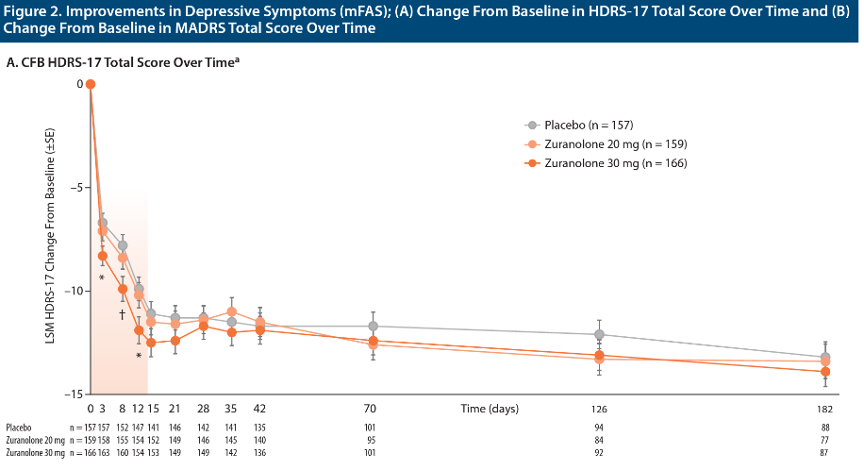
Main
 | Brand | fka SAGE-217
 | Generic | zuranolone
 | MOA | GABA-A pam, synaptic and extrasynaptic receptors (handwaving?)
 | Clinical Trials
 |  | Phase III CORAL
 |  | -8.9 zur+ADT vs. 7.0 placebo+ADT at day 3
 |  | 11.7 zur vs. -10.1 at day 15?
 |  | Day 42, no better than ADT

 |  | Phase III WATERFALL

 |  | Phase III "SHORELINE"

 |  | Phase III "MOUNTAIN" - NCT03672175 outpatient vs placebo. 30mg, 20mg, placebo
 |  | Day 15 HDRS-17 failed to meet PE, p=0.116
 |  | -12.5 vs. -11.1 for placebo, -11.5 for 20mg.

