ivonescimab
Main
 | Brand
 | Generic | ivonescimab
 | Economics | Akeso: 9926 HK
 | Indication | NSCLC
 | MOA | PD-1/VEGF bispecific mab
 | Clinical Trials
 |  | Phase III "HARMONi-2"
 |  | median PFS 11.1m vs. 5.8m pembrolizumab, HR=0.51
 |  | OS HR=0.894 | 39% data maturity, HR=0.777

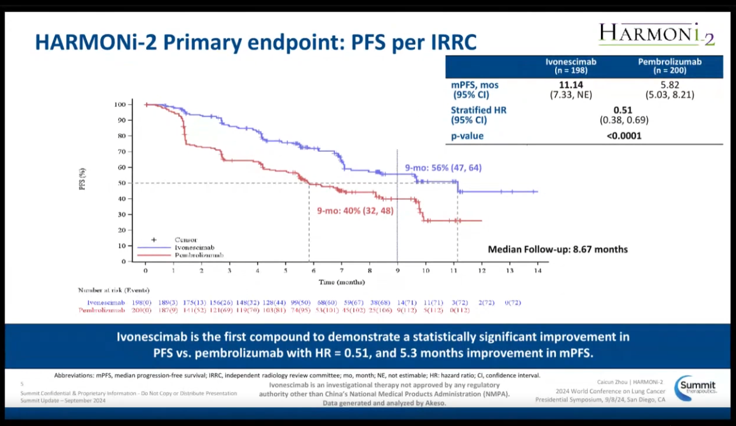

 |  | HARMONi
 |  | mid-2025 results

 |  | Phase III HARMONi-A n=322 +- chemo - NCT05184712
 |  | HR=0.72 at 10.2m FU
 |  | HR=0.80 at 17.6m FU
 |  | PFS 7.06 mo vs. 4.80mo.

