Main
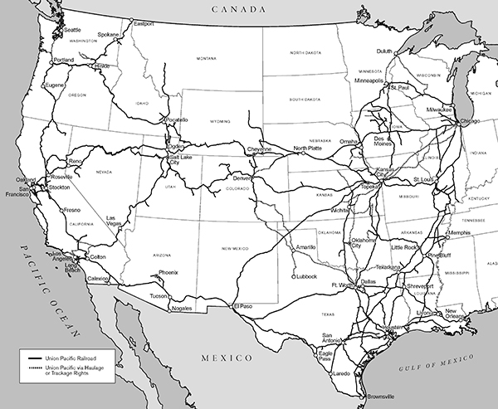
23 states in the Western 2/3rds of US. | Price | 215.52
Bulk, Industrial, Premium | Shares | 604 | Q424
32,880 route miles | MC | 130,236
 | Cash | 3,700 | Q424
Bulk - grain, fertilizer, food, coal, renewables | Debt | 31,192 | Q424
Industrial - construction, chemicals, plastics, forest, waste, salt, roofing, metals, petroleum | EV | 157,728
Premium - autos, auto parts
 | Founded | 1969

