VK2735
Main
 | Brand | VK2735
 | Molecule | Peptide
 | Patents | 11744873
 | Clinical Trials
 |  | Phase II "VENTURE"
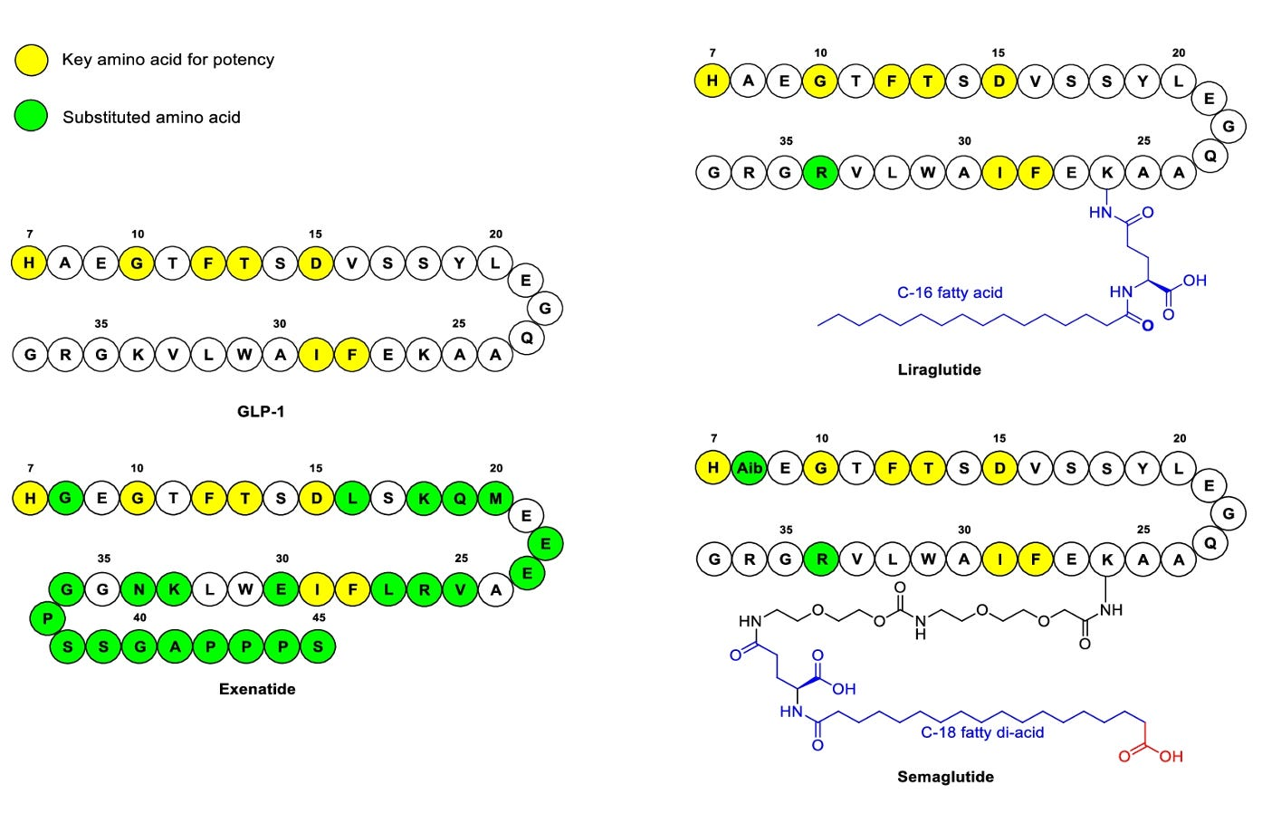
 |  |  | 13 weeks | lbs | Vomiting
 |  | Placebo | -1.8 | -4.0 | 0%
 |  | 2.5mg | -9.2 | -20.2 | 9%
 |  | 5.0mg | -10.7 | -23.5 | 17%
 |  | 10mg | -13.3 | -29.3 | 17%
 |  | 15mg | -14.6 | -32.1 | 29%

 |  | Nausea | 43% | (68% mild, 32% moderate)
 |  | Vomiting | 18%

 |  | Phase III "SURMOUNT-1" - Mounjaro vs. placebo in obesity - NEJM 2022 - NCT04184622
 |  |  | 20 weeks | Nausea | Vomiting
 |  | Pooled | -12.8
 |  | Placebo | -2.7
 |  | 5mg |  | 25% | 8%
 |  | 10mg |  | 33% | 11%
 |  | 15mg |  | 31% | 12%

