Trikafta
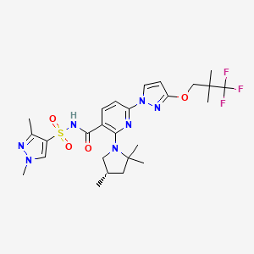
Main
 | Brand | Trikafta | Elexacaftor
 | Generic | elexacaftor, tezacaftor, ivacaftor
 | Indication | 83,000 CF WW
 | IP | ivacaftor expires 2027
 |  | tezacaftor expires 2027
 | Regulatory | Expanded in children 6-11 years old 6/21
 | Reimbursed | 25 countries approved/reimbursed as of Q122.
 | Canada | MA granted for 6-11yo
 | Australia | signed reimbursement agreement with PBS
 | EMA | 6-11yo label approved
 | UK | 6-11yo label approved
 | Clinical Trials
 |  | Phase III 2-5yo
 |  | sNDA by YE22

Symdeko
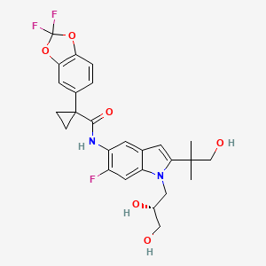
Main
 | Brand | Symdeko | Tezacaftor
 | Generic | ivacaftor, tezacaftor
 | Indication | Cystic Fibrosis
 | Regulatory
 | Approval | 2/12/2018 FDA
 | IP | 7645789 COM for tezacaftor expires 5/1/2027

Kalydeco
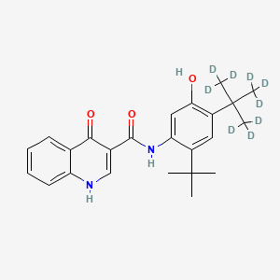
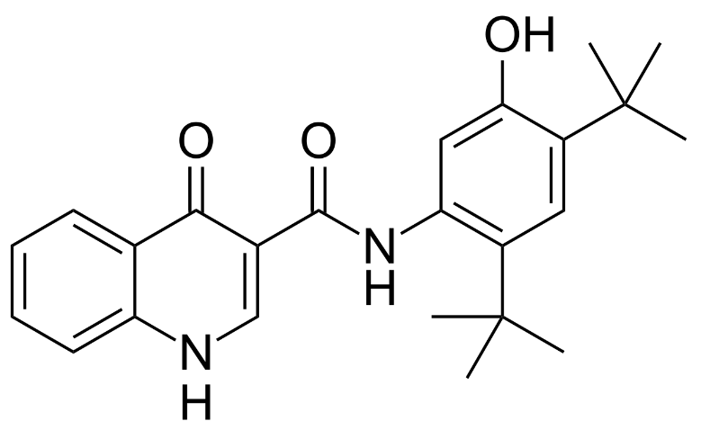
Main
 | Brand | Kalydeco
 | Generic
 | Indication | Cystic Fibrosis
 | Molecule | N-[2,4-bis(1,1-dimethylethyl)-5-hydroxyphenyl]-1,4-dihydro-4-oxoquinoline-3-carboxamide
 | IP | 7495103 expires 11/20/2027

VX-548
Main
 | Brand | Journavx, fka VX-548
 | Generic | suzetrigine
 | Indication | Pain
 | MOA | Nav1.8
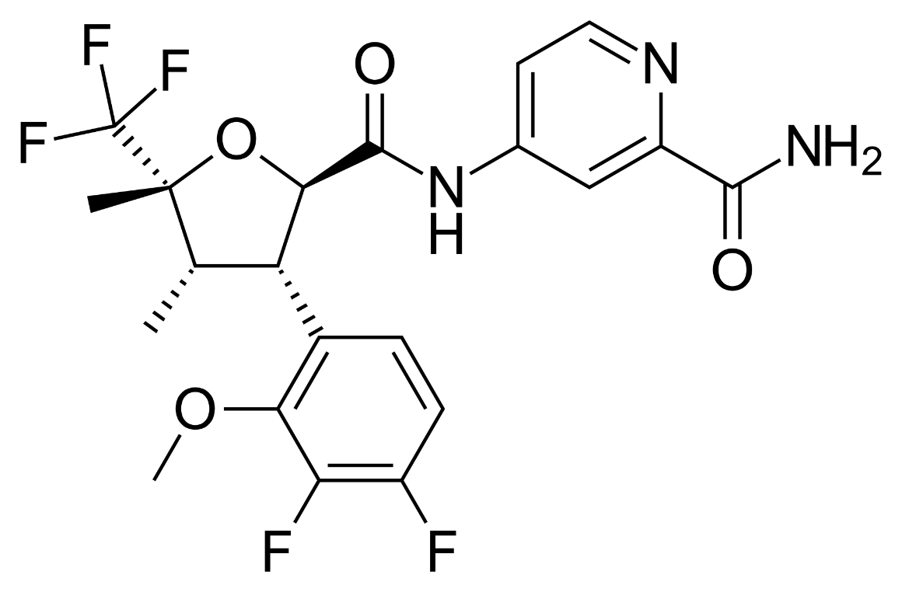
 | Dosing | Loading dose with q12h thereafter
 | Safety | 80k opioid deaths in the US in 2023
 | Pricing | $500/month
 | Clinical Trials
 |  | Phase III bunionectomy or abdominoplasty n=2000

 |  | Phase II n=274 dose-ranging bunionectomy
 |  |  | SPID48 change from baseline
 |  | Placebo | 101.0
 |  | 100mg first dose/50mg q12h | 137.8 | p=0.0251
 |  | 60mg first dose/30mg q12h | 86.9 | p=NS
 |  | 20mg first dose/10mg q12h | 112.9 | p=NS
 |  | hydrocodone | 115.6 | p=NS

 |  | Phase II n=303 dose-ranging abdominoplasty
 |  |  | SPID48 change from baseline
 |  | Placebo | 72.7
 |  | 100mg first dose/50mg q12h | 110.5 | p=0.0097
 |  | 60mg first dose/30mg q12h | 95.1 | p=NS
 |  | hydrocodone | 85.2 | p=NS

 |  | Phase III DPN - initiate in 2H24

 |  | Phase II LSR (painful lumbosacral radiculopathy)

 |  | Phase III moderate-to-severe acute pain
 |  | NPRS time-weighted sum 48 hours primary endpoint
 |  | VX-548 vs. placebo: 48.4, p<0.0001 and 29.3 in study 2?, p=0.0002.

inaxaplin
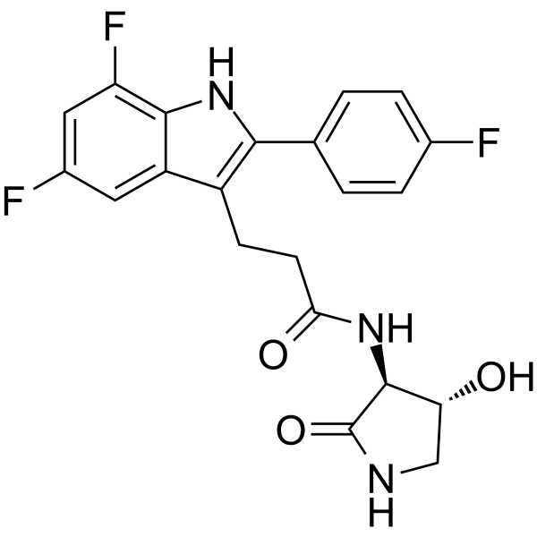
Main
 | Brand | VX-147
 | Generic | inaxaplin
 | Indication | APOL1-mediated kidney disease, 100k patients US+EU
 | MOA | APOL1 inhibitor
 | Clinical Trials
 |  | Phase II/III "AMPLITUDE" n=400 proteinuric kidney disease with two APOL1 mutations
 |  | PE of Phase III portion is 2 year eGFR slope
 |  | interim analysis at 1 year - advanced into Phase III portion after IDMC unblinded review

