VYN201
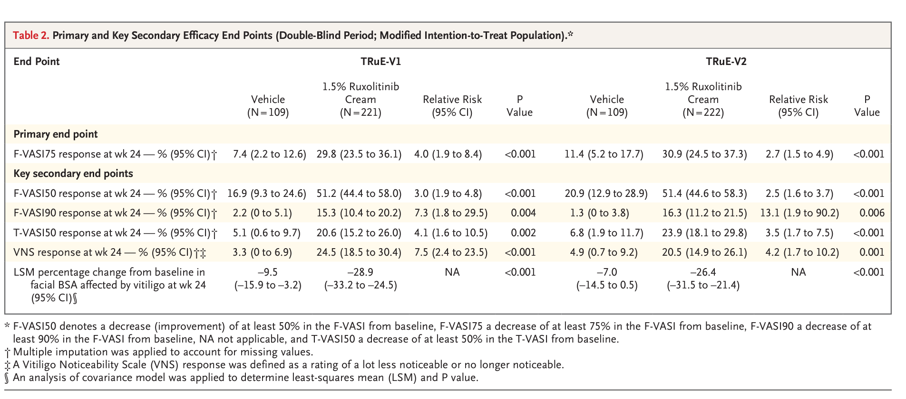
Main
 | Brand | VYN201
 | Clinical Trials

 |  | Phase Ib
 |  | 7.5% for the 0.5% cohort (n=10), with 20% of patients achieving a ≥25% improvement in F-VASI score from baseline (“F-VASI25”)
 |  | 30.3% for the 1.0% cohort (n=10), with 50% of patients achieving F-VASI25 and 30% of patients achieving a ≥50% improvement in F-VASI score from baseline (“F-VASI50”)
 |  | 39.0% for the 2.0% cohort (n=9), with 67% of patients achieving F-VASI25 and 33% of patients achieving F-VASI50, including one patient who achieved a ≥75% improvement in F-VASI score from baseline

 |  | Rinvoq Phase II
 |  | At week 24, the LS mean difference versus PBO in the percent change from baseline in F-VASI was
 |  |  | -7.60 (95% CI -22.18 to 6.97; p = 0.3037) for UPA6
 |  |  | -21.27 (95% CI -36.02 to -6.52; p = 0.0051) for UPA11
 |  |  | -19.60 (95% CI -35.04 to -4.16; p = 0.0132) for UPA22
 |  |  | The LS mean difference versus PBO in the percent change from baseline in T-VASI was -7.45 (95% CI -16.86 to 1.96; p = 0.1198) for UPA6, -10.84 (95% CI -20.37 to -1.32; p = 0.0259) for UPA11 and -14.27 (95% CI -24.24 to -4.30; p = 0.0053) for UPA22.

 |  | Ritlectinib
 |  | A total of 364 patients treated in the dose-ranging period. differences from placebo in percent change from baseline in Facial-Vitiligo Area Scoring Index were observed
 |  |  | ritlecitinib 50 mg groups with (-21.2 vs 2.1; P < .001)
 |  |  |  | or without (-18.5 vs 2.1; P < .001) a loading dose
 |  |  | ritlecitinib 30 mg group (-14.6 vs 2.1; P = .01). Accelerated improvement was observed after treatment with ritlecitinib 200/50 mg in the extension period (n = 187). No dose-dependent trends in treatment-emergent or serious adverse events were observed across the 48-week treatment.

 |  | Topical ruxolitinib
 |  | Results: A total of 674 patients were enrolled, 330 in TRuE-V1 and 344 in TRuE-V2.
 |  |  | In TRuE-V1, the percentage of patients with an F-VASI75 response at week 24 was 29.8% in the ruxolitinib-cream group and 7.4% in the vehicle group (relative risk, 4.0; 95% confidence interval [CI], 1.9 to 8.4; P<0.001).
 |  |  | In TRuE-V2, the percentages were 30.9% and 11.4%, respectively (relative risk, 2.7; 95% CI, 1.5 to 4.9; P<0.001).

