1) UC Number of agents
 |  |  |  |  |  |  |  |  |  |  |  |  |  |  |  |  |  |  |  |  |  |  |  |  |  |  |  |  |  |  |  |  |  |  |  |  |  |  |  |  |  |  |  |  |  |  |  |  |  |  |  |  |  |  |  |  |  |  |  |  |  |  |  |  |  |  |  |  |  |  |  |  |  |  |  | 38765.083647 | 40760.537361 | 43240.339837 | 45711.82573 | 48217.74752 | 50726.684673 | 53254.41388 | 55800.890473 | 58293.087269 | 60816.645154
 |  |  |  |  |  |  |  |  |  |  |  |  |  |  |  |  |  |  |  |  |  |  |  |  |  |  |  |  |  |  |  |  |  |  |  |  |  |  |  |  |  |  |  |  |  |  |  |  |  |  |  |  |  |  |  |  |  |  |  |  |  |  |  |  |  |  |  |  |  |  |  |  |  |  |  | 38788.846353 | 40797.612639 | 43277.590163 | 45750.16427 | 48257.15248 | 50766.735327 | 53294.21612 | 55843.209527 | 58333.202731 | 60856.694846
 |  |  |  |  |  |  |  |  |  |  |  |  |  |  |  |  |  |  |  |  |  |  |  |  |  |  |  |  |  |  |  |  |  |  |  |  |  |  |  |  |  |  |  |  |  |  |  |  |  |  |  |  |  |  |  |  |  |  |  |  |  |  |  |  |  |  |  |  |  |  |  |  |  |  |  | 36000 | 36900 | 37800 | 38700 | 39240 | 39600 | 39960 | 40500 | 41400 | 43200
 |  |  |  |  |  |  | 5 |  |  |  |  |  |  |  |  |  |  |  |  |  |  |  |  |  |  |  | 4 |  |  |  |  |  |  |  |  |  |  |  |  |  | 3 |  |  |  |  |  |  |  |  |  |  |  |  |  |  |  |  |  | 2 |  |  |  |  |  |  |  |  |  |  |  |  |  |  |  |  | 38700 | 39600 | 41400 | 41400 | 41940 | 42300 | 42660 | 43200 | 44100 | 45900
 |  |  |  |  |  |  | 5 |  |  |  |  |  |  |  |  |  |  |  |  |  |  |  |  |  |  |  | 4 |  |  |  |  |  |  |  |  |  |  |  |  |  | 3 |  |  |  |  |  |  |  |  |  |  |  |  |  |  |  |  |  | 2 |  |  |  |  |  |  |  |  |  |  |  |  |  |  |  | 1 | 38460 | 40185 | 42690 | 45165 | 47610 | 50085 | 52605 | 55170 | 57705 | 60285
 |  |  |  |  |  |  | 5 |  |  |  |  |  |  |  |  |  |  |  |  |  |  |  |  |  |  |  | 4 |  |  |  |  |  |  |  |  |  |  |  |  |  | 3 |  |  |  |  |  |  |  |  |  |  |  |  |  |  |  |  |  | 2 |  |  |  |  |  |  |  |  |  |  |  |  |  |  |  | 1 | 39135 | 41325 | 43815 | 46365 | 48780 | 51330 | 53850 | 56475 | 58950 | 61545
 |  |  |  |  |  |  | 18 |  |  |  |  |  |  |  |  |  |  |  |  |  |  |  |  |  |  |  | 18 |  |  |  |  |  |  |  |  |  |  |  |  |  | 18 |  |  |  |  |  |  |  |  |  |  |  |  |  |  |  |  |  | 18 |  |  |  |  |  |  |  |  |  |  |  |  |  |  |  | 1
 |  |  |  |  |  |  | 9 |  |  |  |  |  |  |  |  |  |  |  |  |  |  |  |  |  |  |  | 9 |  |  |  |  |  |  |  |  |  |  |  |  |  | 9 |  |  |  |  |  |  |  |  |  |  |  |  |  |  |  |  |  | 9 |  |  |  |  |  |  |  |  |  |  |  |  |  |  |  | 18
 |  |  |  |  |  |  |  |  |  |  |  |  |  |  |  |  |  |  |  |  |  |  |  |  |  |  |  |  |  |  |  |  |  |  |  |  |  |  |  |  |  |  |  |  |  |  |  |  |  |  |  |  |  |  |  |  |  |  |  |  |  |  |  |  |  |  |  |  |  |  |  |  |  |  | 9
 |  |  |  |  |  | 1 |  |  |  |  |  |  |  |  |  |  |  |  |  |  |  |  |  | 2 |  |  |  |  |  |  |  |  |  |  |  |  |  |  |  |  |  | 3

 |  |  |  |  |  |  |  |  |  |  | MEAN OBT |  |  | ACTUAL OBT |  |  |  |  |  |  |  |  |  |  |  |  |  | MEAN OBT |  |  | ACTUAL OBT |  |  |  |  |  |  |  |  |  |  |  |  |  |  | MEAN OBT |  |  | ACTUAL OBT |  |  |  |  |  |  |  |  |  |  |  |  | MEAN OBT |  |  | ACTUAL OBT |  |  |  |  |  |  |  |  |  |  |  |  |  | MEAN OBT |  |  | ACTUAL OBT
Lower bound | Upper bound | SIBT | SOBT | Lower bound | Upper bound |  |  | SIBT | SOBT | LOWER | UPPER | CI | LOWER | UPPER | CI | MEAN | Delay | Lower bound | Upper bound | SIBT | SOBT | Lower bound | Upper bound |  | SIBT | SOBT | LOWER | UPPER | CI | LOWER | UPPER | CI | MEAN | Delay | Lower bound | Upper bound | SIBT | SOBT | Lower bound | Upper bound |  |  | SIBT | SOBT | LOWER | UPPER | CI | LOWER | UPPER | CI | MEAN | Delay | Lower bound | Upper bound | SIBT | SOBT | Lower bound | Upper bound | SIBT | SOBT | LOWER | UPPER | CI | LOWER | UPPER | CI | MEAN | Delay | Lower bound | Upper bound | SIBT | SOBT | Lower bound | Upper bound |  | SIBT | SOBT | LOWER | UPPER | CI | LOWER | UPPER | CI | MEAN | Delay
MEAN | MEAN |  |  | ACTUAL | ACTUAL |  |  |  |  | BOUND | BOUND | LENGTH | BOUND | BOUND | LENGTH | OBT | [min] | MEAN | MEAN |  |  | ACTUAL | ACTUAL |  |  |  | BOUND | BOUND | LENGTH | BOUND | BOUND | LENGTH | OBT | [min] | MEAN | MEAN |  |  | ACTUAL | ACTUAL |  |  |  |  | BOUND | BOUND | LENGTH | BOUND | BOUND | LENGTH | OBT | [min] | MEAN | MEAN |  |  | ACTUAL | ACTUAL |  |  | BOUND | BOUND | LENGTH | BOUND | BOUND | LENGTH | OBT | [min] | MEAN | MEAN |  |  | ACTUAL | ACTUAL |  |  |  | BOUND | BOUND | LENGTH | BOUND | BOUND | LENGTH | OBT | [min]
38765.295741 | 38788.034259 | 36000 | 38700 | 38460 | 39135 |  |  | 10:00:00 | 10:45:00 | 10:46:05 | 10:46:28 | 0:00:23 | 10:41:00 | 10:52:15 | 0:11:15 | 10:46:17 | 0:01:17 | 38772.003903 | 38795.396097 | 36000 | 38700 | 38445 | 39135 |  | 10:00:00 | 10:45:00 | 10:46:12 | 10:46:35 | 0:00:23 | 10:40:45 | 10:52:15 | 0:11:30 | 10:46:24 | 0:01:24 | 38762.518507 | 38785.231493 | 36000 | 38700 | 38475 | 39120 |  |  | 10:00:00 | 10:45:00 | 10:46:03 | 10:46:25 | 0:00:23 | 10:41:15 | 10:52:00 | 0:10:45 | 10:46:14 | 0:01:14 | 38761.638239 | 38784.191761 | 36000 | 38700 | 38475 | 39120 | 10:00:00 | 10:45:00 | 10:46:02 | 10:46:24 | 0:00:23 | 10:41:15 | 10:52:00 | 0:10:45 | 10:46:13 | 0:01:13 | 38765.083647 | 38788.846353 | 36000 | 38700 | 38460 | 39135 |  | 10:00:00 | 10:45:00 | 10:46:05 | 10:46:29 | 0:00:24 | 10:41:00 | 10:52:15 | 0:11:15 | 10:46:17 | 0:01:17
39663.697408 | 39687.322592 | 36900 | 39600 | 39360 | 40050 |  |  | 10:15:00 | 11:00:00 | 11:01:04 | 11:01:27 | 0:00:24 | 10:56:00 | 11:07:30 | 0:11:30 | 11:01:39 | 0:01:39 | 39668.365837 | 39691.774163 | 36900 | 39600 | 39360 | 40065 |  | 10:15:00 | 11:00:00 | 11:01:08 | 11:01:32 | 0:00:23 | 10:56:00 | 11:07:45 | 0:11:45 | 11:01:43 | 0:01:43 | 39667.253458 | 39691.116542 | 36900 | 39600 | 39375 | 40050 |  |  | 10:15:00 | 11:00:00 | 11:01:07 | 11:01:31 | 0:00:24 | 10:56:15 | 11:07:30 | 0:11:15 | 11:01:43 | 0:01:43 | 39663.231446 | 39685.868554 | 36900 | 39600 | 39375 | 40020 | 10:15:00 | 11:00:00 | 11:01:03 | 11:01:26 | 0:00:23 | 10:56:15 | 11:07:00 | 0:10:45 | 11:01:37 | 0:01:37 | 40760.537361 | 40797.612639 | 36900 | 39600 | 40185 | 41325 |  | 10:15:00 | 11:00:00 | 11:19:21 | 11:19:58 | 0:00:37 | 11:09:45 | 11:28:45 | 0:19:00 | 11:20:16 | 0:20:16
41417.507466 | 41435.532534 | 37800 | 41400 | 41175 | 41700 |  |  | 10:30:00 | 11:30:00 | 11:30:18 | 11:30:36 | 0:00:18 | 11:26:15 | 11:35:00 | 0:08:45 | 11:30:45 | 0:00:45 | 41412.450905 | 41430.359095 | 37800 | 41400 | 41205 | 41730 |  | 10:30:00 | 11:30:00 | 11:30:12 | 11:30:30 | 0:00:18 | 11:26:45 | 11:35:30 | 0:08:45 | 11:30:39 | 0:00:39 | 41417.228632 | 41435.451368 | 37800 | 41400 | 41190 | 41715 |  |  | 10:30:00 | 11:30:00 | 11:30:17 | 11:30:35 | 0:00:18 | 11:26:30 | 11:35:15 | 0:08:45 | 11:30:45 | 0:00:45 | 41410.293037 | 41428.076963 | 37800 | 41400 | 41160 | 41700 | 10:30:00 | 11:30:00 | 11:30:10 | 11:30:28 | 0:00:18 | 11:26:00 | 11:35:00 | 0:09:00 | 11:30:37 | 0:00:37 | 43240.339837 | 43277.590163 | 37800 | 41400 | 42690 | 43815 |  | 10:30:00 | 11:30:00 | 12:00:40 | 12:01:18 | 0:00:37 | 11:51:30 | 12:10:15 | 0:18:45 | 12:01:36 | 0:31:36
41461.991833 | 41485.518167 | 38700 | 41400 | 41175 | 41850 |  |  | 10:45:00 | 11:30:00 | 11:31:02 | 11:31:26 | 0:00:24 | 11:26:15 | 11:37:30 | 0:11:15 | 11:31:37 | 0:01:37 | 41467.381784 | 41491.288216 | 38700 | 41400 | 41190 | 41865 |  | 10:45:00 | 11:30:00 | 11:31:07 | 11:31:31 | 0:00:24 | 11:26:30 | 11:37:45 | 0:11:15 | 11:31:43 | 0:01:43 | 41465.38994 | 41488.09006 | 38700 | 41400 | 41175 | 41835 |  |  | 10:45:00 | 11:30:00 | 11:31:05 | 11:31:28 | 0:00:23 | 11:26:15 | 11:37:15 | 0:11:00 | 11:31:39 | 0:01:39 | 41660.149743 | 41692.120257 | 38700 | 41400 | 41235 | 42165 | 10:45:00 | 11:30:00 | 11:34:20 | 11:34:52 | 0:00:32 | 11:27:15 | 11:42:45 | 0:15:30 | 11:35:08 | 0:05:08 | 45711.82573 | 45750.16427 | 38700 | 41400 | 45165 | 46365 |  | 10:45:00 | 11:30:00 | 12:41:52 | 12:42:30 | 0:00:38 | 12:32:45 | 12:52:45 | 0:20:00 | 12:42:49 | 1:12:49
42005.803881 | 42028.216119 | 39240 | 41940 | 41730 | 42360 |  |  | 10:54:00 | 11:39:00 | 11:40:06 | 11:40:28 | 0:00:22 | 11:35:30 | 11:46:00 | 0:10:30 | 11:40:39 | 0:01:39 | 42007.021548 | 42029.668452 | 39240 | 41940 | 41715 | 42360 |  | 10:54:00 | 11:39:00 | 11:40:07 | 11:40:30 | 0:00:23 | 11:35:15 | 11:46:00 | 0:10:45 | 11:40:41 | 0:01:41 | 42012.552645 | 42036.317355 | 39240 | 41940 | 41700 | 42390 |  |  | 10:54:00 | 11:39:00 | 11:40:13 | 11:40:36 | 0:00:24 | 11:35:00 | 11:46:30 | 0:11:30 | 11:40:48 | 0:01:48 | 43233.708602 | 43271.711398 | 39240 | 41940 | 42675 | 43800 | 10:54:00 | 11:39:00 | 12:00:34 | 12:01:12 | 0:00:38 | 11:51:15 | 12:10:00 | 0:18:45 | 12:01:31 | 0:22:31 | 48217.74752 | 48257.15248 | 39240 | 41940 | 47610 | 48780 |  | 10:54:00 | 11:39:00 | 13:23:38 | 13:24:17 | 0:00:39 | 13:13:30 | 13:33:00 | 0:19:30 | 13:24:37 | 1:45:37
...
 | 43293.531881 | 40500 | 43200 | 42990 | 43665 |  |  | 11:15:00 | 12:00:00 | 12:01:11 | 12:01:34 | 0:00:23 | 11:56:30 | 12:07:45 | 0:11:15 | 12:01:45 | 0:01:45
 | 44221.054143 | 41400 | 44100 | 43860 | 44640 |  |  | 11:30:00 | 12:15:00 | 12:16:35 | 12:17:01 | 0:00:26 | 12:11:00 | 12:24:00 | 0:13:00 | 12:17:14 | 0:02:14
 | 45986.589104 | 43200 | 45900 | 45675 | 46320 |  |  | 12:00:00 | 12:45:00 | 12:46:04 | 12:46:27 | 0:00:23 | 12:41:15 | 12:52:00 | 0:10:45 | 12:46:38 | 0:01:38

 |  |  |  |  |  |  |  |  |  |  |  | 0:00:23 |  |  | 0:11:03 |  | 0:01:36

Impact of decreasing the number of fueling,catering and cleaning trucks
...
 | Delay | CI size

 | 0:01:36 | 0:11:03
 | 0:02:01 | 0:11:40
 | 0:06:15 | 0:13:55
 | 0:29:37 | 0:16:20
 | 2:04:53 | 0:19:21
...
 |  |  |  |  |  |  |  |  |  |  |  | 0:00:23 |  |  | 0:11:03 |  | 0:01:36

 |  | Delay | CI size
...
Impact of decreasing the number of ULD and bulk trains
 | 9 | 0:01:36 | 0:11:03
 | 8 | 0:01:37 | 0:11:04
 | 7 | 0:01:50 | 0:10:32
 | 6 | 0:03:08 | 0:09:24
 | 5 | 0:08:40 | 0:07:57
 | 4 | 0:21:03 | 0:06:34
 | 3 | 0:42:55 | 0:05:00
 | 2 | 1:35:56 | 0:04:46
 | 1 | 4:26:47 | 0:04:54
...

2) UC Scheduling
...
 |  |  |  |  |  |  |  |  |  |  |  |  |  |  |  |  |  |  |  | 0:00:23 |  |  | 0:11:19 |  | 0:03:21

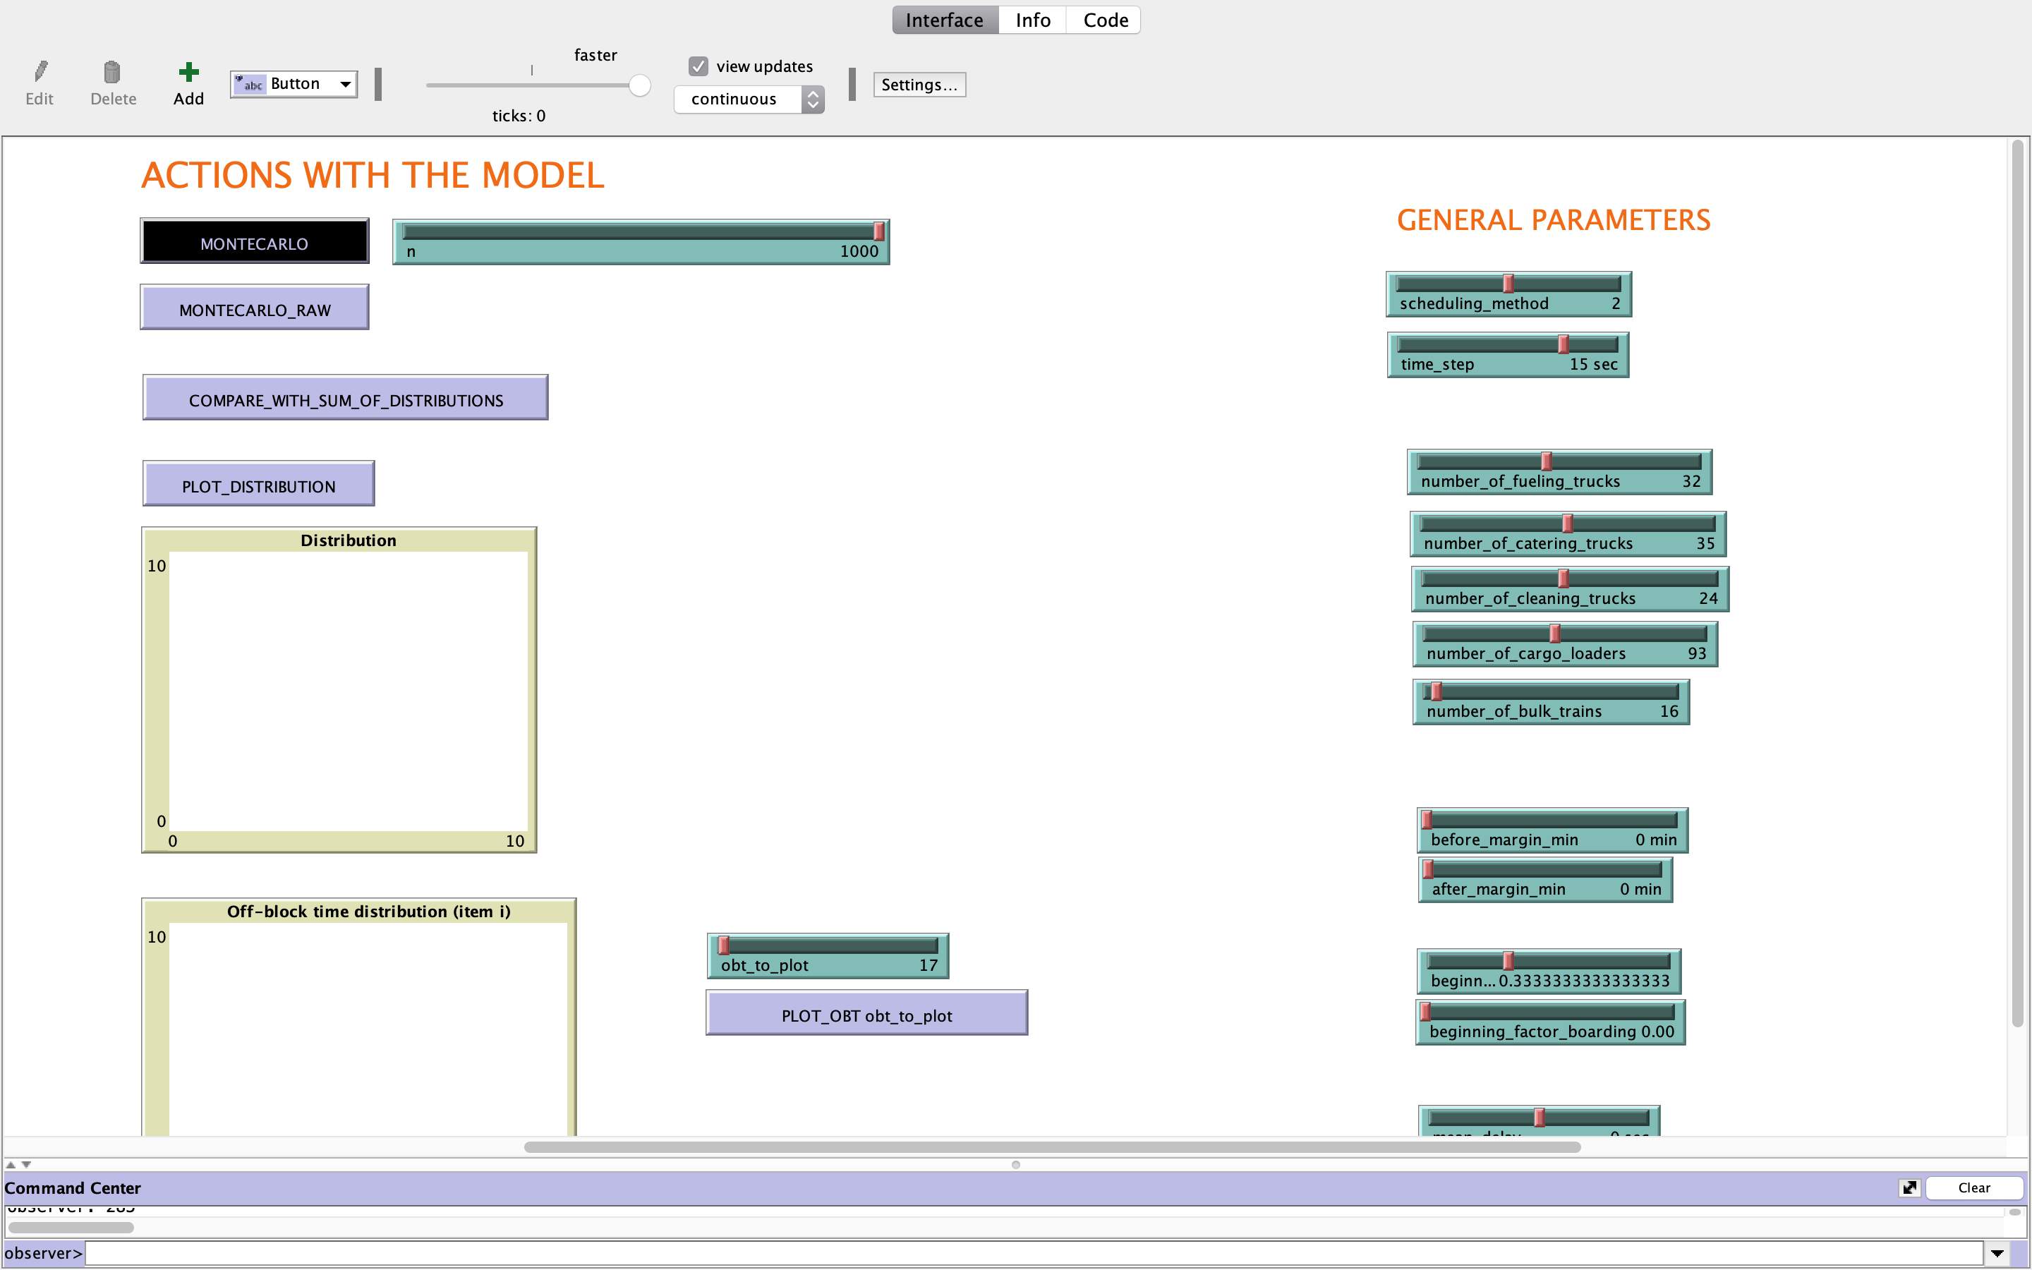
...
54915.043191 | 53784.040541 | 53944.720069 | 54150.588155 | 54911.895026 | 62152.916602 | 54595.846349 | 54995.451394 | 55442.858385 | 55827.412693 | 57017.199561 | 56045.95701 | 56427.677824 | 63614.420023 | 64841.38179 | 56426.145704 | 57575.501515 | 57527.354637 | 56660.374923 | 56682.392345 | 62112.331445 | 66672.512875 | 61841.374726 | 57623.796762 | 57625.838626 | 58534.515539 | 57981.922051 | 57857.344174
...

