sheet
CHARACTER INFORMATION |  | TRAITS |  |  |  |  |  |  |  |  |  |  |  |  |  |  | BACKGROUNDS
 |  |  |  |  |  |  |  |  |  |  |  |  |  |  |  |  | 0
Character | 0 | BRAWN |  |  |  |  |  |  | 0 | 0 | 0

 |  |  |  |  |  |  |  |  |  |  |  |  |  |  |  |  | #N/A
Player | 0 | FINESSE |  |  |  |  |  |  | 0 | 0 | 0

Concept | 0 | RESOLVE |  |  |  |  |  |  | 0 | 0 | 0
 |  |  |  |  |  |  |  |  |  |  |  |  |  |  |  |  | 0

Nation | 0 | WITS |  |  |  |  |  |  | 0 | 0 | 0
 |  |  |  |  |  |  |  |  |  |  |  |  |  |  |  |  | #N/A
Religion | 0 | PANACHE |  |  |  |  |  |  | 0 | 0 | 0

Reputation | 0

 |  | SKILLS |  |  |  |  |  |  |  |  |  |  |  |  |  |  | ADVANTAGES
Wealth | 0
 |  | AIM | 0 | 0 | 0 | 0 | 0 | PERFORM |  |  |  | 0 | 0 | 0 | 0 | 0

ARCANA |  | ATHLETICS | 0 | 0 | 0 | 0 | 0 | RIDE |  |  |  | 0 | 0 | 0 | 0 | 0

Virtue | () | BRAWL | 0 | 0 | 0 | 0 | 0 | SAILING |  |  |  | 0 | 0 | 0 | 0 | 0

#N/A |  | CONVINCE | 0 | 0 | 0 | 0 | 0 | SCHOLARSHIP |  |  |  | 0 | 0 | 0 | 0 | 0

 |  | EMPATHY | 0 | 0 | 0 | 0 | 0 | TEMPT |  |  |  | 0 | 0 | 0 | 0 | 0

 |  | HIDE | 0 | 0 | 0 | 0 | 0 | THEFT |  |  |  | 0 | 0 | 0 | 0 | 0
Hubris | ()
 |  | INTIMIDATE | 0 | 0 | 0 | 0 | 0 | WARFARE |  |  |  | 0 | 0 | 0 | 0 | 0

#N/A |  | NOTICE | 0 | 0 | 0 | 0 | 0 | WEAPONRY |  |  |  | 0 | 0 | 0 | 0 | 0

 |  | Rank 3: Re-Roll a single die
 |  | Rank 4: Sets of 15 = 2 Raises

STORIES |  | Rank 5: 10s explode

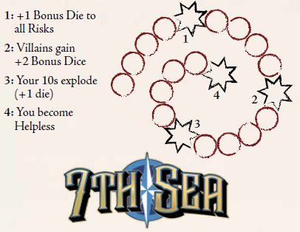
Name | 0 | DEATH SPIRAL
Type | 0
Goal | 0
Reward | 0
Step 1 | 0

Corruption: 0 |  |  |  |  |  |  |  |  |  |  |  |  |  |  |  |  | Secret Society:

Ability Descriptions
Backgrounds
0 | #N/A
0 | #N/A
Advantages
Styles
Sorcery

