<Specical Setting>
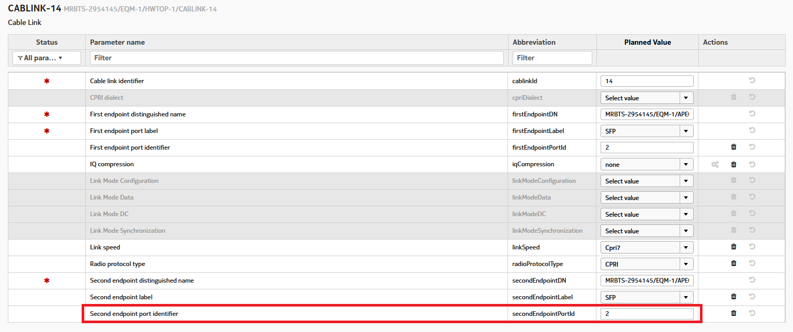
[5G RMOD 장비별 설정이 다른 항목]
(1) APHA
-> APHA 장비는 Cablink 오브젝트에 Link speed & Radio protocol type은 Cpri 설정이 필요함
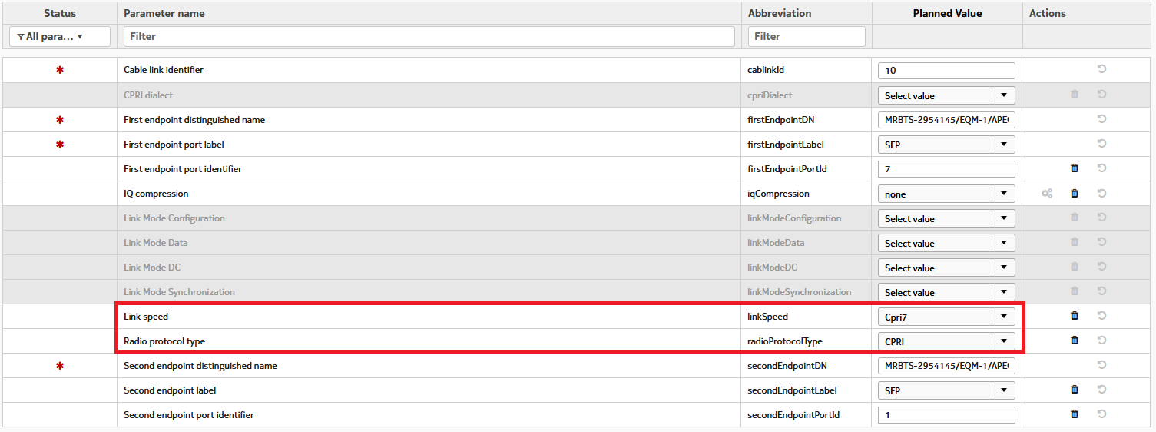

RU 별 Config 파일에 들어가야 함.
-. APHA 단말
-.

(2) AEQN
-> AEQN 장비 경우 Second endpoint port identifier 설정을 2로 설정 필요

