INITBTS_V4
LTE DU20 용 FHS
NetAct IP
DCAP IP
[주의사항] (1) 입력값은 영문만 허용됨. | RAT타입 | Radio버젼 |  |  | 국소명(영문) |  | 장비타입 |  | DU IP | SUBNET MASK |  | GW IP |  | VLAN ID | SYNC-1 |  |  | TOP(IP) 구성 > LTE ONLY |  | BBMOD 구성 |  |  |  |  |  | FHS 구성 (LTE DU20 only) |  |  |  |  |  | NetAct(EMS) IP |  | DCAP IP#1 |  | DCAP IP#2
 |  |  |  |  | string; 1..80 char; |  | enum; [FSMF, ASIK, ASIL] |  | string; 7...15 char; | string; 0...32, step 1; |  | string; 7...15 char; |  | number; 1...4094, step 1; |  | NUMBER; 1...5, step 1 | ENUM; Master : 1pps/ToD from external GNSS receiver, Slave : 1pps/ToD from Sync Hub Master, Backplane : 1pps/ToD from backplane, TOPP: TOPP |  | STRING; 2...253 characters |  | STRING; 4..16 char; CHOICE: FBBC, ABIL, ABIO, ABIP |  | STRING; 4..16 char; CHOICE: FBBC, ABIL, ABIO, ABIP |  | STRING; 4..16 char; CHOICE: FBBC, ABIL, ABIO, ABIP

CLI Scenario | Radio |  | MRBTS | LNBTS |  | SMOD |  | IPIF-1/IPADDRESSV4 |  |  | IPRT |  | VLANIF |  | SYNC-1/CLOCK |  |  | NTP |  | BBMOD |  |  |  |  |  | FHS_1 | FHS_2 | FHS_3 | FHS_4 | FHS_5 | FHS_6 | CTRLTS-1 |  | CTRLTS-1/MTRACE
Name | Type | Version | id | id | enbName | id | prod-name | id | localIpAddr | localIpPrefixLength | id | staticRoutes/gateway | id | vlanId | id | syncInputList/syncInputPrio | syncInputList/syncInputType | id | ntpServerIpAddrList[] | id | prod-name | id | prod-name | id | prod-name | id | id | id | id | id | id | id | netActIpAddr | id | tceIpAddress | id | tceIpAddress
INIT-BTS | 4G | 25R2 | 130126 | 130126 | NL_GumiOkgye | 1 | FSMF | 1 | 4.4.0.116 | 29 | 1 | 4.4.0.113 | 1 | 229 | 1 | 1 | Master | 1 | 4.5.1.99; 4.6.1.2 | 1 | FBBC |  |  |  |  |  |  |  |  |  |  | 1 | 10.113.252.58 | 0 | 10.113.246.69 | 1 | 10.113.246.69

INIT-BTS | 5G | 25R2 | 2350003 | 2350003 | NF_TEST2 | 1 | ASIK | 1 | 4.5.13.5 | 26 | 1 | 4.5.13.1 | 1 | 1000 | 1 | 1 | Master |  |  | 1 | ABIL | 2 | ABIL | 3 | ABIL |  |  |  |  |  |  | 1 | 10.113.252.58 | 0 | 10.113.246.69 | 1 | 10.113.246.69
INIT-BTS | 5G | 25R2 | 2350001 | 2350001 | NFO_TEST3(옥외) | 1 | ASIL | 1 | 4.5.13.3 | 26 | 1 | 4.5.13.1 | 1 | 1000 | 1 | 1 | Master |  |  | 1 | ABIL | 2 | ABIL | 3 | ABIL |  |  |  |  |  |  | 1 | 10.113.252.58 | 0 | 10.113.246.69 | 1 | 10.113.246.69
##### | ##### | ##### | ##### | ##### | ##### | ##### | ##### | ##### | ##### | ##### | ##### | ##### | ##### | ##### | ##### | ##### | ##### | ##### | ##### | ##### | ##### | ##### | ##### | ##### | ##### | ##### | ##### | ##### | ##### | ##### | ##### | ##### | ##### | ##### | ##### | ##### | #####

DU10 신규 개통 시나리오 #50: SMOD x 1, BBMOD x 1
DU20 신규 개통 시나리오 #52: SMOD x 1, BBMOD x 2, FHS x 2

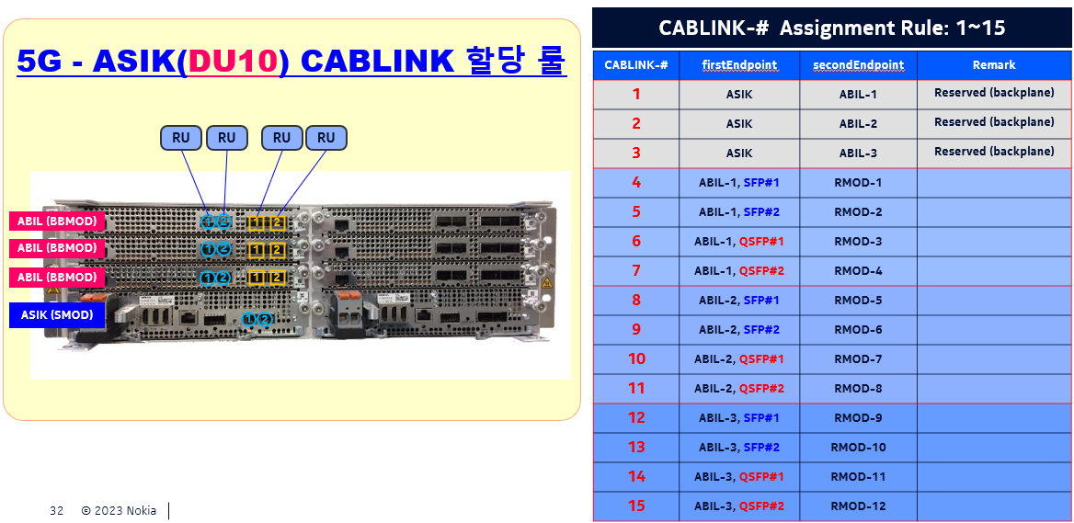
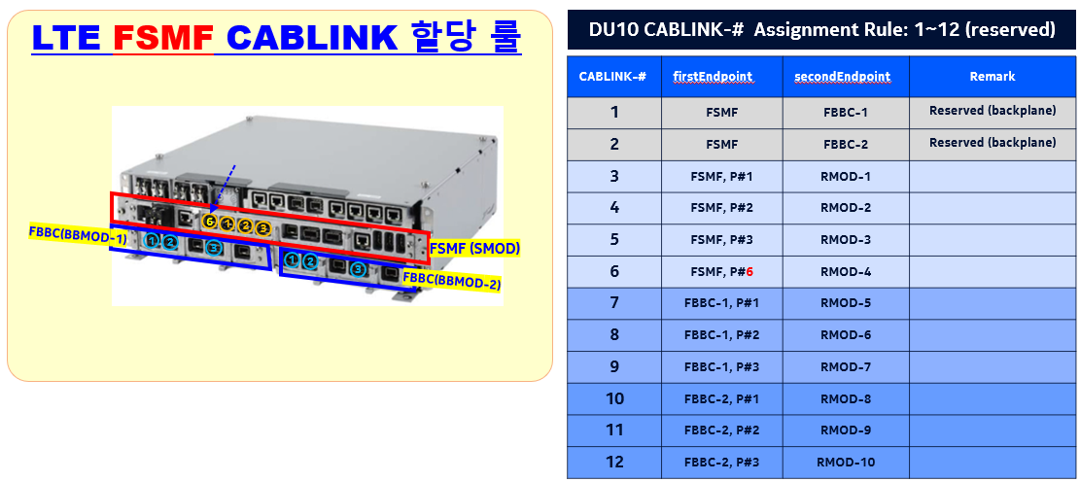
config |  |  |  |  |  |  |  | config
init-stp |  |  |  |  |  |  |  | init-stp
dest-bts |  | 130126 | ; |  |  |  |  | dest-bts |  | 0 | ;

check-ping |  | 130126 | ; |  |  |  |  | check-ping |  | 0 | ;

check-soam |  | 130126 | ; |  |  |  |  | check-soam |  | 0 | ;

update-sw-ver |  | 130126 | ; |  |  |  |  | update-sw-ver |  | 0 | ;

exit |  |  |  |  |  |  |  | exit

init-bts |  | -r | 0 | -v | 0 |  |  | init-bts |  | -r | 0 | -v | 0
tgt-bts |  | 130126 |  |  |  |  |  | tgt-bts |  | 0

get-hw-info; |  |  |  |  |  |  |  | get-hw-info;
download-bts-cfg |  |  |  |  |  |  |  | download-bts-cfg

btsName |  | NL_GumiOkgye |  |  |  |  |  | btsName |  | NL_GumiOkgye
LNBTS |  | 130126 |  |  |  |  |  | LNBTS |  | 0
enbName |  | NL_GumiOkgye |  |  |  |  |  | enbName |  | 0
exit |  |  |  |  |  |  |  | exit

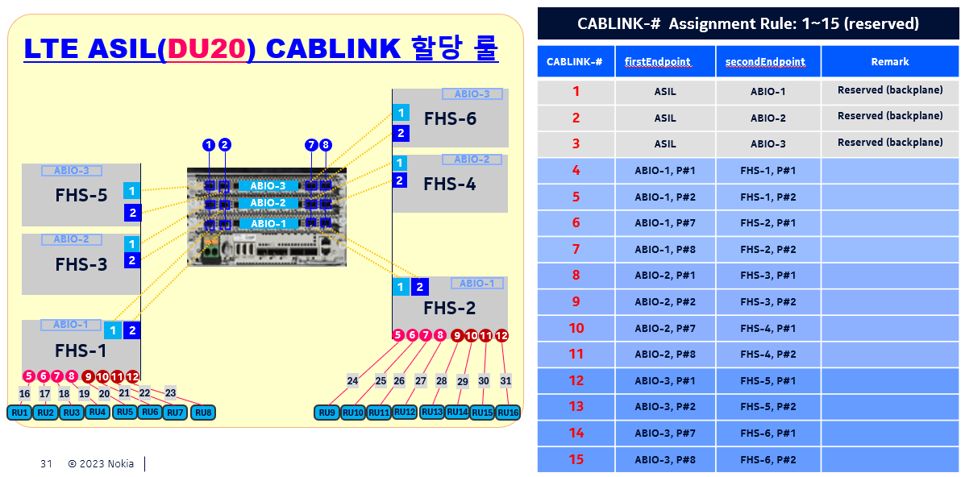
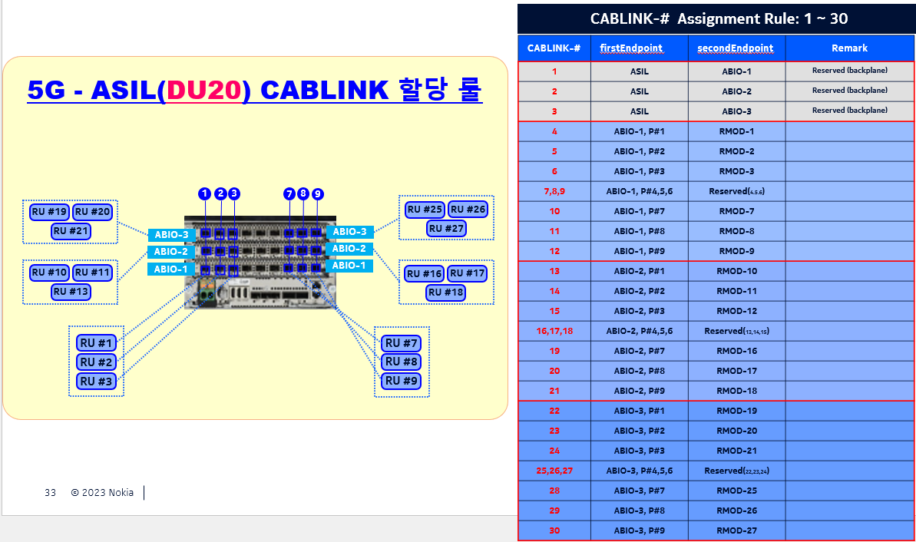

CTRLTS 1 |  |  |  |  |  |  |  | CTRLTS 1
netActIpAddr |  | 10.113.252.58 |  |  |  |  |  | netActIpAddr |  | 0
MTRACE 0 |  |  |  |  |  |  |  | MTRACE 0
tceIpAddress |  | 10.113.246.69 |  |  |  |  |  | tceIpAddress |  | 0
exit |  |  |  |  |  |  |  | exit
MTRACE 1 |  |  |  |  |  |  |  | MTRACE 1
tceIpAddress |  | 10.113.246.69 |  |  |  |  |  | tceIpAddress |  | 0
exit |  |  |  |  |  |  |  | exit
exit-all |  |  |  |  |  |  |  | exit-all

EQM 1 |  |  |  |  |  |  |  | EQM 1
APEQM 1 |  |  |  |  |  |  |  | APEQM 1
moduleLocation |  | NL_GumiOkgye |  |  |  |  |  | moduleLocation |  | NL_GumiOkgye
exit |  |  |  |  |  |  |  | exit
exit |  |  |  |  |  |  |  | exit

TNLSVC 1 |  |  |  |  |  |  |  | TNLSVC 1
TNL 1 |  |  |  |  |  |  |  | TNL 1
ETHSVC 1 |  |  |  |  |  |  |  | ETHSVC 1
ETHIF 1 |  |  |  |  |  |  |  | ETHIF 1
VLANIF |  | 1 |  |  |  |  |  | VLANIF |  | 0
vlanId |  | 229 |  |  |  |  |  | vlanId |  | 0
exit |  |  |  |  |  |  |  | exit
exit |  |  |  |  |  |  |  | exit
 |  |  |  |  |  |  |  | exit-all

TNLSVC 1 |  |  |  |  |  |  |  | TNLSVC 1
TNL 1 |  |  |  |  |  |  |  | TNL 1
IPNO 1 |  |  |  |  |  |  |  | IPNO 1
IPIF 1 |  |  |  |  |  |  |  | IPIF 1
IPADDRESSV4 |  | 1 |  |  |  |  |  | IPADDRESSV4 |  | 0
localIpAddr |  | 4.4.0.116 |  |  |  |  |  | localIpAddr |  | 0
localIpPrefixLength |  | 29 |  |  |  |  |  | localIpPrefixLength |  | 0
exit |  |  |  |  |  |  |  | exit

IPRT 1 |  |  |  |  |  |  |  | IPRT 1
list staticRoutes |  | 1 | gateway | 4.4.0.113 |  |  |  | list staticRoutes |  | 0 | gateway | 0
list staticRoutes |  | 1 | routeIpMtu | 1510 |  |  |  | list staticRoutes |  | 0 | routeIpMtu | 1510
list staticRoutes |  | 1 | destIpAddr | 0.0.0.0 |  |  |  | list staticRoutes |  | 0 | destIpAddr | 0.0.0.0
 |  |  |  |  |  |  |  | exit
 |  |  |  |  |  |  |  | exit-all

exit
exit
exit
exit

MNL 1 |  |  |  |  |  |  |  | MNL 1
MNLENT 1 |  |  |  |  |  |  |  | MNLENT 1
SYNC 1 |  |  |  |  |  |  |  | SYNC 1
CLOCK |  | 1 |  |  |  |  |  | CLOCK |  | 0
list syncInputList |  | 1 | syncInputPrio | 1 |  |  |  | list syncInputList |  | 1 | syncInputPrio | 0
list syncInputList |  | 1 | syncInputType | 1pps/ToD from external GNSS receiver |  |  |  | list syncInputList |  | 1 | syncInputType | error
 |  |  |  |  |  |  |  | list syncInputList
 |  |  |  |  |  |  |  | list syncInputList
 |  |  |  |  |  |  |  | list syncInputList
 |  |  |  |  |  |  |  | list syncInputList
exit |  |  |  |  |  |  |  | exit

GNSSE |  | 1 |  |  |  |  |  | GNSSE | 1
gnssLineDelay |  | 519 |  |  |  |  |  | gnssLineDelay | 519
exit |  |  |  |  |  |  |  | exit
TOPP |  | 1 |  |  |  |  |  | TOPP | 1
masterIpAddr |  | 100.99.255.65 |  |  |  |  |  | masterIpAddr | 100.99.255.65
exit |  |  |  |  |  |  |  | exit
 |  |  |  |  | 4.5.1.99 | 4.6.1.2

NTP |  | 1 |  |  |  |  |  | NTP |  | 0
list ntpServerIpAddrList |  | 1 | val | 4.5.1.99 |  |  |  | list ntpServerIpAddrList |  | 1 | val | 0
list ntpServerIpAddrList |  | 2 | val | 4.6.1.2
maxNtpTimeError |  | 200 |  |  |  |  |  | maxNtpTimeError |  | 200
ntpAlarmingThreshold |  | 300 |  |  |  |  |  | ntpAlarmingThreshold |  | 300
ntpDscp |  | 46 |  |  |  |  |  | ntpDscp |  | 46
exit-all |  |  |  |  |  |  |  | exit
 |  |  |  |  |  |  |  | exit-all

SMOD |  | 1 |  |  |  |  |  | EQM 1
prod-name |  | FSMF |  |  |  |  |  | APEQM 1
exit |  |  |  |  |  |  |  | SMOD | 1
BBMOD |  | 1 |  |  |  |  |  | prod-name | 0
prod-name |  | FBBC |  |  |  |  |  | exit
exit |  |  |  |  |  |  |  | BBMOD | 0
 |  |  |  |  |  |  |  | prod-name | 0
 |  |  |  |  |  |  |  | exit
 |  |  |  |  |  |  |  | BBMOD | 0
 |  |  |  |  |  |  |  | prod-name | 0
 |  |  |  |  |  |  |  | exit
 |  |  |  |  |  |  |  | FHS | 0
 |  |  |  |  |  |  |  | exit
 |  |  |  |  |  |  |  | FHS | 0
 |  |  |  |  |  |  |  | exit
 |  |  |  |  |  |  |  | exit-all

 |  |  |  |  |  |  |  | set-cfg-tmpl LTE_TNLSVC_CFG_DFLT;
 |  |  |  |  |  |  |  | >RESULT = OK;

set-cfg-tmpl LTE_TNLSVC_CFG_DFLT;
>RESULT = OK; |  |  |  |  |  |  |  | set-cfg-tmpl LTE_MNL_CFG_DFLT;
 |  |  |  |  |  |  |  | >RESULT = OK;
set-cfg-tmpl LTE_MNL_CFG_DFLT;
>RESULT = OK; |  |  |  |  |  |  |  | commit;
 |  |  |  |  |  |  |  | >RESULT = OK;
commit;
>RESULT = OK; |  |  |  |  |  |  |  | apply-bts-cfg;
 |  |  |  |  |  |  |  | >RESULT = OK;
apply-bts-cfg;
>RESULT = OK; |  |  |  |  |  |  |  | act-bts-cfg;
 |  |  |  |  |  |  |  | >RESULT = OK;
act-bts-cfg; |  |  |  |  |  |  |  | exit
>RESULT = OK; |  |  |  |  |  |  |  | exit
exit
exit

config
init-mod |  | -r | 0
tgt-bts |  | 130126 |  | -v | 0
get-hw-info;
download-bts-cfg

BBMOD |  | 0
prod-name |  | 0
exit

commit;
>RESULT = OK;

apply-bts-cfg;
>RESULT = OK;

act-bts-cfg;
>RESULT = OK;
exit-all

 |  |  |  |  |  |  |  | config
 |  |  |  |  |  |  |  | init-mod |  | -r | 0 | -v | 0
 |  |  |  |  |  |  |  | tgt-bts |  | 0
 |  |  |  |  |  |  |  | get-hw-info;
 |  |  |  |  |  |  |  | download-bts-cfg

 |  |  |  |  |  |  |  | FHS |  | 0
 |  |  |  |  |  |  |  | exit
 |  |  |  |  |  |  |  | FHS |  | 0
 |  |  |  |  |  |  |  | exit

 |  |  |  |  |  |  |  | commit;
 |  |  |  |  |  |  |  | >RESULT = OK;

 |  |  |  |  |  |  |  | apply-bts-cfg;
 |  |  |  |  |  |  |  | >RESULT = OK;

 |  |  |  |  |  |  |  | act-bts-cfg;
 |  |  |  |  |  |  |  | >RESULT = OK;
 |  |  |  |  |  |  |  | exit-all

 |  |  |  |  |  |  |  | config
 |  |  |  |  |  |  |  | init-mod |  | -r | 5G | -v | 25R2
 |  |  |  |  |  |  |  | tgt-bts |  | 2350003
 |  |  |  |  |  |  |  | get-hw-info;

 |  |  |  |  |  |  |  | download-bts-cfg

 |  |  |  |  |  |  |  | BBMOD |  | 1
 |  |  |  |  |  |  |  | prod-name |  | ABIL
 |  |  |  |  |  |  |  | exit
 |  |  |  |  |  |  |  | FHS |  | 0
 |  |  |  |  |  |  |  | exit
 |  |  |  |  |  |  |  | FHS |  | 0
 |  |  |  |  |  |  |  | exit

 |  |  |  |  |  |  |  | commit;
 |  |  |  |  |  |  |  | >RESULT = OK;

 |  |  |  |  |  |  |  | apply-bts-cfg;
 |  |  |  |  |  |  |  | >RESULT = OK;

 |  |  |  |  |  |  |  | act-bts-cfg;
 |  |  |  |  |  |  |  | >RESULT = OK;
 |  |  |  |  |  |  |  | exit-all

INITCELL_V5
 | 망(셀) 특화 파라미터 | KTX 파라미터 | RAT타입 | Radio버젼 | 기지국 ID | 기지국 IP |  | RU 모델명 | NR 셀 타입 |  | 프런트홀 |  |  |  |  |  |  |  | PCI | TAC | NBIOT LINK |  | RSI |  | LCR ID |  | NBIOT LINK
[주의사항] (1) 입력값은 영문만 허용됨. | STRING; User-defined file name; [ GONGDONG1_KT2, GONGDONG1_SKT2, GONGDONG1_SKT3 ] | STRING; LTE_KTX_INT, LTE_KTX_OOT, 5G_KTX_ASIL | ENUM; [4G, 5G] | STRING; 24R2, 24R3, 25R1, 25R2, 25R3, 26R1, 26R2, 26R3, etc |  |  |  | STRING: 4..16 char; | ENUM; AEQN_4_2, AEQY_4_2, AHQK_2_2, AHQK_4_2, APHA_4_2, AQQA_4_2, AZQG_2_2_0, AZQG_2_2_4, AZQG_4_2_0, AZQG_4_2_2, AZQG_4_4, AZQS_2_2_0, AZQS_2_2_4, AZQS_4_2_0, AZQS_4_2_2, AZQS_4_4, AEQY_4_4 |  | ENUM; smod-1,bbmod-1,bbmod-2,bbmod-3, fhs-1, fhs-2, fhs-3, fhs-4, fhs-5, fhs-6 | ENUM; OPT(LTE FSMF), SFP(LTE DU20), QSFP(5G DU10), SFP(5G DU20) | NUMBER; 0...255, step 1; | ENUM; OPT(LTE FSMF), SFP(LTE DU20), QSFP(5G DU10), SFP(5G DU20) | NUMBER; 0...255, step 1; | NUMBER; LTE (0..65535) 5G(0...68719476735) |  | NUMBER; 0...255, step 1; | NUMBER; 0...503, step 1 | NUMBER; 0...65535, step 1 | NUMER; 0...255, step 1; |  | NUMBER: 0...837, step 1 | NUMBER; LTE (0..65535) 5G (N/A) | NUMBER; 0...255, step 1; |  | NUMBER; 0...255, step 1;
BTS
RMOD
CELL
NBIOT
5G Only
LTE Only
LTE Only
CLI Scenario | CellType1 | CellType2 | Radio |  | MRBTS |  | RMOD |  |  | CABLINK |  |  |  |  |  | LNCEL/NRCELL |  |  |  |  |  | LNCEL_FDD/NRCELL |  | LNCEL_IOT
Name |  |  | Type | Version | id | ip-addr | id | prod-name | cell-type | id | dest-mod | firstEndpointLabel | firstEndpointPortId | secondEndpointLabel | secondEndpointPortId | id | cellName | lcrId | phyCellId | tac | nbIotLinkedCellId | id | rootSeqIndex | id | lcrId | tac | nbIotLinkedCellId
INIT-CELL | GONGDONG1_KT2 | LTE_KTX_INT | 4G | 24R2 | 130126 | 4.4.0.116 | 1 | FHCG |  | 3 | smod-1 | OPT | 1 | OPT | 1 | 200 | NL_GMOK_G00A | 20 | 311 | 59333 | 120 | 0 | 500 | 2933 | 120 | 59343 | 20
INIT-CELL | GONDONG1_SKT2 | LTE_KTX_OOT | 4G | 24R2 | 130126 | 4.4.0.116 | 6 | AHGA |  | 8 | bbmod-1 | OPT | 2 | OPT | 1 | 101 | NL_TEST2 | 11 | 301 | 59455 | 0 | 0 | 600
INIT-CELL | GONDONG1_SKT3 |  | 4G | 24R2 | 130126 | 4.4.0.116 | 7 | FHCA |  | 9 | bbmod-1 | OPT | 3 | OPT | 1 | 102 | NL_DU20_loc2 | 12 | 302 | 59455 | 112 | 0 | 600 | 22111 | 112 | 59465 | 12
INIT-CELL |  |  | 5G | 25R2 | 2350003 | 4.5.13.5 | 1 | AZQS | AZQS_4_2_2 | 4 | bbmod-1 | SFP | 1 | SFP | 1 | 100 | NR_TEST1 | 1 | 100 | 59456 | 101 | 0 | 100 | 22113 | 101 | 2 | 1
INIT-CELL |  |  | 5G | 25R2 | 2350003 | 4.5.13.5 | 2 | AZQS | AZQS_4_4 | 5 | bbmod-1 | SFP | 2 | SFP | 1 | 101 | NR_TEST1 | 2 | 101 | 59457 | 102 | 0 | 100 | 22113 | 102 | 2 | 2
INIT-CELL |  |  | 5G | 25R2 | 2350003 | 4.5.13.5 | 1 | AZQS | AZQS_2_2_0 | 4 | bbmod-1 | SFP | 1 | SFP | 1 | 100 | NR_TEST1 | 1 | 100 | 59456 | 101 | 0 | 100 | 22113 | 101 | 2 | 1
INIT-CELL |  |  | 5G | 25R2 | 2350005 | 4.5.13.5 | 2 | AEQN | AEQN_4_2 | 5 | bbmod-1 | SFP | 2 | SFP | 1 | 101 | NR_TEST1 | 2 | 101 | 59457 | 102 | 0 | 100 | 22113 | 102 | 2 | 2
INIT-CELL |  |  | 5G | 25R2 | 2350005 | 4.5.13.5 | 1 | AEQY | AEQY_4_2 | 4 | bbmod-1 | SFP | 1 | SFP | 1 | 100 | NR_TEST1 | 1 | 100 | 59456 | 101 | 0 | 100 | 22113 | 101 | 2 | 1
##### | ##### |  | ##### | ##### | ##### | ##### | ##### | ##### | ##### | ##### | ##### | ##### | ##### | ##### | ##### | ##### | ##### | ##### | ##### | ##### | ##### | ##### | ##### | ##### | ##### |  | #####

각 DU HW 타입 별 CABLINK 할당 규칙은, <INITBTS_V4> 시트 참조

DU10/DU20 (통합) 신규 셀 개통 시나리오: # 11, #12, #13, #23, #24

 | config
 | init-stp
 | dest-bts |  |  | 130126
 | >RESULT = OK; RET = '4.4.0.140'
 | (dest-bts-ip 4.4.0.140)
 | check-ping |  |  | 130126
 | >RESULT = OK; RET = ['Server Up' | 'Serer Down']
 | exit
 | init-cell |  |  | -r | 4G |  | -v | 24R2 | -i | 2933

 | set-ru-type |  |  | FHCG
 | tgt-bts |  |  | 130126
 | download-bts-cfg;

 | EQM 1
 | APEQM 1
 | RMOD |  |  | 1
 | auto-config
 | moduleLocation |  |  | NL_GMOK_G00A
 | exit
 | exit
 | exit

 | EQM 1
 | HWTOP 1
 | CABLINK |  |  | 3
 | firstEndpointDN |  |  | MRBTS- | 130126 |  | /EQM-1/APEQM-1/CABINET-1/ |  |  | SMOD-1
 | firstEndpointLabel |  |  | OPT
 | firstEndpointPortId |  |  | 1
 | secondEndpointDN |  |  | MRBTS- | 130126 |  | /EQM-1/APEQM-1/CABINET-1/RMOD- |  |  | 1
 | secondEndpointLabel |  |  | OPT
 | secondEndpointPortId |  |  | 1
 | exit
 | exit
 | exit

 | LNBTS |  |  | 130126
 | LNCEL |  |  | 200
 | auto-config
 | lcrId |  |  | 20
 | phyCellId |  |  | 311
 | tac |  |  | 59333
 | nbIotLinkedCellId |  |  | 120

 | LNCEL_FDD 0
 | rootSeqIndex |  |  | 500
 | exit
 | exit
 | exit

 | MNL 1
 | MNLENT 1
 | CELLMAPPING 1
 | auto-config LCELL |  |  | 20
 | exit
 | exit
 | exit
 | exit

 | LNBTS |  |  | 130126
 | LNCEL |  |  | 2933
 | auto-config
 | lcrId |  |  | 120
 | phyCellId |  |  | 311
 | tac |  |  | 59333
 | nbIotLinkedCellId |  |  | 20

 | MNL 1
 | MNLENT 1
 | CELLMAPPING 1
 | auto-config LCELL |  |  | 120
 | exit
 | exit
 | exit

 | set-cfg-tmpl |  |  | GONDONG1_SKT2 | ;
 | >RESULT = OK;

 | commit;
 | >RESULT = OK;

 | apply-bts-cfg;
 | >RESULT = OK;

 | act-bts-cfg;
 | >RESULT = OK;
 | exit
 | exit

INITMOD_V1
 | [주의사항] (1) 입력값은 영문만 허용됨. |  |  |  | 기지국 ID | 장비타입 (BBMOD) |  | 장비타입 (BBMOD) |  | 장비타입 (BBMOD) |  | FHS 링크 #1 |  |  |  |  |  | FHS 링크 #2
 |  |  |  |  |  | string; 4..16 char; |  | string; 4..16 char; |  | string; 4..16 char; |  | NUMBER; | ENUM; bbmod-1,bbmod-2,bbmod-3, fhs-1, fhs-2, fhs-3, fhs-4, fhs-5, fhs-6 | ENUM; OPT(LTE FSMF), SFP(LTE DU20), QSFP(5G DU10), SFP(5G DU20) | NUMBER; 0...255, step 1; | ENUM; OPT(LTE FSMF), SFP(LTE DU20), QSFP(5G DU10), SFP(5G DU20) | NUMBER; 0...255, step 1; | NUMBER; | ENUM; bbmod-1,bbmod-2,bbmod-3, fhs-1, fhs-2, fhs-3, fhs-4, fhs-5, fhs-6 | ENUM; OPT(LTE FSMF), SFP(LTE DU20), QSFP(5G DU10), SFP(5G DU20) | NUMBER; 0...255, step 1; | ENUM; OPT(LTE FSMF), SFP(LTE DU20), QSFP(5G DU10), SFP(5G DU20) | NUMBER; 0...255, step 1;
BTS#
BBMOD
FHS
Front Haul Link between DU & FH Switch
 | CLI Scenario | Radio |  | MRBTS | BBMOD |  |  |  |  |  | FHS_1 | CABLINK_L11 |  |  |  |  |  | CABLINK_L2
 | Name | Type | Version | id | id | prod-name | id | prod-name | id | prod-name | id | id | dest-mod | firstEndpointLabel | firstEndpointPortId | secondEndpointLabel | secondEndpointPortId | id | dest-mod | firstEndpointLabel | firstEndpointPortId | secondEndpointLabel | secondEndpointPortId

DU20
DU20
DU20
DU20
DU20

DU20 신규 개통 시나리오 - BBMOD x 1, FHS x 2 추가
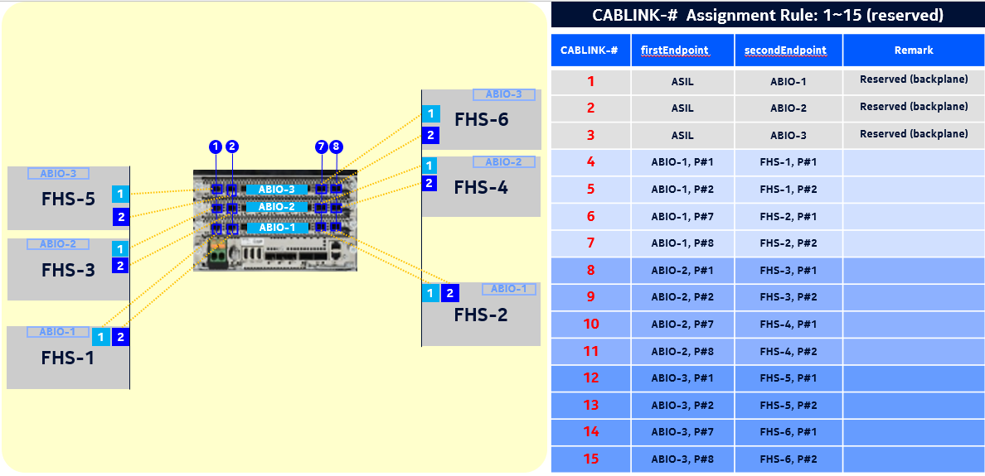

 | config
 | init-mod |  | -r | 0 | -v | 0
 | tgt-bts |  | 0
 | get-hw-info;

 | download-bts-cfg

 | BBMOD |  | 0
 | prod-name |  | 0
 | exit
 | FHS |  | 0
 | exit
 | FHS |  | 0
 | exit

 | commit;
 | >RESULT = OK;

 | apply-bts-cfg;
 | >RESULT = OK;

 | act-bts-cfg;
 | >RESULT = OK;
 | exit-all

DU20 신규 개통 시나리오 - BBMOD x 1

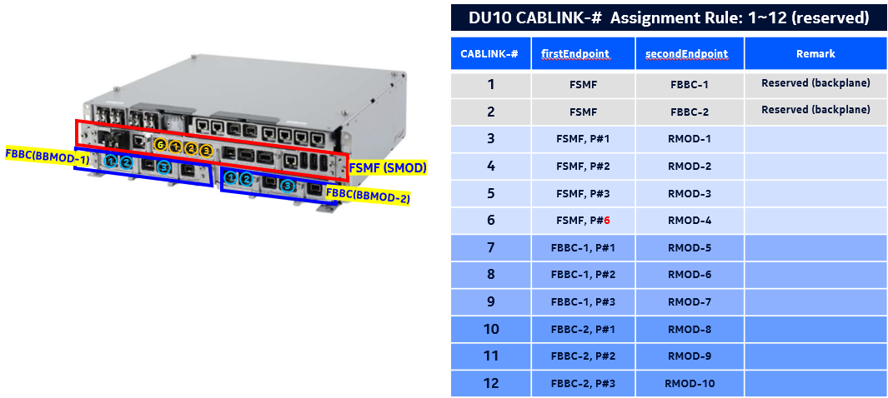
 | config
 | init-mod |  | -r | 0 | -v | 0
 | tgt-bts |  | 0
 | get-hw-info;
 | download-bts-cfg

 | BBMOD |  | 0
 | prod-name |  | 0
 | exit

 | commit;
 | >RESULT = OK;

 | apply-bts-cfg;
 | >RESULT = OK;

 | act-bts-cfg;
 | >RESULT = OK;
 | exit-all

DU20 신규 개통 시나리오 - FHS x 2

 | config
 | init-mod |  | -r | 0 | -v | 0
 | tgt-bts |  | 0
 | get-hw-info;
 | download-bts-cfg

 | FHS |  | 0
 | exit
 | FHS |  | 0
 | exit

 | commit;
 | >RESULT = OK;

 | apply-bts-cfg;
 | >RESULT = OK;

 | act-bts-cfg;
 | >RESULT = OK;
 | exit-all

LTE_공동망Para
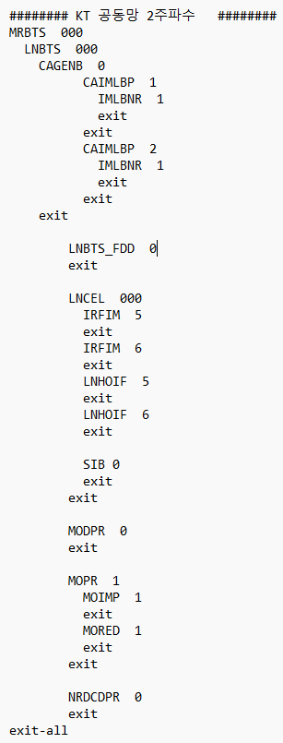
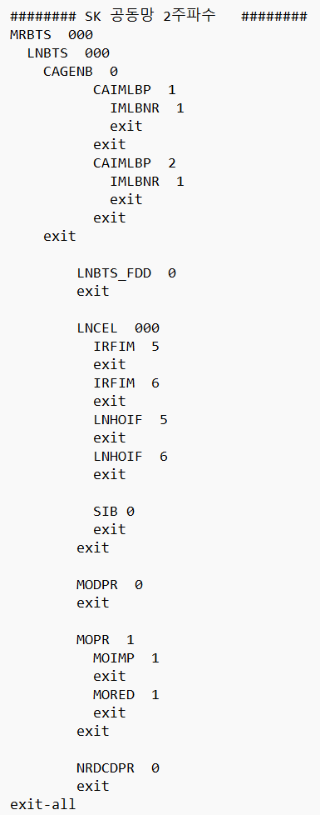
주파수대역 | 장비 TYPE | 환경알람 구성여부 | ANT Port
850 | FXCA | O | 1 & 3
850 | FRCG | O | 1 & 2
850 | FHCA | O | 1 & 2
850 | FHCB | O | 1 & 2
850 | AHCA | O | 1 & 3
850 | FHCG | X | 1 & 2
2.1G | FRGY | O | 1 & 2
2.1G | FRGQ | O | 1 & 2
2.1G | AHGA | O | 1 & 3
2.1G | FRGP | X | 1 & 3
2.6G | FRHB | O | 1 & 2
2.6G | FRHA | X | 1 & 3

