TitlePage
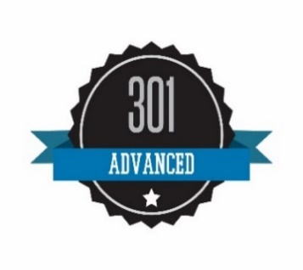 An advanced-level educational product is constructed for the participant with extensive knowledge and experience in PQRS, or has mastered the intermediate-level material.
2024 CMS WEB INTERFACE PREV-6 CODING DOCUMENT
End of Worksheet

