fltk_1.3.9
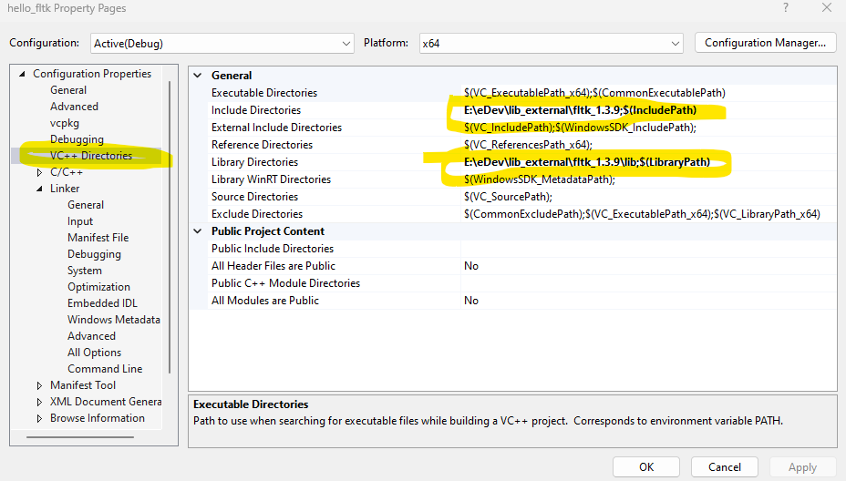
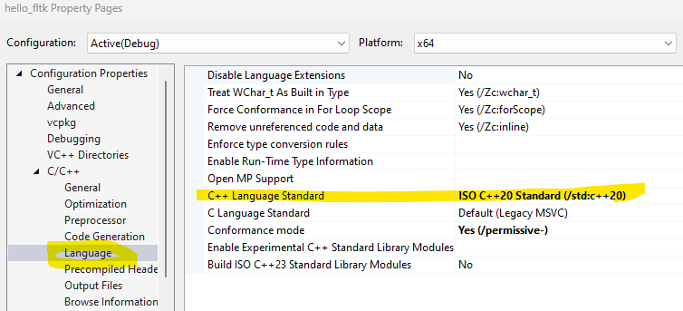
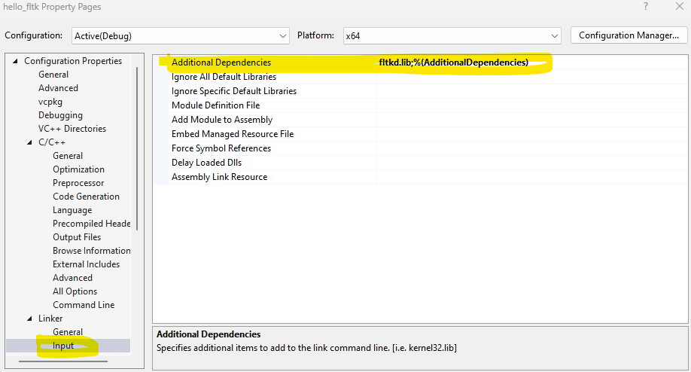
E:\eDev\lib_external\fltk_1.3.9>git remote -v
origin https://github.com/marvinxu99/fltk.git (fetch)
origin https://github.com/marvinxu99/fltk.git (push)

E:\eDev\lib_external\fltk_1.3.9>git branch
* branch-1.3 | fltk v1.3.9
master

Added Visual Studio 2022 support (Visual cC++ v143) | git branch-1.3 @marvinxu99/fltk.git
added x64 platform support

Install FLTK for use with Visual C++
https://github.com/alf-p-steinbach/Install-FLTK-for-use-with-Visual-C-/tree/master

git clone git clone https://github.com/fltk/fltk.git | E:\eDev\lbs-external\fltk

git fetch && get checkout branch-1.3 | Checkout version 1.3.9

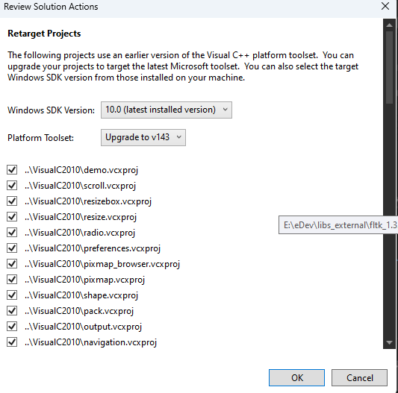
Launch Visual Studio 2022
Open E:\eDev\libs_external\fltk_1.3.9\ide\VisualC2010\fltk.sln

Click OK | Retargeting projects

Use "Demo" to explore all test programs.
CTRL + F5 (Start without debugging) the Demo project | The "README.MSWindows.txt" file now says one should build the “demo” project, and that’s already set as startup project (marked in bold in Visual Studio’s project list). So I just hit Ctrl+F5 to build and run it.

Cairo is a 2D graphics library that I know can do anti-aliasing
(not working yet)

Inlcude path | E:\eDev\lib_external\fltk_1.3.9

Lib path | E:\eDev\lib_external\fltk_1.3.9\lib
Lib name: | fltkd.lib
 | fltk.lib

Setup Custom Lib
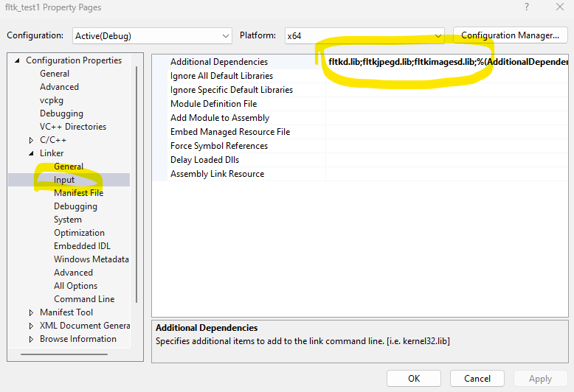
Right click on the project, select "Properties"

