keycloak (Auth Server)
Installing Keycloak on windows 11
OpenJDK - Keycloak | https://www.keycloak.org/getting-started/getting-started-zip
 | (1) Installed OpenJDK 21
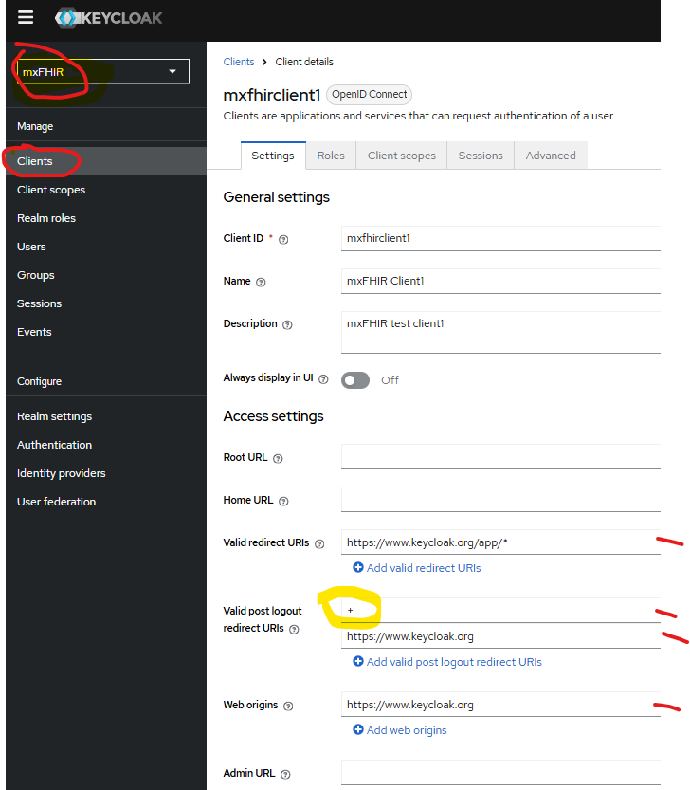
 | (2) Download keycloak-26.0.0 & unzip to c:\keycloak\keycloak-26.0.0

 | (3) run bin\kc.bat start-dev

 | (4) Create a temp admin/123456 at localhost:8080

 | (5) Login into Admin console: localhost:8080/admin
 | Configure bootstrap admin sudo ./kc.sh bootstrap-admin user User: admin/123456

 | Create a Realm: mxFHIR

 | Create user with username: winter/123456

 | Login into Account Console: localhost:8080/realms/mxFHIR (as Winter/123456)
 | manage your account including modifying your profile, adding two-factor authentication, and including identity provider accounts.

 | View applications your account has access to
 | http://localhost:8080/realms/mxFHIR/account/

Secure the first application | Open the Keycloak Admin Console. (localhost:8080/admin)
 | Select the mxFHIR realm
 | Click on Clients
 | Click Create Client
 | Fill in the form with the following values: Client type: OpenID Connect Client ID: mxfhirclient1
 | Click Next Confirm that Standard flow is enabled. Click Next.

 | To confirm the client was created successfully, you can use the SPA testing application on the Keycloak website. Open https://www.keycloak.org/app/. Click Save to use the default configuration: Click Sign in to authenticate to this application using the Keycloak server you started earlier.
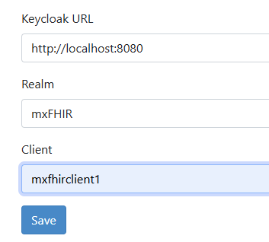

Install Keycloak 26.0.0. on Ubuntu 22.04 | Installing Keycloak 26.0.0 on ubuntu 22.04
OpenJDK - Keycloak | https://www.keycloak.org/getting-started/getting-started-zip
(1) Install OpenJDK 21
sudo apt install openjdk-21-jre-headless | v21.0.4+7-lubuntu22.04

(2) Create a keycloak directory under /opt | sudo mkdir /opt/keycloak

(3) download Keycloak | https://github.com/keycloak/keycloak/releases/download/26.0.0/keycloak-26.0.0.tar.gz
 | wget -O keycloak.tar.gz https://github.com/keycloak/keycloak/releases/download/26.0.0/keycloak-26.0.0.tar.gz

(4) Unpack under /opt/cloak | # Unpack under /opt/keycloak. # In this example, the .tar.gz actually contained a "keycloak-26.0.0" folder. # The --strip-components makes sure to ignore this first (1) leve # tar -xzvf keycloak.tar.gz --strip-components=1 (to current dir /opt/keycloak)

OpenJDK - Keycloak | OpenJDK - Keycloak
Start Keycloak
 | ./bin/kc.sh start-dev

 | export KC_BOOTSTRAP_ADMIN_USERNAME=admin
 | export KC_BOOTSTRAP_ADMIN_PASSWORD=123456

Optional Steps | https://jeffreybostoen.be/installing-keycloak-on-ubuntu-server-22-04/
 | https://dev.to/yaznzamel/keycloak-2205-on-ubuntu-with-postgresql-4h0n
Securing Keycloak | It would be a bad idea security-wise to run Keycloak as a root user.
 | As a good practice, we’ll create a dedicated group and user for Keycloak.

 | # Create a group first. sudo groupadd keycloak # Create a dedicated user account. # This user account will be part of the group keycloak. # Its home directory will be set to /opt/keycloak. # There will be no shell for this user. # Its username is keycloak. useradd -r -g keycloak -d /opt/keycloak -s /sbin/nologin keycloak

 | # Our Keycloak user becomes the owner of the folder /opt/keycloak and everything in it (recursively). sudo chown -R keycloak: keycloak # Set permissions. sudo chmod o+x /opt/keycloak/bin

Move the .conf files from the current directory to the /etc
 | cd /etc
 | sudo mkdir keycloak

 | sudo cp /opt/keycloak/conf/keycloak.conf /etc/keycloak/keycloak.conf

Configuring Keycloak as a service | create a service configuration file under /etc/systemd/system/keycloak.service
 | sudo vi /etc/systemd/system/keycloak.service
 | [Unit] Description=Keycloak Authorization Server After=network.target [Service] User=keycloak Group=keycloak ExecStart=/opt/keycloak/bin/kc.sh start ExecStop=/opt/keycloak/bin/kc.sh stop Restart=always RestartSec=3 Environment="JAVA_HOME=/usr/lib/jvm/java-21-openjdk-amd64" [Install] WantedBy=multi-user.target | [Unit] Description=The Keycloak Server After=syslog.target network.target # Hint: If Keycloak must be started before other services, # specify it like this: # Before=apache2.service [Service] User=keycloak Group=keycloak LimitNOFILE=102642 PIDFile=/run/keycloak/keycloak.pid ExecStart=/opt/keycloak/bin/kc.sh start --optimized StandardOutput=null [Install] WantedBy=multi-user.target
start the keycloak service | sudo systemctl daemon-reload # any change you do on the keycloak.service file run this command after it systemctl start keycloak.service systemctl status keycloak.service

Create Postgresql DB for keycloak
 | sudo -i -u postgres postgres=# CREATE DATABASE keycloak; postgres=# CREATE USER keycloak WITH PASSWORD '123456'; postgres=# GRANT ALL PRIVILEGES ON DATABASE keycloak TO keycloak; Check the db connection postgres@mxfhir:~$ psql -h localhost -U keycloak -d keycloak Password for user keycloak: 123456 keycloak=> \q postgres@mxfhir:~$ exit logout
Edit /etc/keycloak/keycloak.conf
 | sudo systemctl daemon-reload # any change you do on the keycloak.service file run this command after it
 | systemctl start keycloak.service
 | systemctl status keycloak.service

Ubuntu 22.04
https://cloudinfrastructureservices.co.uk/setup-keycloak-server-on-azure-aws-gcp/
 | Step 4.) Create Admin User & Password
 | Next step is to create and admin user and password for Keycloak. Run the following commands:
 | export KEYCLOAK_ADMIN=admin
 | export KEYCLOAK_ADMIN_PASSWORD=123456

 | Step 5.) Start KeyCloak Server
 | Now we’re ready to start the KeyCloak server by running the following script from the /bin directory:
 | sudo -E ./kc.sh start - for PROD

 | Configure boostrap admin
 | sudo ./kc.sh bootstrap-admin user
 | User: admin/123456

 | Use sudo ./kc.sh start-dev for development

