Zato FHIR integration
HK& FHIR integration | https://zato.io/en/docs/3.2/dev/healthcare/hl7/fhir/index.html

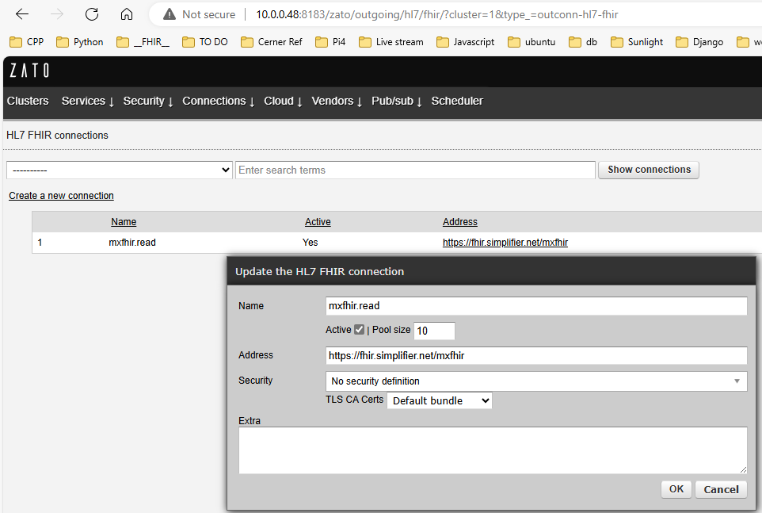
Connecting to FHIR servers | Zato dashboard -> Connections ->HL7 ->FHIR
 | Name: mxfhir.read

Retrieving data from FHIR servers | In Python code, you obtain client connections to FHIR servers through self.out.hl7.fhir objects

 | # Zato from zato.server.service import Service class FHIService1(Service): name = 'demo.fhir.1' def handle(self) -> 'None': # Connection to use conn_name = 'mxfhir.read' with self.out.hl7.fhir[conn_name].conn.client() as client: # This is how we can refer to patients patients = client.resources('Patient') # Get all active patients, sorted by their birth date result = patients.sort('active', '-birthdate') # Log the result that we received for elem in result: self.logger.info('Received -> %s', elem['name'])

 | Invoking the service will store in logs the data expected:

Storing data in FHIR servers | To save information in a FHIR server, create the required resources and call .save to permanently store the data in the server.
 | Resources can be saved either individually (as in the example below) or as a bundle.

Zato FHIR Security
 | https://zato.io/en/docs/3.2/dev/healthcare/hl7/fhir/security/index.html

 | FHIR servers offer their APIs using REST, which in turn means that they are HTTP servers under the hood. As a result, a few common security mechanisms can be employed to secure access to the servers when you invoke them
 | Basic Auth
 | Oauth
 | SSL/TLS encryption

 | Basic Auth and OAuth, when used over HTTP, are mutually exclusive
 | the SSL/TLS encryption is independent of the credentials used and can be employed with Basic Auth, OAuth, or in scenarios when no authorization header is sent at all.

 | Basic Auth:
 | username and password credentials

 | OAuth
 | Authentication with OAuth is built around a notion of short-lived tokens, which are simple strings

Zato(Install from Source)
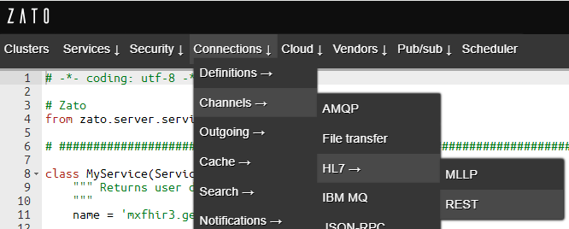
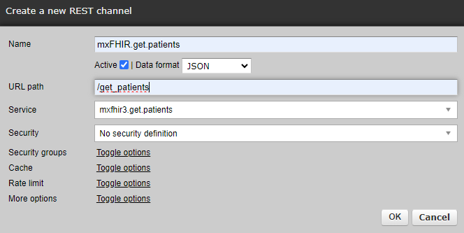
Zato 3.2 | Python API Integration In-Depth Tutorial | Zato

Install from source | Installation from source code | Zato | https://zato.io/en/docs/3.2/admin/guide/install/source.html
 | (1) Check out the source code from GitHub and enter the newly created directory: | https://github.com/zatosource/
 | git clone https://github.com/zatosource/zato && cd zato/code | /home/marvin/zato/code
 |  | export PATH=$PATH:/home/marvin/zato/code/bin
 | (2) Run the installer. If required, it will ask for the password to sudo:
 | ./install.sh

 | (3) Confirm the installation:
 | ./bin/zato --version | Zato 3.2.2024.09.21+rev.4b1a6c5d2-py3.10.12-ubuntu.22.04-jammy

 | Production environments - Quickstart clusters
 | https://zato.io/en/docs/3.2/arch/guide/production/quickstart/index.html
 | zato quickstart | https://zato.io/en/docs/3.2/admin/cli/quickstart.html
 | zato quickstart | Zato

 | Steps to quickly creates a fully operational Zato cluster that can be used for any purposes, from development, testing, up to product production | https://zato.io/en/docs/3.2/admin/cli/quickstart.html
 | (1) cd /home/marvin/zato/code/bin
 | (2) ./zato quickstart create ~/env/prod1
 | $ zato quickstart ~/env/production1 Creating directory `/home/zato/env/production1` [1/8] Certificate authority created [2/8] ODB schema created [3/8] ODB initial data created [4/8] server1 created [5/8] Load-balancer created Superuser created successfully. [6/8] Dashboard created [7/8] Scheduler created [8/8] Management scripts created Quickstart cluster quickstart-663294 created Dashboard user:[admin], password:[<password>] Start the cluster by issuing the /home/zato/env/production1/zato-qs-start.sh command | This example uses an embedded SQLite database by default, which means that the example is self-contained and it does not need any prerequisites

Start Zato servers | Start the Zato servers
 | /home/marvin/env/prod1/zato-qs-start.sh | export PATH=$PATH:/home/marvin/zato/code/bin

 | zato start /path/to/zato-quickstart/load-balancer | /home/marvin/env/prod1/server1
 | zato start /path/to/zato-quickstart/server1 | /home/marvin/env/prod1/server1
 | zato start /path/to/zato-quickstart/server2

 | zato status /path/to/zato-quickstart/server1
 | zato status /path/to/zato-quickstart/server2
 | zato status /path/to/zato-quickstart/load-balancer

 | zato stop /path/to/zato-quickstart/load-balancer
 | zato stop /path/to/zato-quickstart/server1
 | zato stop /path/to/zato-quickstart/server2

 | Zato update password
 | https://zato.io/en/docs/3.2/admin/cli/update-password.html
 | marvin@winter-u2204:~/env/prod1/web-admin$ zato update password ~/env/prod1/web-admin admin 2024-10-02 13:03:25,414 - INFO - 9166:MainThread - UpdatePassword:469 - New password (will not echo): New password again (will not echo): Changing password for user 'admin' OK marvin@winter-u2204:~/env/prod1/web-admin$ | password:123456

Useful Shortcuts
 | http://10.0.048:8183 - this is where your Dashboard is. The default username is "admin" and the password is what you set it to when the environment was starting. | Web dashboard running on http://localhost:8183
 | http://10.0.048:17010 - TCP port 17010 is the default one that servers use, that's where external REST clients connect to by default. There are no default credentials and we'll create some later on. | A load-balancer accepting HTTP connections on http://localhost:11223
 | http://10.0.048:17010/zato/ping - a built-in endpoint that will reply with a pong message. You can use it for checking if your firewalls allow connections to Zato servers. | Server 'server1' accepting HTTP connection on http://localhost:17010

REST API tutorial | https://zato.io/en/docs/3.2/tutorial/01.html
Invoking API services | Go to http://10.0.0.48:8183
 | In the top menu, select Services → IDE, and you'll see the demo service ready to be invoked | ~/env/prod1/server1/work/hot-deploy/current/demo.py

Separating business logic from configuration
 | In Python code, you only refer to connections by their names and the platform knows how to connect to a given resource.

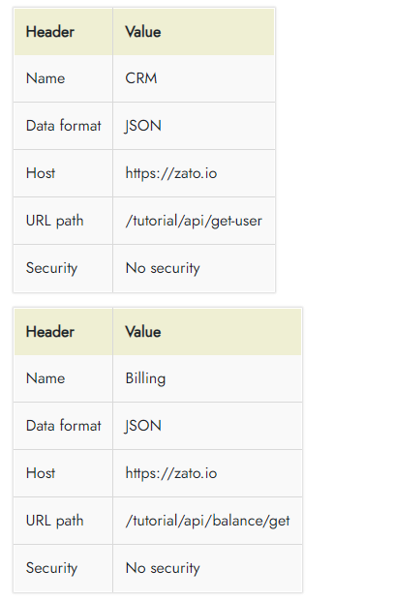
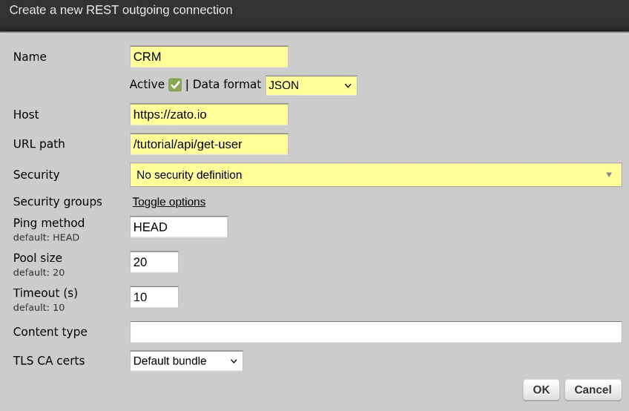
 | you create an SQL, MongoDB, Azure or any other type of connection and Zato will keep a pool of connections around on your behalf, in background, and you don't need to think about that at all.

Connecting to REST endpoints
 | In Dashboard, go to Connections → Outgoing → REST
 | CRM: https://zato.io/tutorial/api/get-user
 | Billing: https://zato.io/tutorial/api/balance/get

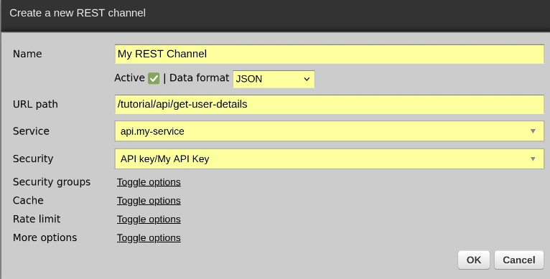
API Security | In Dashboard, go to Security → API Keys.
 | Click Create a new API key and enter "My API Key" as the name of the security definition, then OK to create it.
 | Click Change API key in the newly created API key and enter any value for the key, e.g. let's say it will be "abc", then OK to set it

Creating REST channels
 | In Dashboard, go to Connections → Channels → REST.

 | A channel is a definition of an API endpoint. That's how you make your services available to external callers, to apps and systems that want to make use of your services.

 | /tutorial/api/get-user-details
 | api.my-service
 | API key/My API Key

Invoking REST channels
 | Using Postman
 | http://localhost:17010/tutorial/api/get-user-details
 | API Key Header: X-API-Key
 | API Key Value: abc
 | Sample request: {"name":"Mike"}
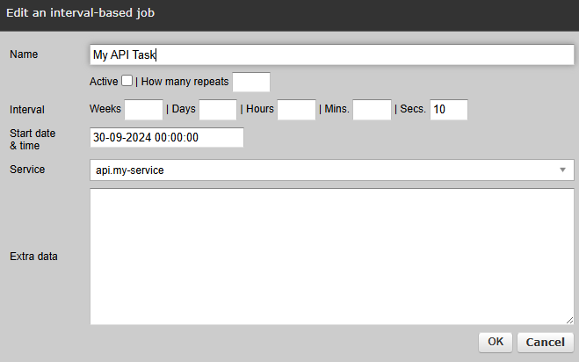
Python task scheduler
 | In Dashboard, go to Scheduler, click Create a new job: interval-based

API testing | Luckily, Zato ships with a tool for API testing in pure English. It's in Python but, in everyday usage, you simply write your API tests in English only.
FHIR testing - Fetch data from https://simplifier.net/mxfhir
 | (1) Open Zato dashboard
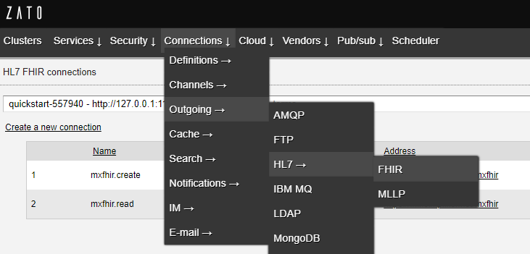
 | 10.0.0.48:8183
 | username: admin
 | password: 123456

 | (2) Create a Http Basic Auth definition
 | Security -> HTTP Basic Auth -> Create a new HTTP Basic Auth Definition
 | Name: mxFHIR.credentials
 | Username: marvinxu
 | Realm: FHIR
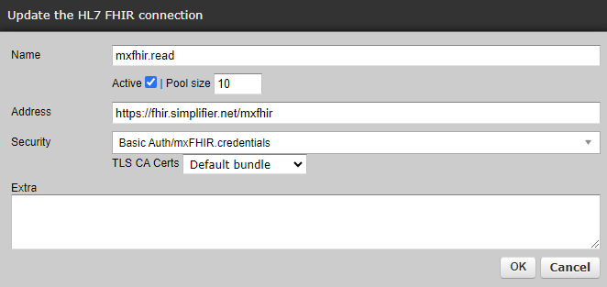
 | Change its password to: weTobin010525

 | (3) Create FHIR connection to https://simplifier.net/mxfhir
 | Connections -> Outgoing -> HL7 -> FHIR
 | Name: mxfhir.read
 | address: https://fhir.simplifier.net/mxfhir
 | Security: Basic Auth/mxFHIR.credentials

 | (4) Create a service to read data from MXFHIR, then pass the patiens back
 | create a Python file at: D:\dDev\Python\__HL7_py\zato\services
 | File name: mxfhir3.py
 | from zato.server.service import Service class MyService(Service): """ Returns user details by the person's name. """ name = 'mxfhir3.get.patients' def handle(self): # Connection to use conn_name = 'mxfhir.read' with self.out.hl7.fhir[conn_name].conn.client() as client: # This is how we can refer to patients patients = client.resources('Patient') # Get all active patients, sorted by their birth date result = patients.sort('active', '-birthdate').fetch() # Log the result that we received for elem in result: self.logger.info('Received -> %s', elem['name']) # Http response self.response.payload = { 'patients': [patient.serialize() for patient in result] } | 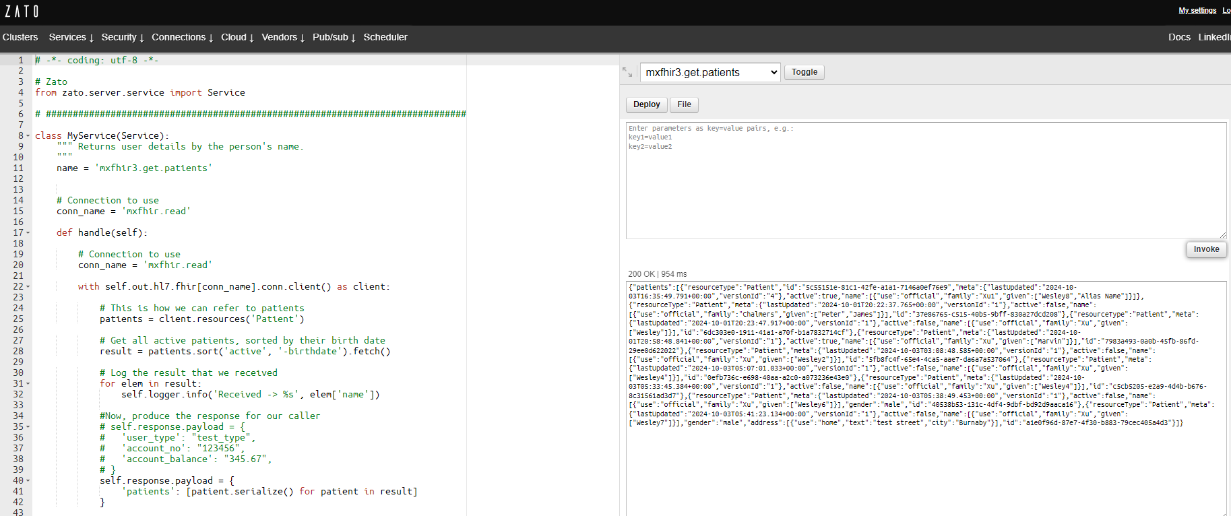
 | Go to Services -> List Services -> Upload services
 | when upload completes, go back to Services -> IDE to test the service works as expected

 | (5) Create a REST channel
 | Connections -> Channels -> HL7 -> REST

Zato API Integration(Docker)
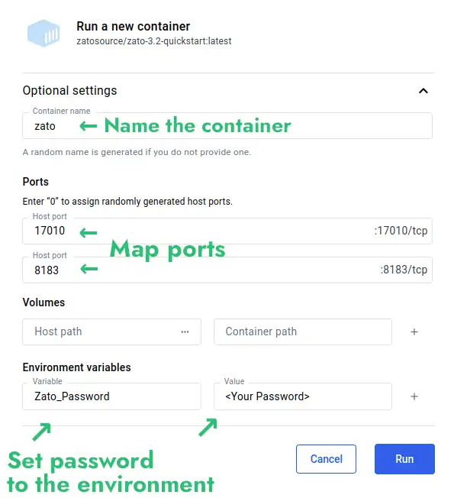
Zato 3.2 | Python API Integration In-Depth Tutorial | Zato

Installation (Docker) | Install Zato (Docker installation page)
 | Docker quickstart installation | Zato
 | (1) Download and install Docker Desktop - 4.34.2
 | (2) Pull in image: zatosource/zato-3.2-quickstart Settings as in screenshot Zato_Password = 12345
 | (3) Dashboard at http://localhost:8183
 | Log in to dashboard with Admin/12345

 | In terms of its implementation, an individual Zato service is a Python class implementing a specific method called self.handle. The service receives input, processes it according to its business requirements, which may involve communicating with other systems, applications or services, and then some output is produced

 | Services accept their input through channels - a channel tells Zato that it should make a particular service available to the outside world using such and such protocol, data format and security definition.
 | For instance, a service can be mounted on independent REST channels, sometimes using API keys and sometimes using Basic Auth. Additionally, each channel type has its own specific pieces of configuration, such as caching, timeouts or other options.

 | Services can invoke other Zato services too - this is just a regular Python method call, within the same Python process. It means that it's very efficient to invoke them - it's simply like invoking another Python function.

 | Services are hot-deployed to Zato servers without server restarts and a service may be made available to its consumers immediately after deployment.

 | During development, the built-in Dashboard is usually used to create and manage channels or other Zato objects. As soon as a solution is ready for DevOps automation and CI/CD pipelines, its can be deployed automatically from the command line or directly from a git clone, which makes it easy to use Zato with tools such as Terraform, Nomad or Ansible

Useful Shortcuts
 | http://localhost:8183 - this is where your Dashboard is. The default username is "admin" and the password is what you set it to when the environment was starting. | Web dashboard running on http://localhost:8183
 | http://localhost:17010 - TCP port 17010 is the default one that servers use, that's where external REST clients connect to by default. There are no default credentials and we'll create some later on. | A load-balancer accepting HTTP connections on http://localhost:11223
 | http://localhost:17010/zato/ping - a built-in endpoint that will reply with a pong message. You can use it for checking if your firewalls allow connections to Zato servers. | Server 'server1' accepting HTTP connection on http://localhost:17010

Invoking API services | Go to http://localhost:8183
 | In the top menu, select Services → IDE, and you'll see the demo service ready to be invoked

Separating business logic from configuration
 | In Python code, you only refer to connections by their names and the platform knows how to connect to a given resource.

 | you create an SQL, MongoDB, Azure or any other type of connection and Zato will keep a pool of connections around on your behalf, in background, and you don't need to think about that at all.

Connecting to REST endpoints
 | In Dashboard, go to Connections → Outgoing → REST

API Security | In Dashboard, go to Security → API Keys.
 | Click Create a new API key and enter "My API Key" as the name of the security definition, then OK to create it.
 | Click Change API key in the newly created API key and enter any value for the key, e.g. let's say it will be "abc", then OK to set it

Creating REST channels
 | In Dashboard, go to Connections → Channels → REST.

 | A channel is a definition of an API endpoint. That's how you make your services available to external callers, to apps and systems that want to make use of your services.

 | /tutorial/api/get-user-details
 | api.my-service
 | API key/My API Key

Invoking REST channels
 | Using Postman
 | http://localhost:17010/tutorial/api/get-user-details
 | API Key Header: X-API-Key
 | API Key Value: abc
 | Sample request: {"name":"Mike"}

Python task scheduler
 | In Dashboard, go to Scheduler, click Create a new job: interval-based

API testing | Luckily, Zato ships with a tool for API testing in pure English. It's in Python but, in everyday usage, you simply write your API tests in English only.

