Wafer-Die information
 | Wafer/ Die Basic Information |  |  |  |  |  |  |  |  | Rev. 0
. Customer name: | The Six Semiconductor Inc.(Openedges) |  |  |  | . Issue date / Rev.: |  | 2022-06-16
. Device name / Rev.: | TSS_LPDDR5TXTC3 | / |  |  | . Application: |  | LPDDR5X PHY Testchip
Wafer information
.Wafer size |  |  |  | .Foundry and Technology node |  |  |  | TSMC N7
.Wafer type | MPW Full wafer |  |  | .Wafer process |  |  |  | Only Typical Typical and Corners
. Original wafer thickness |  |  | um | .Die thickness required for assembly (to be filled by assembly team) |  |  |  |  |  | um
.Wafer material | AI Cu | ...
. Dielectric Metal (Wafer Technology): | Normal, Low K, Ultra-Low K, Other____________
. Wafer tape out date
. Shrinkage factor % (Design vs real chip layout)
* Please fill in the right fileds in below w.r.t die type (Flip chip or Wire bonded)
Die Flip chip information (!!! Silicon dimension !!!)
ATTACH
HERE
. Logo position & actual mark Pattern: | Bump#1 on corner of Upper Left Upper Right Lower Left Lower Right | 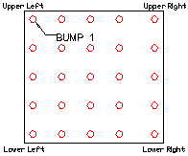 Bump Side Up (top view/side of the wafer) |  |  |  | Die Logo Pattern please precise the location on the chip
. Chip size : | 1700 x 2700 um |  |  | um | . Include scribe line: |  |  | Yes | No
. Size of seal ring |  |  |  | um | . Size of scribe lines |  | X |  | Y | um
.Bump pad coordinate direction | Die face up Die face down |  |  |  | . Die bump number
. Bump Pitch (min.) | 130 |  | um min.
. Bump type | Solder Cu pillar ( on Pad On Trace) |  |  |  |  |  |  | Other _______________
. Bump composition(sn/pb) | 63/37, 5/95, 10/90, RoHS__Sn__Ag__Cu, Other_________
. Bump shape | Circle Oval Other__________ |  |  |  | . UBM size |  | 80 |  |  | um
. Bump size | 66 |  |  | um | . Bump orientation (if applicable - Cu pillar only) |  | Horizontal Vertical Other(Please include picture)
. Bump hight | 66 |  |  | um | . UBM Clearance (if applicable - Cu pillar only) |  |  |  |  | um
. Bump alpha(α) spec | Low alpha: ≦ 0.02 cph/cm2 Ultra low alpha: ≦ 0.002 cph/cm2 No alpha particle concern
Die Wire bond information (Silicon dimension)
ATTACH
HERE
. Logo position & actual mark Pattern: | 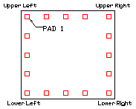 Pad #1 on corner of Die Logo Pattern please precise the location on the chip Upper Left Upper Right Lower Left Lower Right
. Die size: | 21000 X 21000 |  |  | um | . Include scribe line: |  |  | Yes | No
. Size of seal ring |  |  |  | um | . Size of scribe lines |  |  |  |  | um
. Die bondpad pitch (min.) | 1000 |  |  | um | . Die pad to die edge |  |  |  |  | um min
. Die pad opening size (smallest) | X |  |  | um | . Die pad (Al) thickness: |  |  |  |  | um
. Metal finish of die pad (Al / Cu /...)

Please add additional information if need it.

Flip-Chip netlist
 |  |  | Flip Chip Netlist

Please indicate coordinates value before the flip (Die face up)
Coordinates values of ACTUAL chip (not the design) have to correspond to the origin (0;0) i.e., the center of the die
Electrical information: precise differenrtial pairs, Power/GND supply pins, ...

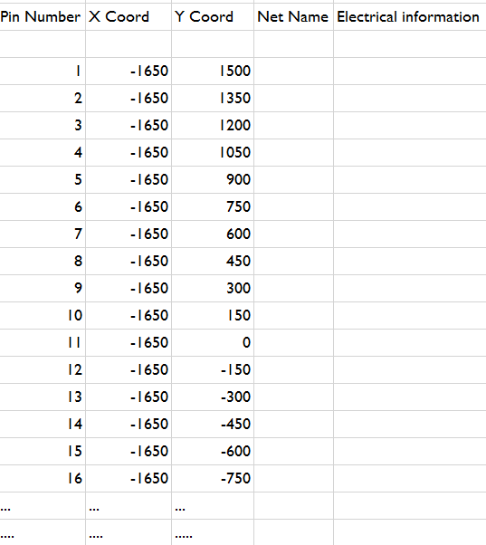
Pin Number | X Coord (design) | Y Coord (design) | X Coord (Actual chip) (if shrinkage % applicable) | Y Coord (Actual chip) (if shrinkage % applicable) | Net Name | Electrical information
 |  |  |  |  |  |  | Example
1 | -216.4 | 108 |  |  | CHA_CA0
2 | -103.8 | 173 |  |  | CHA_CA1
3 | 8.8 | 108 |  |  | CHA_CA2
4 | 8.8 | 368 |  |  | CHA_CA3
5 | -216.4 | 238 |  |  | CHA_CA4
6 | -470.2 | 368 |  |  | CHA_CA5
7 | -103.8 | 303 |  |  | CHA_CA6
8 | -216.4 | 368 |  |  | CHA_CA7
9 | -103.8 | 433 |  |  | CHA_CA8
10 | -602 | 455 |  |  | CHA_CA9
11 | -602 | 170 |  |  | CHA_CK_c | Differential CK_c and CK_t
12 | -470.2 | 108 |  |  | CHA_CK_t | Differential CK_c and CK_t
13 | -602 | 585 |  |  | CHA_CS0
14 | -602 | 715 |  |  | CHA_CS1
15 | -338.4 | 563 |  |  | CHA_CS2
16 | -470.2 | 650 |  |  | CHA_CS3
17 | -103.8 | -477 |  |  | CHA_DMI0
18 | -216.4 | -282 |  |  | CHA_DMI1
19 | -216.4 | -672 |  |  | CHA_DQ0
20 | 8.8 | -672 |  |  | CHA_DQ1
21 | -602 | 40 |  |  | CHA_DQ10
22 | -338.4 | 43 |  |  | CHA_DQ11
23 | 8.8 | -282 |  |  | CHA_DQ12
24 | -470.2 | -412 |  |  | CHA_DQ13
25 | -602 | -350 |  |  | CHA_DQ14
26 | 8.8 | -22 |  |  | CHA_DQ15
27 | -470.2 | -802 |  |  | CHA_DQ2
28 | -602 | -870 |  |  | CHA_DQ3
29 | -216.4 | -412 |  |  | CHA_DQ4
30 | -338.4 | -347 |  |  | CHA_DQ5
31 | 8.8 | -412 |  |  | CHA_DQ6
32 | -103.8 | -737 |  |  | CHA_DQ7
33 | -103.8 | -87 |  |  | CHA_DQ8
34 | -470.2 | -22 |  |  | CHA_DQ9
35 | -470.2 | -672 |  |  | CHA_RDQS0_c | Differential RDQS*_c and RDQS*_t
36 | -338.4 | -607 |  |  | CHA_RDQS0_t | Differential RDQS*_c and RDQS*_t
37 | -602 | -220 |  |  | CHA_RDQS1_c | Differential RDQS*_c and RDQS*_t
38 | -470.2 | -282 |  |  | CHA_RDQS1_t | Differential RDQS*_c and RDQS*_t
39 | -602 | -610 |  |  | CHA_WCK0_c | Differential WCK*_c and WCK*_t
40 | -602 | -740 |  |  | CHA_WCK0_t | Differential WCK*_c and WCK*_t
41 | -470.2 | -152 |  |  | CHA_WCK1_c | Differential WCK*_c and WCK*_t
42 | -338.4 | -217 |  |  | CHA_WCK1_t | Differential WCK*_c and WCK*_t
43 | 487 | 303 |  |  | CHIP_RESETN
44 | -216.4 | 1062 |  |  | CptDrExt
45 | -602 | 987.5 |  |  | DN0
46 | 121.4 | -1257 |  |  | DN1
47 | -602 | 1130 |  |  | DP0
48 | 121.4 | -1127 |  |  | DP1
49 | -470.2 | 932 |  |  | DRAM_RESETN
50 | 364 | 1062 |  |  | GPIO0
51 | 121.4 | 1127 |  |  | GPIO1
52 | 476.6 | 563 |  |  | GPIO10
53 | 617 | 563 |  |  | GPIO11
54 | 476.6 | 433 |  |  | GPIO12
55 | 121.4 | 1257 |  |  | GPIO13
56 | 251.4 | 1257 |  |  | GPIO14
57 | 476.6 | 1257 |  |  | GPIO15
58 | 617 | 1127 |  |  | GPIO16
59 | 476.6 | 997 |  |  | GPIO17
60 | 476.6 | 1127 |  |  | GPIO18
61 | 364 | 1192 |  |  | GPIO19
62 | 476.6 | 865 |  |  | GPIO2
63 | -103.8 | 1127 |  |  | GPIO20
64 | -216.4 | 932 |  |  | GPIO21
65 | 251.4 | 1127 |  |  | GPIO22
66 | 752 | 867 |  |  | GPIO23
67 | 617 | 867 |  |  | GPIO24
68 | -103.8 | 997 |  |  | GPIO25
69 | 251.4 | 997 |  |  | GPIO26
70 | 121.4 | 997 |  |  | GPIO27
71 | 251.4 | 867 |  |  | GPIO28
72 | 251.4 | 737 |  |  | GPIO29
73 | 364 | 932 |  |  | GPIO3
74 | 8.8 | 802 |  |  | GPIO30
75 | -103.8 | 867 |  |  | GPIO31
76 | -103.8 | 737 |  |  | GPIO32
77 | -216.4 | 802 |  |  | GPIO33
78 | 8.8 | 1062 |  |  | GPIO4
79 | 364 | 802 |  |  | GPIO5
80 | 476.6 | 732 |  |  | GPIO6
81 | 8.8 | 932 |  |  | GPIO7
82 | 121.4 | 867 |  |  | GPIO8
83 | 8.8 | 650 |  |  | GPIO9
84 | -216.4 | 1192 |  |  | ParPrD
85 | -338.4 | 1257 |  |  | ParTdr
86 | 747 | 173 |  |  | PWR18 | POWER PIN
87 | -757 | 870 |  |  | PWRIOC | POWER PIN
88 | -602 | 312.5 |  |  | PWRIOC | POWER PIN
89 | -602 | -90 |  |  | PWRIOC | POWER PIN
90 | -602 | -480 |  |  | PWRIOC | POWER PIN
91 | -470.2 | -542 |  |  | PWRIOC | POWER PIN
92 | -602 | -1000 |  |  | PWRIOC | POWER PIN
93 | 617 | 737 |  |  | PWRIOC_GPIO | POWER PIN
94 | 617 | 997 |  |  | PWRIOC_GPIO | POWER PIN
95 | 374.4 | -22 |  |  | PWRIOC_TST | POWER PIN
96 | 374.4 | -542 |  |  | PWRIOC_TST | POWER PIN
97 | 374.4 | -932 |  |  | PWRIOC_TST | POWER PIN
98 | 487 | -737 |  |  | PWRIOC_TST | POWER PIN
99 | 487 | -1257 |  |  | PWRIOC_TST | POWER PIN
100 | 617 | -997 |  |  | PWRIOC_TST | POWER PIN
101 | -757 | 585 |  |  | PWRIOH_1 | POWER PIN
102 | -757 | 715 |  |  | PWRIOH_1 | POWER PIN
103 | -470.2 | -932 |  |  | PWRIOH_2 | POWER PIN
104 | 617 | 433 |  |  | PWRIOH_GPIO | POWER PIN
105 | 617 | -607 |  |  | PWRIOH_TST | POWER PIN
106 | -757 | -90 |  |  | PWRIOL | POWER PIN
107 | -757 | -480 |  |  | PWRIOL | POWER PIN
108 | -757 | -870 |  |  | PWRIOL | POWER PIN
109 | 617 | -217 |  |  | PWRIOL_TST | POWER PIN
110 | 617 | -347 |  |  | PWRIOQ_TST | POWER PIN
111 | 617 | -737 |  |  | PWRIOQ_TST | POWER PIN
112 | 617 | -1127 |  |  | PWRIOQ_TST | POWER PIN
113 | 617 | 43 |  |  | REFCLK1
114 | 487 | 43 |  |  | REFCLK2
115 | -338.4 | 1127 |  |  | ShftDrExt
116 | -338.4 | 997 |  |  | Strp1E0TC
117 | -338.4 | 867 |  |  | StrpPLLPD
118 | -470.2 | 1062 |  |  | StrpSelPLLClk
119 | 617 | 303 |  |  | TCK
120 | 374.4 | 238 |  |  | TDI
121 | 617 | 173 |  |  | TDO
122 | 487 | 173 |  |  | TMS
123 | -757 | 1000 |  |  | TST0
124 | 747 | -217 |  |  | TST0_DQ0
125 | 487 | -217 |  |  | TST0_DQ1
126 | 487 | -347 |  |  | TST0_DQ2
127 | 374.4 | -282 |  |  | TST0_DQ3
128 | 487 | -477 |  |  | TST0_RCK_c | Differential CK_c and CK_t
129 | 747 | -477 |  |  | TST0_RCK_t | Differential CK_c and CK_t
130 | 747 | -607 |  |  | TST0_WCK_c | Differential WCK*_c and WCK*_t
131 | 617 | -477 |  |  | TST0_WCK_t | Differential WCK*_c and WCK*_t
132 | 374.4 | -1192 |  |  | TST1_DQ0
133 | 374.4 | -1062 |  |  | TST1_DQ1
134 | 487 | -1127 |  |  | TST1_DQ2
135 | 487 | -997 |  |  | TST1_DQ3
136 | 487 | -867 |  |  | TST1_RCK_c | Differential CK_c and CK_t
137 | 617 | -867 |  |  | TST1_RCK_t | Differential CK_c and CK_t
138 | 747 | -867 |  |  | TST1_WCK_c | Differential WCK*_c and WCK*_t
139 | 747 | -997 |  |  | TST1_WCK_t | Differential WCK*_c and WCK*_t
140 | 374.4 | -152 |  |  | TST2_CK_c | Differential CK_c and CK_t
141 | 487 | -87 |  |  | TST2_CK_t | Differential CK_c and CK_t
142 | 747 | -87 |  |  | TST2_PMB0
143 | 617 | -87 |  |  | TST2_PMB1
144 | -470.2 | 1192 |  |  | UpdDrExt
145 | -470.2 | 802 |  |  | VDD | POWER PIN
146 | -338.4 | 173 |  |  | VDD | POWER PIN
147 | 121.4 | 737 |  |  | VDD | POWER PIN
148 | 121.4 | 433 |  |  | VDD | POWER PIN
149 | 121.4 | 173 |  |  | VDD | POWER PIN
150 | 121.4 | -87 |  |  | VDD | POWER PIN
151 | 121.4 | -347 |  |  | VDD | POWER PIN
152 | 121.4 | -607 |  |  | VDD | POWER PIN
153 | 121.4 | -867 |  |  | VDD | POWER PIN
154 | -103.8 | 1257 |  |  | VDD | POWER PIN
155 | -602 | 845 |  |  | VDD | POWER PIN
156 | 251.4 | 433 |  |  | VDD | POWER PIN
157 | 261.8 | 173 |  |  | VDD | POWER PIN
158 | 261.8 | -87 |  |  | VDD | POWER PIN
159 | 261.8 | -347 |  |  | VDD | POWER PIN
160 | 261.8 | -607 |  |  | VDD | POWER PIN
161 | 261.8 | -867 |  |  | VDD | POWER PIN
162 | 261.8 | -1127 |  |  | VDD | POWER PIN
163 | 364 | 650 |  |  | VDD | POWER PIN
164 | 364 | 368 |  |  | VDD | POWER PIN
165 | 374.4 | 108 |  |  | VDD | POWER PIN
166 | 374.4 | -672 |  |  | VDD | POWER PIN
167 | 747 | 433 |  |  | VDD | POWER PIN
168 | -470.2 | 498 |  |  | VDD | POWER PIN
169 | -470.2 | -1062 |  |  | VDD | POWER PIN
170 | -338.4 | 303 |  |  | VDD | POWER PIN
171 | -338.4 | -87 |  |  | VDD | POWER PIN
172 | -338.4 | -477 |  |  | VDD | POWER PIN
173 | -338.4 | -737 |  |  | VDD | POWER PIN
174 | -338.4 | -997 |  |  | VDD | POWER PIN
175 | -338.4 | -1257 |  |  | VDD | POWER PIN
176 | -216.4 | -932 |  |  | VDD | POWER PIN
177 | -216.4 | -1192 |  |  | VDD | POWER PIN
178 | -103.8 | 43 |  |  | VDD | POWER PIN
179 | -103.8 | -347 |  |  | VDD | POWER PIN
180 | -103.8 | -607 |  |  | VDD | POWER PIN
181 | -103.8 | -867 |  |  | VDD | POWER PIN
182 | 8.8 | 498 |  |  | VDD | POWER PIN
183 | 8.8 | -152 |  |  | VDD | POWER PIN
184 | 8.8 | -1062 |  |  | VDD | POWER PIN
185 | 8.8 | -1192 |  |  | VDD | POWER PIN
186 | -630 | 1257 |  |  | VSS | GROUND PIN
187 | -757 | 430 |  |  | VSS | GROUND PIN
188 | -757 | 170 |  |  | VSS | GROUND PIN
189 | -757 | 40 |  |  | VSS | GROUND PIN
190 | -757 | -220 |  |  | VSS | GROUND PIN
191 | -757 | -350 |  |  | VSS | GROUND PIN
192 | -757 | -610 |  |  | VSS | GROUND PIN
193 | -757 | -740 |  |  | VSS | GROUND PIN
194 | -757 | -1000 |  |  | VSS | GROUND PIN
195 | -757 | -1130 |  |  | VSS | GROUND PIN
196 | -630 | -1257 |  |  | VSS | GROUND PIN
197 | -602 | -1130 |  |  | VSS | GROUND PIN
198 | -470.2 | 238 |  |  | VSS | GROUND PIN
199 | -470.2 | -1192 |  |  | VSS | GROUND PIN
200 | -338.4 | 433 |  |  | VSS | GROUND PIN
201 | -338.4 | -867 |  |  | VSS | GROUND PIN
202 | -216.4 | -22 |  |  | VSS | GROUND PIN
203 | -216.4 | -542 |  |  | VSS | GROUND PIN
204 | -216.4 | -802 |  |  | VSS | GROUND PIN
205 | -216.4 | -1062 |  |  | VSS | GROUND PIN
206 | -103.8 | -217 |  |  | VSS | GROUND PIN
207 | -103.8 | -997 |  |  | VSS | GROUND PIN
208 | -103.8 | -1127 |  |  | VSS | GROUND PIN
209 | -103.8 | -1257 |  |  | VSS | GROUND PIN
210 | 8.8 | 238 |  |  | VSS | GROUND PIN
211 | 8.8 | -542 |  |  | VSS | GROUND PIN
212 | 8.8 | -802 |  |  | VSS | GROUND PIN
213 | 8.8 | -932 |  |  | VSS | GROUND PIN
214 | -338.4 | 737 |  |  | VSS | GROUND PIN
215 | 121.4 | 563 |  |  | VSS | GROUND PIN
216 | 121.4 | 303 |  |  | VSS | GROUND PIN
217 | 121.4 | 43 |  |  | VSS | GROUND PIN
218 | 121.4 | -217 |  |  | VSS | GROUND PIN
219 | 121.4 | -477 |  |  | VSS | GROUND PIN
220 | 121.4 | -737 |  |  | VSS | GROUND PIN
221 | 121.4 | -997 |  |  | VSS | GROUND PIN
222 | -103.8 | 563 |  |  | VSS | GROUND PIN
223 | 251.4 | 563 |  |  | VSS | GROUND PIN
224 | 251.4 | 303 |  |  | VSS | GROUND PIN
225 | 261.8 | 43 |  |  | VSS | GROUND PIN
226 | 261.8 | -217 |  |  | VSS | GROUND PIN
227 | 261.8 | -477 |  |  | VSS | GROUND PIN
228 | 261.8 | -737 |  |  | VSS | GROUND PIN
229 | 261.8 | -997 |  |  | VSS | GROUND PIN
230 | 261.8 | -1257 |  |  | VSS | GROUND PIN
231 | 364 | 498 |  |  | VSS | GROUND PIN
232 | 374.4 | -412 |  |  | VSS | GROUND PIN
233 | 374.4 | -802 |  |  | VSS | GROUND PIN
234 | 487 | -607 |  |  | VSS | GROUND PIN
235 | 617 | -1257 |  |  | VSS | GROUND PIN
236 | 752 | 737 |  |  | VSS | GROUND PIN
237 | 752 | 997 |  |  | VSS | GROUND PIN
238 | 752 | 563 |  |  | VSS | GROUND PIN
239 | 747 | 303 |  |  | VSS | GROUND PIN
240 | 747 | 43 |  |  | VSS | GROUND PIN
241 | 747 | -347 |  |  | VSS | GROUND PIN
242 | 747 | -737 |  |  | VSS | GROUND PIN
243 | 747 | -1127 |  |  | VSS | GROUND PIN
244 | -216.4 | -152 |  |  | VSS | GROUND PIN
245 | -757 | 300 |  |  | VSS | GROUND PIN
246 | -757 | 1130 |  |  | VSS | GROUND PIN
247 | 8.8 | 1192 |  |  | VSS | GROUND PIN
248 | 630 | 1257 |  |  | VSS | GROUND PIN
249 | 757 | 1130 |  |  | VSS | GROUND PIN
250 | -216.4 | 650 |  |  | VSS | GROUND PIN
251 | -216.4 | 498 |  |  | VSS | GROUND PIN
252 | -338.4 | -1127 |  |  | ZCAL
253
254
255
256
257
258
259
260
261
262
263
264
265
266
267
268
269
270
271
272
273
274
275
276
277
278
279
280
281
282
283
284
285
286
287
288
289
290
291
292
293
294
295
296
297
298
299
300
301
302
303
304
305
306
307
308
309
310
311
312
313
314
315
316
317
318
319
320
321
322
323
324
325
326
327
328
329
330
331
332
333
334
335
336
337
338
339
340
341
342
343
344
345
346
347
348
349
350
351
352
353
354
355
356
357
358
359
360
361
362
363
364
365
366
367
368
369
370
371
372
373
374
375
376
377
378
379
380
381
382
383
384
385
386
387
388
389
390
391
392
393
394
395
396
397
398
399
400
401
402
403
404
405
406
407
408
409
410
411
412
413
414
415
416
417
418
419
420
421
422
423
424
425
426
427
428
429
430
431
432
433
434
435
436
437
438
439
440
441
442
443
444
445
446
447
448
449
450
451
452
453
454
455
456
457
458
459
460
461
462
463
464
465
466
467
468
469

Ballout matrix
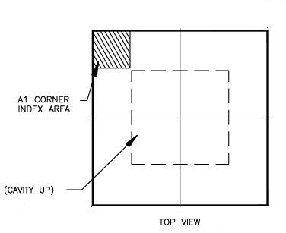
Ballout Netlist

JEDEC norm is mandatory (ball-out naming convention is seen through package - balls face down)
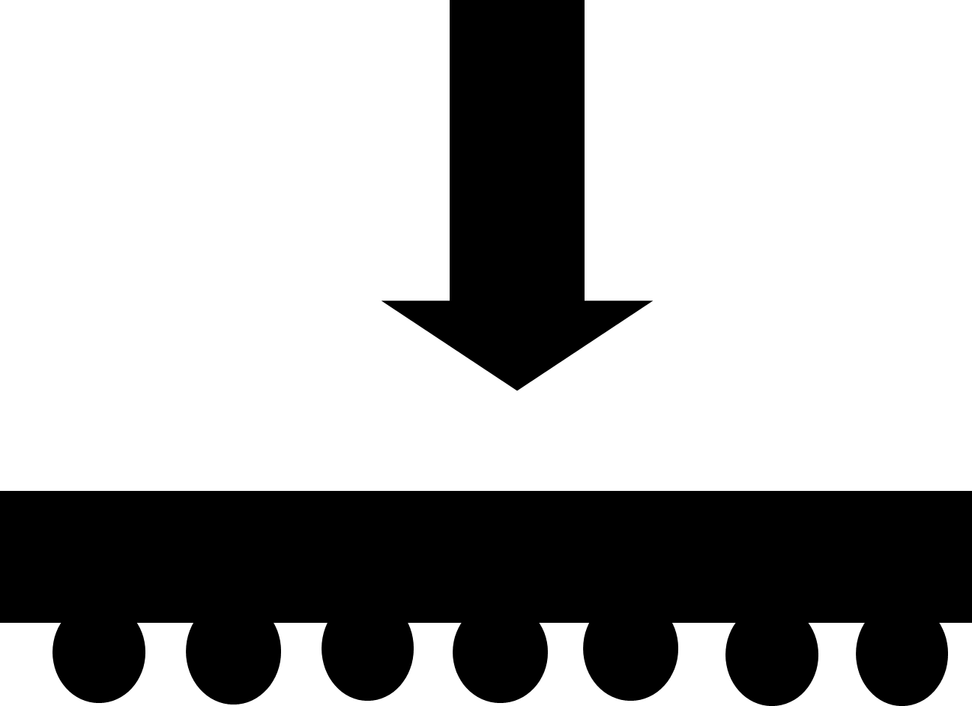
Ball Netname must be identical to Netname in wirebond or flip-chip netlist sheets
Coordinates values have to correspond to the origin (0;0) i.e., the center of the die

Please fill in ballout matrix (example) is not mandatory - Free ball assignment is preferred

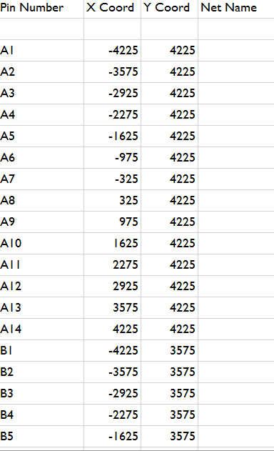
Pin Number | Net Name | Ball Fix (Y/N?) | X Coord | Y Coord | Example: |  | 1 | 2 | 3 | 4 | 5 | 6 | 7 | 8 | 9 | 10 | 11 | 12 | 13 | 14 | 15 | 16 | 17 | 18 | 19 | 20
 |  |  |  |  |  | U | VSS | VSS | GPIO20 | GPIO17 | GPIO23 | GPIO24 | GPIO22 | GPIO21 | GPIO14 | GPIO15 | DN0 | VSS | GPIO13 | GPIO12 | GPIO6 | GPIO7 | GPIO5 | GPIO4 | VSS | VSS | U
A1 |  |  |  |  |  | T | GPIO32 | GPIO19 | GPIO16 | VSS | GPIO11 | GPIO10 | VSS | GPIO8 | GPIO9 | VSS | DP0 | VSS | VSS | GPIO3 | GPIO2 | VSS | GPIO0 | GPIO1 | ParPrD | ParTdr | T
A2 |  |  |  |  |  | S | GPIO25 | GPIO27 | VDD_GPIO | VDD_GPIO | VDD_GPIO | VSS | VDD | VSS | VDD | VSS | VSS | VDDIO | VSS | VDDIO | VSS | VDDQ | VSS | VDDQ | CptDrExt | ShftDrExt | S
... |  |  |  |  |  | R | GPIO33 | VSS | VDD_GPIO | VDD_GPIO | VDD_GPIO | VDD | VSS | VDD | VSS | VDD | VSS | VDDIO | VDDIO | VSS | VDDIO | VSS | VDDQ | VSS | VSS | UpdDrExt | R
 |  |  |  |  |  | Q | GPIO31 | GPIO26 | VSS | VSS | VDD | VSS | VDD | VSS | VDD | VSS | VDDIO | VDDIO | VSS | VDDIO | VSS | VDDQ | VSS | VDDQ | Strp1E0TC | StrpPLLClk | Q
 |  |  |  |  |  | P | GPIO30 | VSS | VSS | VDD | VSS | VDD | VSS | VDD | VSS | VDD | VSS | VSS | VDDIO | VSS | VDDIO | VSS | VDDQ | VSS | StrpPLLPD | VSS | P
 |  |  |  |  |  | O | GPIO28 | GPIO18 | VDD18 | VSS | VDD | VSS | VDD | VSS | VDD | VSS | VDDIO | VDDIO | VSS | VDDIO | VSS | VDDQ | VSS | VDDQ | VSS | VDDQ | O
 |  |  |  |  |  | N | CHIP_RESETN | GPIO29 | VDD18 | VDD | VSS | VDD | VSS | VDD | VSS | VDD | VSS | VSS | VDDIO | VSS | VDDIO | VSS | VDDQ | VSS | VDDQ | VSS | N
 |  |  |  |  |  | M | TCK | VSS | TDI | TMS | VDD | VSS | VDD | VSS | VDD | VSS | VDDIO | VDDIO | VSS | VDDIO | VSS | VDDQ | VSS | VDDQ | VSS | TST0 | M
 |  |  |  |  |  | L | VSS | VDD18 | VDD18 | TDO | VSS | VDD | VSS | VDD | VSS | VDD | VSS | VDDIO | VDDIO | DRAM_RESETN | VDDQ | VSS | VDDQ | VSS | VSS | VSS | L
 |  |  |  |  |  | K | REFCLK1 | VSS | REFCLK2 | VSS | VDD | VSS | VDD | VSS | VDD | VSS | VDDIO | VSS | CHA_CS2 | VSS | CHA_CS0 | VSS | VSS | CHA_DQ10 | VSS | CHA_DQ15 | K
 |  |  |  |  |  | J | VSS | TST2_CK_c | VSS | VDD | VSS | VDD | VSS | VDD | VSS | VDD | VSS | VDDIO | VSS | CHA_CS3 | VSS | CHA_WCK1_c | CHA_WCK1_t | VSS | CHA_DQ11 | VSS | J
 |  |  |  |  |  | H | TST2_PMB1 | VSS | TST2_CK_t | VSS | VDD | VSS | VDD | VSS | VDD | VSS | VDDIO | VSS | CHA_CS1 | VSS | CHA_CA9 | VSS | VSS | CHA_DQ8 | VSS | CHA_DQ9 | H
 |  |  |  |  |  | G | VSS | TST2_PMB0 | VSS | VDDQL_TST | VSS | VDD | VSS | VDD | VSS | VDD | VSS | VDDIO | VSS | CHA_CA8 | VSS | CHA_RDQS1_c | CHA_RDQS1_t | VSS | VSS | VSS | G
 |  |  |  |  |  | F | TST0_DQ0 | VSS | TST0_DQ1 | VSS | VDD | VSS | VDD | VSS | VDD | VSS | VDDPLL | VSS | CHA_CA7 | VSS | CHA_CA5 | VSS | VSS | CHA_DQ12 | VSS | CHA_DMI1 | F
 |  |  |  |  |  | E | TST0_DQ2 | VSS | TST0_DQ3 | VDDQL_TST | VSS | VDD | VSS | VDD | VSS | VDD | VSS | VDDIO | VSS | CHA_CA3 | VSS | CHA_WCK0_t | CHA_WCK0_c | VSS | CHA_DQ14 | VSS | E
 |  |  |  |  |  | D | TST0_RCK_t | TST0_RCK_c | VSS | VSS | VDDIO_TST | VSS | VDDIO_TST | VSS | VDD | VSS | VDDPLL | VSS | CHA_CA6 | VSS | CHA_CA4 | VSS | VSS | VSS | CHA_DQ5 | CHA_DQ13 | D
 |  |  |  |  |  | C | VDDQ_TST | VDDQ_TST | VSS | VDDIO_TST | VSS | VDDIO_TST | VSS | VDDIO_TST | VSS | VSS | VSS | VDDIO | VSS | CHA_CK_t | CHA_CK_c | VSS | CHA_RDQS0_t | CHA_RDQS0_c | VSS | CHA_DQ6 | C
 |  |  |  |  |  | B | TST0_WCK_t | TST0_WCK_c | TST1_WCK_c | VSS | TST1_RCK_c | VSS | TST1_DQ3 | TST1_DQ1 | VDDIO_TST | DN1 | VDDPLL | VSS | CHA_CA1 | VSS | CHA_DQ2 | CHA_DQ3 | VSS | VSS | CHA_DMI0 | CHA_DQ4 | B
 |  |  |  |  |  | A | VSS | VSS | TST1_WCK_t | VSS | TST1_RCK_t | VSS | TST1_DQ2 | VSS | TST1_DQ0 | DP1 | ZCAL | VSS | CHA_CA0 | CHA_CA2 | CHA_DQ7 | VSS | CHA_DQ0 | CHA_DQ1 | VSS | VSS | A
 |  |  |  |  |  |  | 1 | 2 | 3 | 4 | 5 | 6 | 7 | 8 | 9 | 10 | 11 | 12 | 13 | 14 | 15 | 16 | 17 | 18 | 19 | 20

Wirebonding netlist
 |  |  | Wirebond Netlist

Coordinates values of ACTUAL chip (not the design) have to correspond to the origin (0;0) i.e., the center of the die
Electrical information: precise differenrtial pairs, Power/GND supply pins, ...

Pin Number | X Coord (design) | Y Coord (design) | X Coord (Actual chip) (if shrinkage % applicable) | Y Coord (Actual chip) (if shrinkage % applicable) | Die pad opening size | Rotation (for non-square bondpads) | Net Name | Electrical information

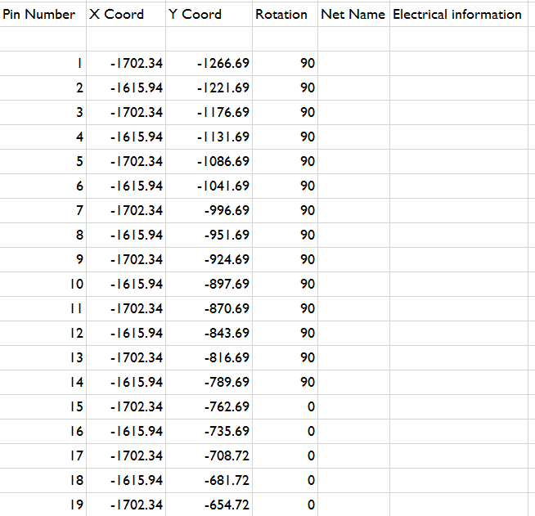
1
2 |  |  |  |  |  |  |  |  | Example:
3
4
5
6
7
8
9
10
...

