Sheet1
Car Rental Inspection Sheet |  |  |  |  | CAMS GROUP

Customer Details |  |  |  |  | CAMS Ltd, 25-39 Small Heath Highway |  |  |  | Our Ref: | ${Refernece}
 |  |  |  |  | Birmingham, B10 0EU
Customer Name: | ${ClientName}

Address: | ${address_home} |  |  |  |  |  | Central Accident Management Services Ltd
 |  |  |  |  |  |  | T: 0121 766 7515 |  | E: claims@camsna.co.uk
 |  |  |  |  |  |  | VAT GB: 896 128 091

 |  |  |  |  |  |  | Nationwide Assist Ltd
 |  |  |  |  |  |  | T: 0121 766 7515 |  | E: claims@camsna.co.uk
Postcode: | ${Postcode} |  |  |  |  |  | VAT GB: 116 932 907

Tel: | ${Tel_no}

Vehicle Make/Model: |  |  |  |  | Vehicle Reg Number:

Check Out |  |  |  |  | Check In

Date: |  |  |  |  | Date:

Time: |  | Fuel Range (miles): |  |  | Time: |  |  | Fuel Range (miles):

Mileage: |  | Adblu Range (miles): |  |  | Mileage: |  |  | Adblu Range (miles):

Dash Cam Recording? |  | Original SD Card? |  |  | Dash Cam Recording? |  |  | Original SD Card?

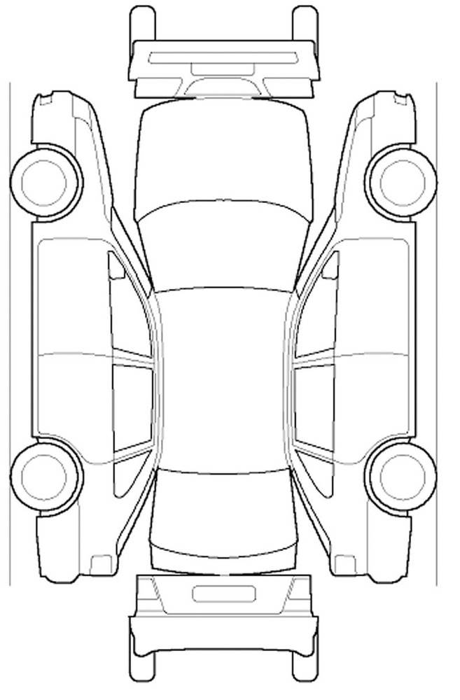

Tread:
Tread:
Tread:
Tread:

Tread:
Tread:
Tread:
Tread:

Key: |  |  |  |  | Key:

Scratch: | Dent: |  |  |  | Scratch: |  | Dent:
Chip: | Broken: |  |  |  | Chip: |  | Broken:

Spare Wheel Included: |  | Repair Kit Included: |  |  | Spare Wheel Included: |  |  | Repair Kit Included:
All Tools Included: |  | Fire Extinguisher Included: |  |  | All Tools Included: |  |  | Fire Extinguisher Included:
Locking Wheel Nut Included: |  | First Aid Kit Included: |  |  | Locking Wheel Nut Included: |  |  | First Aid Kit Included:

Damage Description - Check In |  |  |  |  | Damage Description - Check In
Valeted: YES / NO |  |  |  |  | Valeted: YES / NO |  | Original Reg Plate: |  | Yes/No

I accept that the vehicle is in the condition indicated on this form |  |  |  |  | I accept that the vehicle is in the condition indicated on this form

Signed |  |  |  |  | Signed

Print Name |  |  |  |  | Print Name

Checked By |  |  |  |  | Checked By

Please be aware you will be charged if the vehicle is not returned in the same condition as it was given.

REPAIRER PRICE MATRIX

Panel Type | Damage Type |  | Repair Required | Price (excl VAT) |  | Additional Notes
Front Bumper | Deep scratches/scuffs Light/medium scratches |  | Respray | £140.00 to £150.00 + £25.00 Admin Fee

Bonnet | Dent |  | Repair Required | £25.00 to £40.00 + £25.00 Admin Fee

Bonnet | Scratches/deep scuffs |  | Respray | £200.00 to £225.00 + £25.00 Admin Fee

N/Side - O/Side Wing Panels | Dents/Scratches/Scuffs |  | Repair Repair & respray | £25.00 to £40.00 £100.00 to £125.00 + Admin Fee |  | **Please note: Cost may increase if dent requires further paint to adjacent panel in order to blend.

Door - O/Side F/R & N/Side F/R | Dents/Scratches/Scuffs |  | Repair Repair & respray | £25.00 to £40.00 + Admin Fee

Alloy Wheel | Scratches/scuffs/dents |  | Repair & respray | £55.00 to £180.00 + £15.00 Admin Fee |  | ***Please note: Cost will increase where alloy is polished.

Tyres | Cuts/punctures |  | Repair/replace | £ P.O.A*** + £25.00 |  | ***Please note: Cost will increase if tyre requires replacing.

Vehicle Interior | Rips/tears/stains/marks |  | Repair Clean | £100.00 - £200.00 + £25.00 Admin Fee |  | ***Please note: Cost will increase where trim requires replacing.

Windscreen/Vehicle Glass | Chips/cracks/scratches |  | Repair/replace | £45.00 to £P.O.A*** + £15.00 Admin Fee |  | ***Please note: Cost will increase where replacement is necessary.

Fuel | Missing fuel |  | Fuel replacement | Pump price on the day + £15.00 Admin Fee |  | ***Please note: Cost will increase/decrease in line with Fuel Prices daily.

Driver Responsibilities

1. In the event of any incidents of any nature involving our vehicle you, the driver and signatory detailed below must contact the 24 hour notification line within 1 hour on
0800 4101 999 / 0121 766 7515. Incidents can include but are not limited to;
- Fault and Non-Fault Accidents
- Mechanical Breakdown
- Windscreen or Window Damage
- Theft and Fire Damage
- Vandalism
- Puncture
- Interior and Exterior Accidental Damage
2. In the event of any service or warning lights appearing on the vehicle instrument panel you the driver and signatory must contact the 24 hours notification line on
0800 4101 999 / 0121 766 7515 immediately.
3. Due Care and attention must be observed at all times.
4. Any accessories, equipment, parts, and/or tools provided with the vehicle shall be used with reasonable care.
5. No accessories, equipment, parts, and/or tools are permitted to be removed, replaced or exchanged and will be returned in the condition as it was given to you the
driver and signatory.
6. Any mis-fuelling of the vehicle should be reported immediately to Central Accident Management/Nationwide Assist/TFS Vehicle Leasing by calling
0800 4101 999 / 0121 766 7515.
7. You will return the vehicle with the same fuel level as it was given to you.
8. You will return the vehicle in the same clean condition, interior and exterior, as it was given to you the driver and signatory.
9. You agree to and will show due care and attention to all tyres on or in the vehicle.
In the event of any damage to any of the tyres other than general wear and tear, you will replace the damaged tyre with a new for old tyre of the same make, tyre type,
speed rating, manufacturer, size and quality. In the event that you cannot obtain a similar tyre you must contact the 24 hour notification line on
0800 4101 999 / 0121 766 7515.
- Any excessive wear to any of the tyres on or in the vehicle will be chargeable to the signatory below.
Tyre pressure should be kept at manufacturer’s recommended pressures in order to avoid damage and undue wear of which you, the driver are responsible for whilst
in your care.
10. In car Entertainment, Telephones, Nav Systems and Radio Equipment must be intact and operate correctly upon return of the vehicle.
11. Any suspected vehicle underside damage should be reported to Central Accident Management/Nationwide Assist/ TFS Vehicle Leasing immediately.
12. If you are intending on going on holiday during the hire period with or without the hire vehicle you must and will give Central Accident Management/Nationwide Assist
/TFS Vehicle Leasing at least 72 hour notice and obtain any necessary permissions and consent.
13. All vehicles are fitted with a telematics device to record accidents and driver behaviour. Should a driver break the speed limit the telematics unit fitted to our car will
notify us by email of a ‘Speeding Alert’. Upon receiving this alert we will follow the warning and fine procedure as set out below;

Your Vehicle Telematics device & charges

i) 1st Speeding Alert | A text message will be sent to your mobile phone advising you a speeding alert has been received as you have exceeded the speed limit and to
refrain from speeding in future
ii) 2nd Speeding Alert | You will receive a telephone call from our Fleet department advising you have had a 2nd speeding alert and to refrain from speeding in the future
iii) 3rd Speeding Alert | A fine of £5.00 for each mile per hour recorded over the legal speed limit, per speeding alert will be payable by you the driver e.g speeding alert
recorded at 85 mph in a 70 speed limit, limit exceeded by 15 mph at £5.00 per mph equalling £75 speeding fine payable by you the driver to us
iv) Subsequent Speeding Alerts | Point iii) will be repeated and your vehicle provision will be reviewed with a view to removing you from hire
14. Under the Health Act 2006, (with effect from July 2007) it is a criminal offence to smoke in any premises used as a place of work, or inside any vehicles used for work.
CAMS Group will therefore operate a ‘no smoking’ policy within all its vehicles under its control. Smoking is not permitted in Private Hire Vehicles at any time, regardless of
whether there are passengers on board, or the driver is working at the time. All Private Hire Vehicles must have on display a legal no smoking sign.

