Sheet1
Vehicle Inspection Sheet |  |  |  |  | SKYLINE CAR HIRE

Customer Details |  |  |  |  |  |  |  |  | Our Ref: | SK-HR-0042

Customer Name: |  | Daniel O'Connor
 |  |  |  |  | T: 0330 0106 999
Address:
 |  |  |  |  | E: sales@skylinecarhire.co.uk

 |  |  |  |  | Skyline Car Hire (UK) Ltd, 22, Church Lane, London, E11 1HG.

 |  |  |  |  | Website www.skylinecarhire.co.uk.
Postcode:
 |  |  |  |  | Skyline Car Hire (UK) Ltd are registered in England & Wales under
 |  |  |  |  | company number 08456947.
Tel:

Vehicle Make/Model: |  | FORD GALAXY |  |  | Vehicle Reg Number: |  | EN22JJV

Vehicle Inspection

Date: | 18/08/2026 |  |  |  | Date: | 09/09/2026

Time: |  |  |  |  |  | 01:00 |  | Fuel Range (miles):

Mileage: | 39022 |  |  |  |  | 46209 |  | Adblu Range (miles):

Dash Cam Recording? |  |  |  |  |  |  |  | Original SD Card?

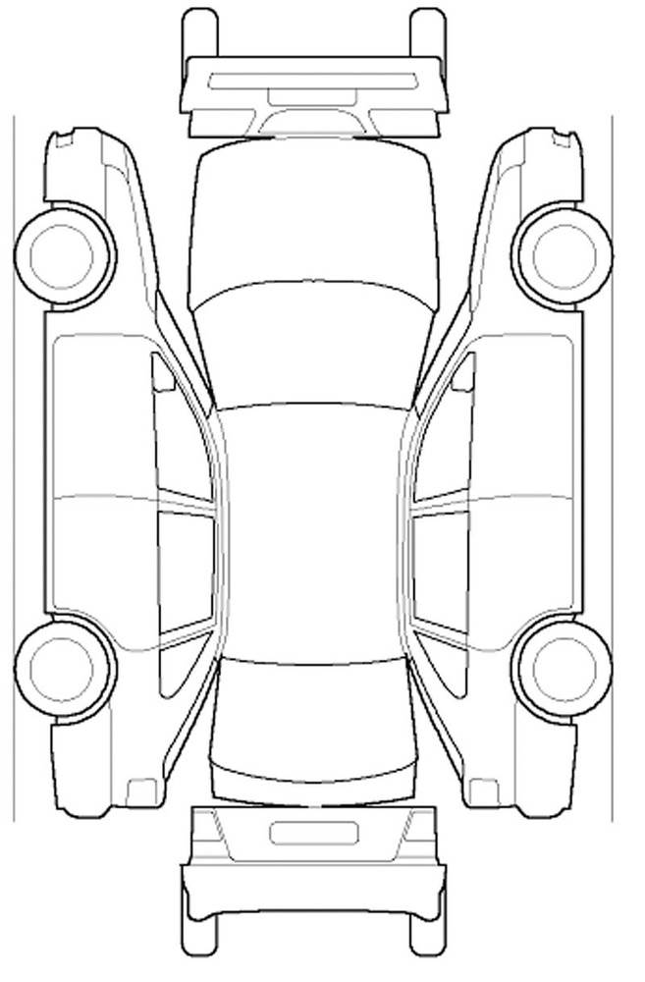

 |  |  | Key:

 |  |  | Scratch: | Dent:
 |  |  | Chip: | Broken:

 |  |  | Spare Wheel Included: | Repair Kit Included:
 |  |  | Tyre Jack Included: | Fire Extinguisher Included:
 |  |  | Locking Wheel Nut Included: | First Aid Kit Included:

 |  | Damage Description - Vehcle Inspection Sheet
 |  | Valeted: YES / NO

 |  | I accept that the vehicle is in the condition indicated on this form

 |  | Signed

 |  | Daniel O'Connor

 |  | Checked By

