Viz
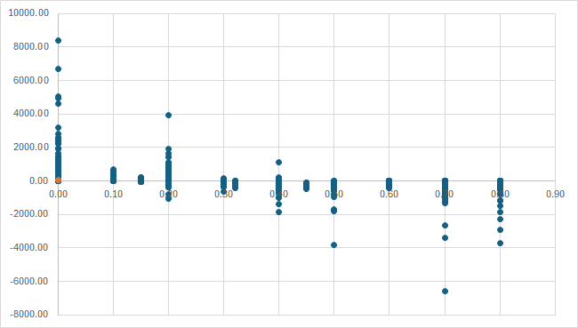
Sub-Category vs Sales & Profit |  | Monthly sales trend
 | Sum of Sales | Sum of Profit
Bookcases | 114880.00 | -3472.56
Chairs | 328449.10 | 26590.17
Furnishings | 91705.16 | 13059.14
Tables | 206965.53 | -17725.48
Appliances | 107532.16 | 18138.01
Art | 27118.79 | 6527.79
Binders | 203412.73 | 30221.76
Envelopes | 16476.40 | 6964.18
Fasteners | 3024.28 | 949.52
Labels | 12486.31 | 5546.25
Paper | 78479.21 | 34053.57
Storage | 223843.61 | 21278.83
Supplies | 46673.54 | -1189.10
Accessories | 167380.32 | 41936.64
Copiers | 149528.03 | 55617.82
Machines | 189238.63 | 3384.76
Phones | 330007.05 | 44515.73
 | Sum of Profit | Sum of Sales
2008 | 3462.30 | 94960.81
2009 | 6682.49 | 91991.53
2010 | 14433.40 | 80313.01
2011 | 6787.67 | 76011.15
2012 | 8006.51 | 75399.54
2013 | 9769.36 | 73757.64
2014 | 11308.38 | 91285.53
2015 | 13421.89 | 114565.60
2016 | 3030.03 | 78687.32
2017 | 9106.25 | 76621.58
2018 | 9696.84 | 72620.77
2019 | 19822.75 | 102774.04
2020 | 9858.65 | 66326.95
2021 | 5183.75 | 70634.38
2022 | 7707.26 | 74863.34
2023 | 13337.94 | 73563.39
2024 | 12772.34 | 97014.40
2025 | 13856.17 | 89563.69
2026 | 22667.79 | 103500.98
2027 | 8131.60 | 68182.99
2028 | 10871.95 | 92225.65
2029 | 6307.01 | 80122.04
2030 | 15869.75 | 98261.23
2031 | 8675.66 | 75885.88
2032 | 15172.26 | 88120.37
2033 | 10132.79 | 83334.47
2034 | 4846.53 | 81159.10
2035 | 5477.71 | 25453.50

 | Consumer | Corporate | Home Office
Central | 8564.05 | 18703.90 | 12438.41
East | 41190.98 | 23622.58 | 26709.22
South | 26913.57 | 15215.22 | 4620.63
West | 57450.60 | 34437.43 | 16530.41
Profit by State
 | Discount vs Profit, Order Level

Dashboard
 | Sum of Sales | Sum of Profit
Bookcases | 114880.00 | -3472.56
Chairs | 328449.10 | 26590.17
Furnishings | 91705.16 | 13059.14
Tables | 206965.53 | -17725.48
Appliances | 107532.16 | 18138.01
Art | 27118.79 | 6527.79
Binders | 203412.73 | 30221.76
Envelopes | 16476.40 | 6964.18
Fasteners | 3024.28 | 949.52
Labels | 12486.31 | 5546.25
Paper | 78479.21 | 34053.57
Storage | 223843.61 | 21278.83
Supplies | 46673.54 | -1189.10
Accessories | 167380.32 | 41936.64
Copiers | 149528.03 | 55617.82
Machines | 189238.63 | 3384.76
Phones | 330007.05 | 44515.73
 | Sum of Profit | Sum of Sales
2008 | 3462.30 | 94960.81
2009 | 6682.49 | 91991.53
2010 | 14433.40 | 80313.01
2011 | 6787.67 | 76011.15
2012 | 8006.51 | 75399.54
2013 | 9769.36 | 73757.64
2014 | 11308.38 | 91285.53
2015 | 13421.89 | 114565.60
2016 | 3030.03 | 78687.32
2017 | 9106.25 | 76621.58
2018 | 9696.84 | 72620.77
2019 | 19822.75 | 102774.04
2020 | 9858.65 | 66326.95
2021 | 5183.75 | 70634.38
2022 | 7707.26 | 74863.34
2023 | 13337.94 | 73563.39
2024 | 12772.34 | 97014.40
2025 | 13856.17 | 89563.69
2026 | 22667.79 | 103500.98
2027 | 8131.60 | 68182.99
2028 | 10871.95 | 92225.65
2029 | 6307.01 | 80122.04
2030 | 15869.75 | 98261.23
2031 | 8675.66 | 75885.88
2032 | 15172.26 | 88120.37
2033 | 10132.79 | 83334.47
2034 | 4846.53 | 81159.10
2035 | 5477.71 | 25453.50

Profit by State
 | Consumer | Corporate | Home Office
Central | 8564.05 | 18703.90 | 12438.41
East | 41190.98 | 23622.58 | 26709.22
South | 26913.57 | 15215.22 | 4620.63
West | 57450.60 | 34437.43 | 16530.41
Discount vs Profit, Order Level

