Sheet1
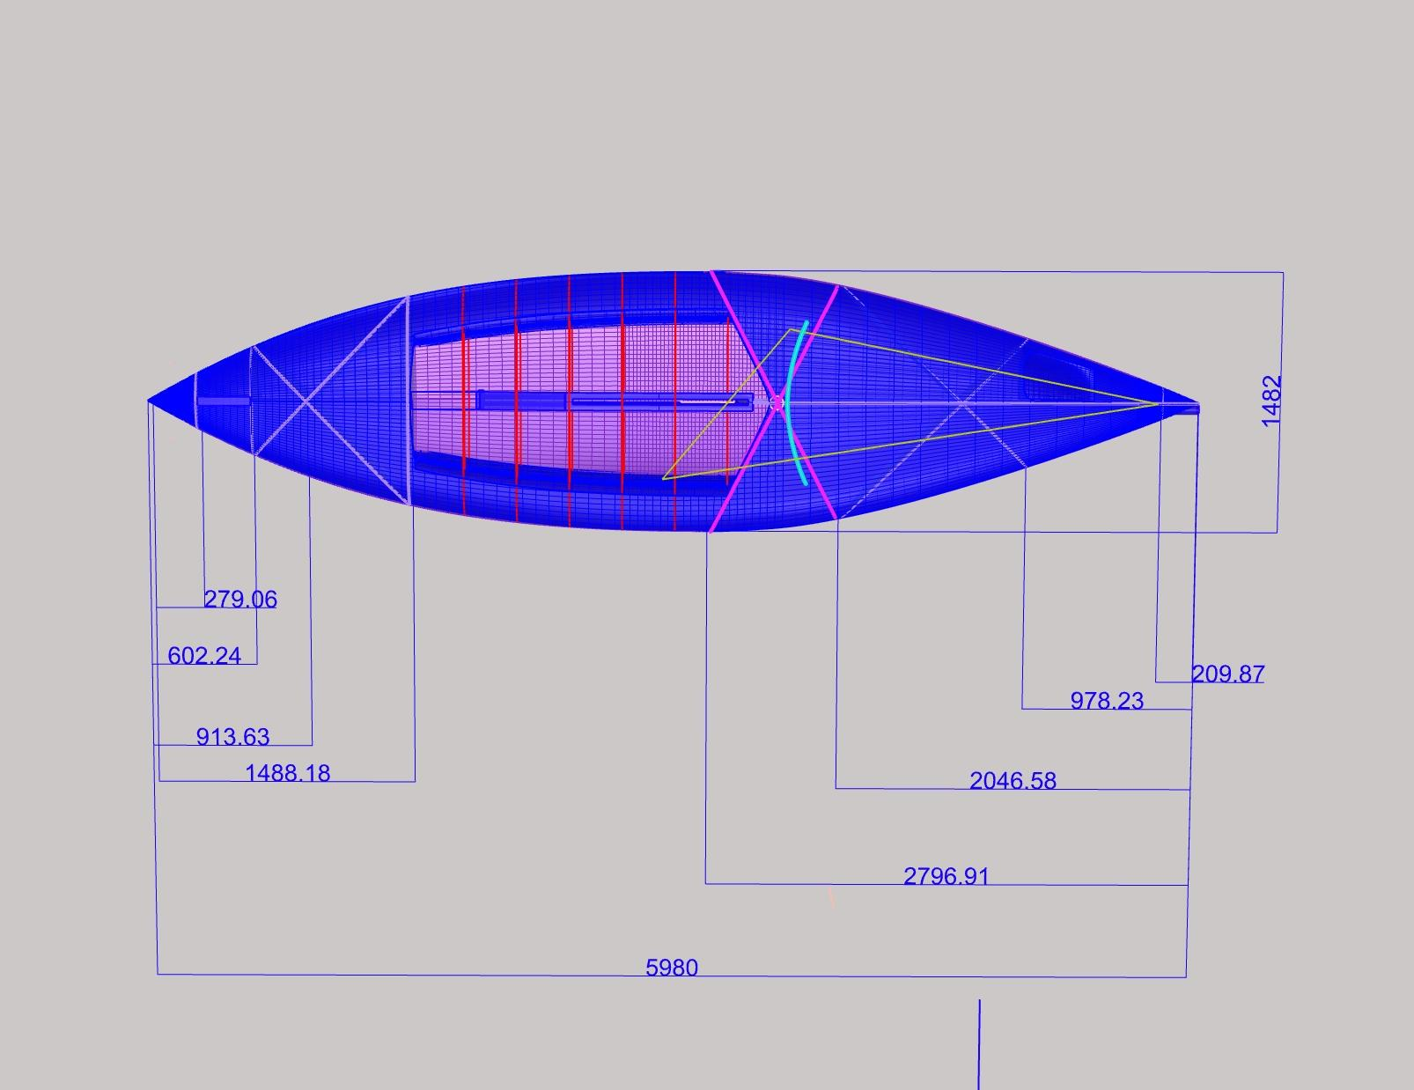
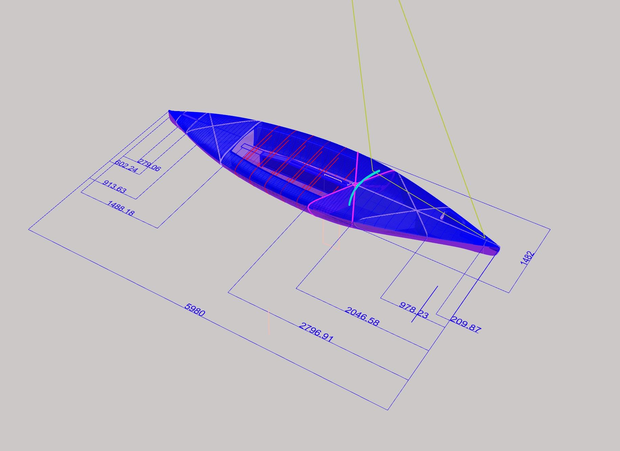
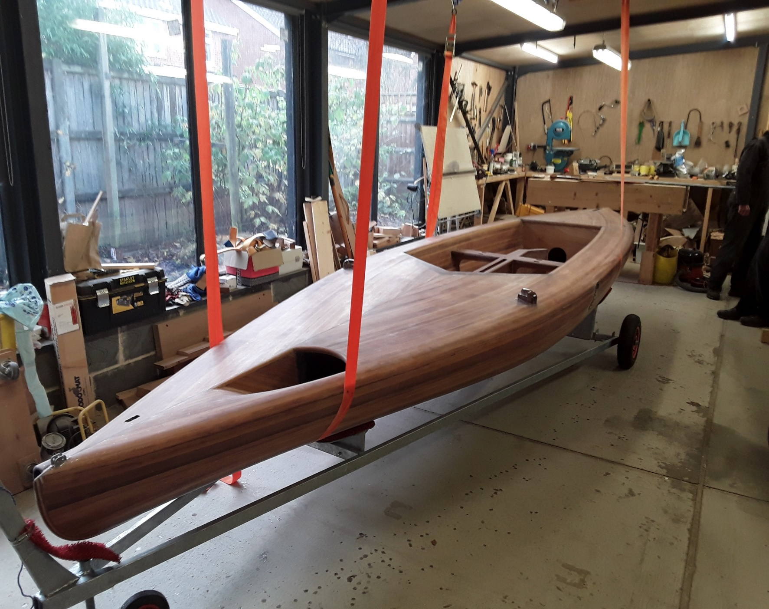
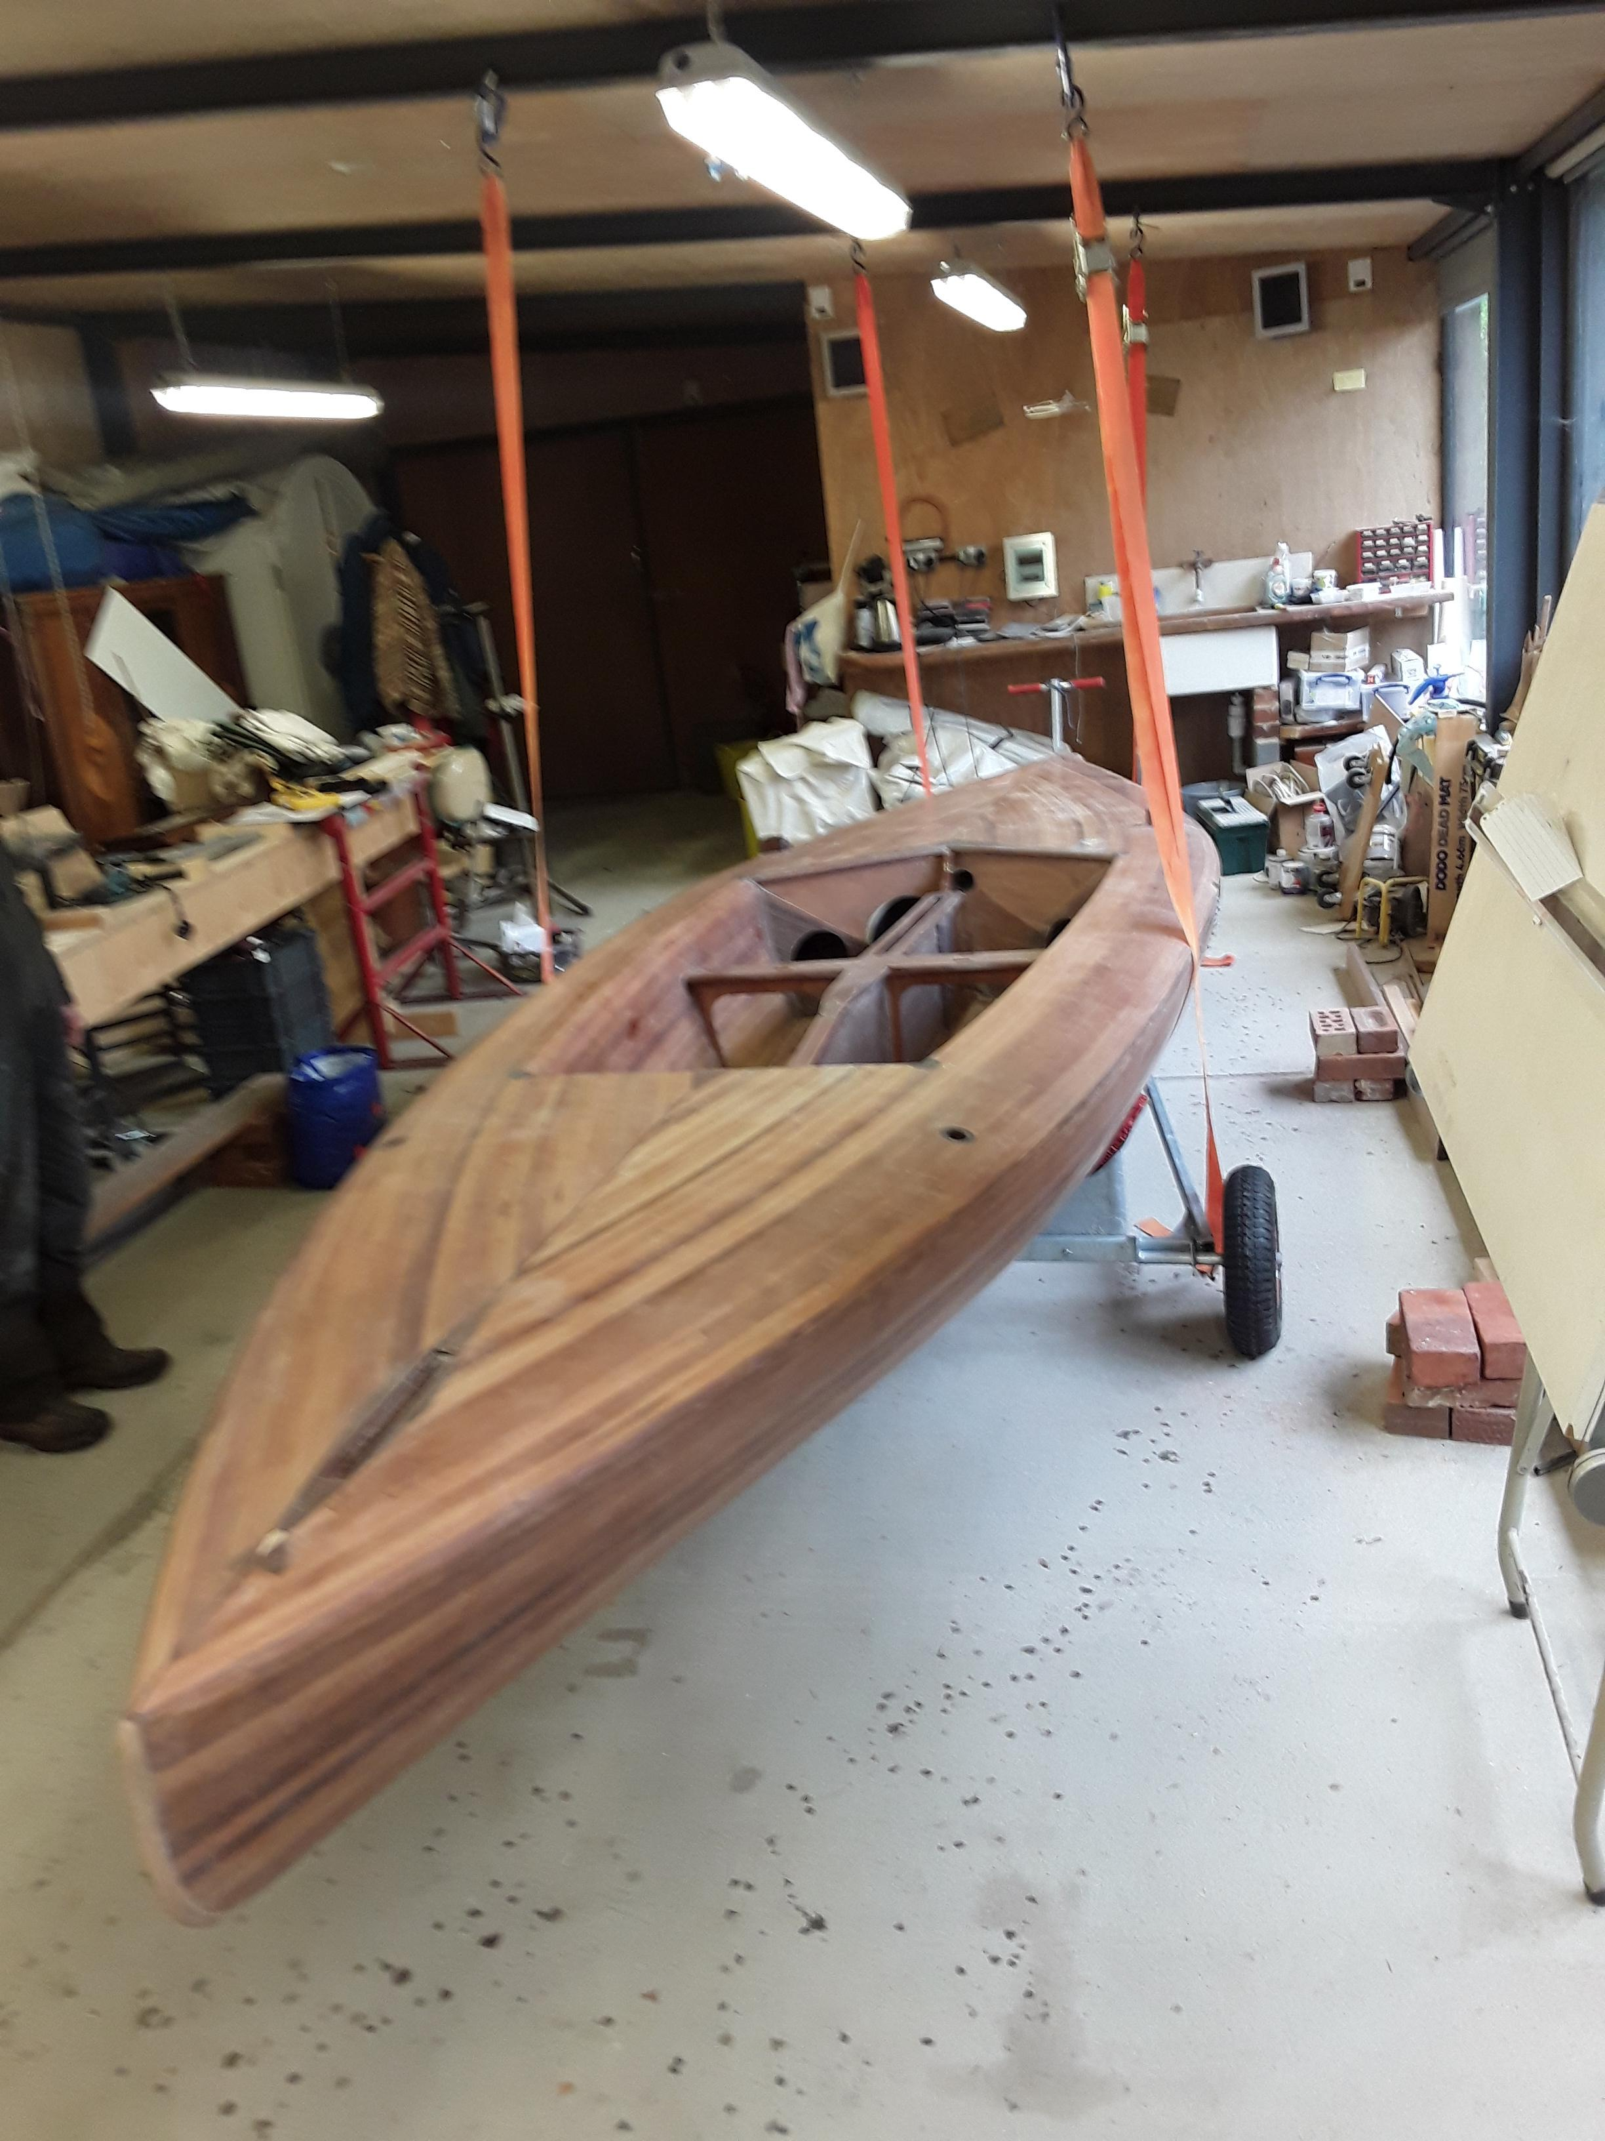
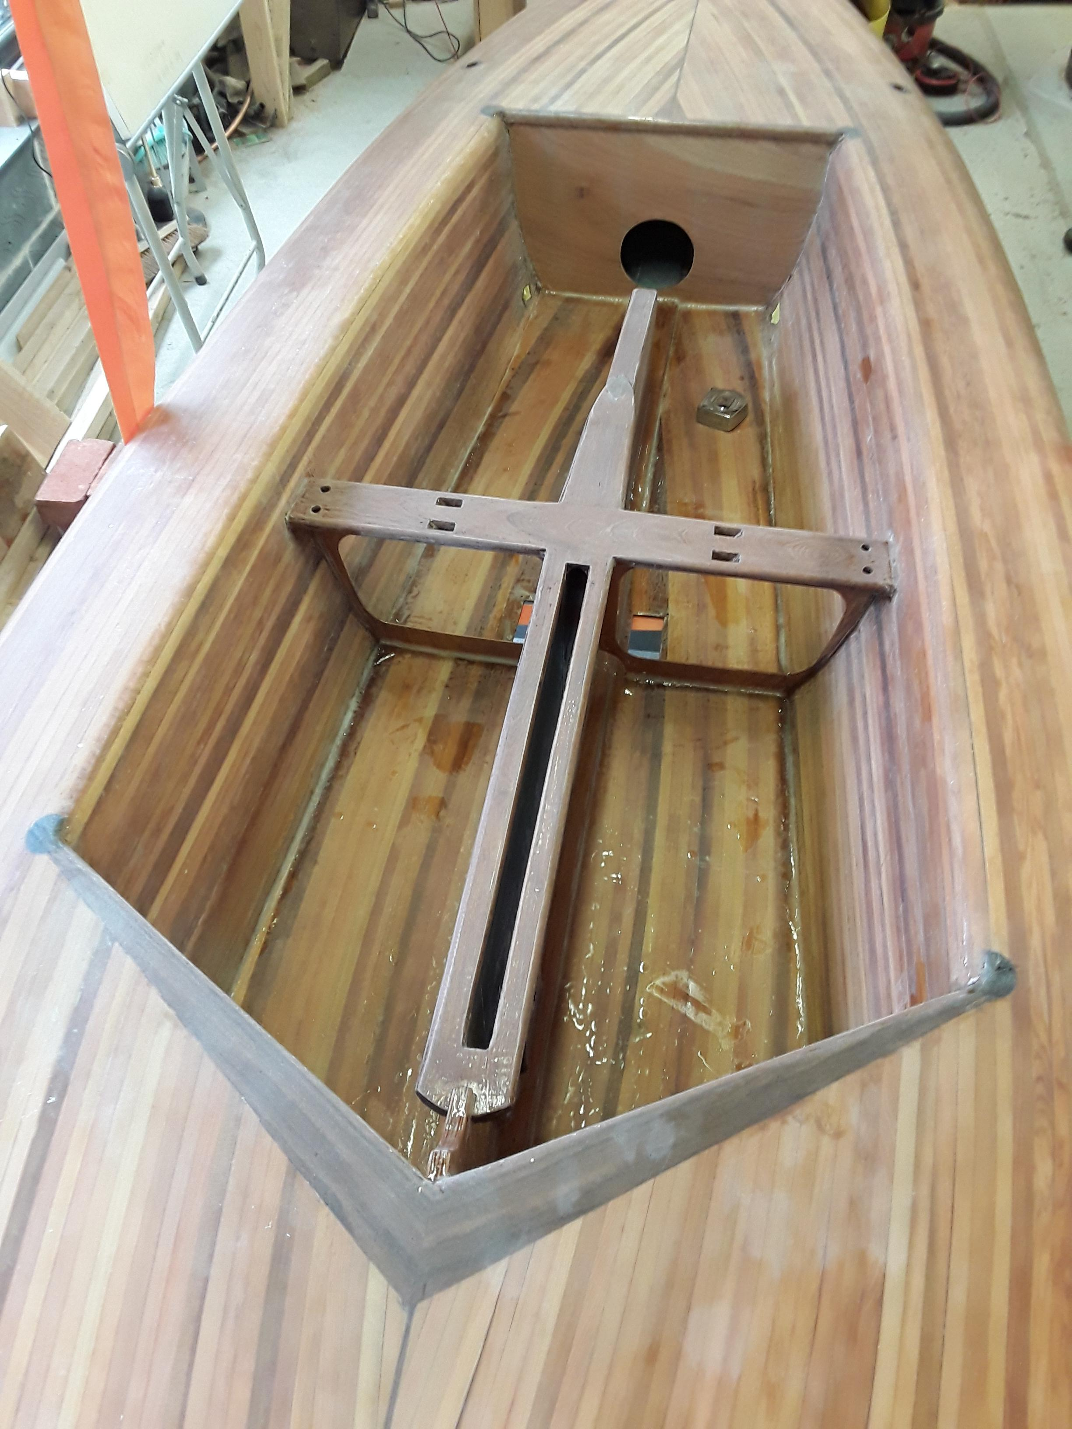
Norfolk Punt (open) Hull Measurement Form | Answer/Dimension
Boat name - approved? | Wahoo
Design - approved? | Yes
Sail number - allocated? | 106
Gunwale plan has fair curve | Yes
Flat sheerline | Yes
Bow angle less than 80 degrees | 42 degrees
Stern angle less than 110 degrees | 59 degrees
LOA between 5486mm and 6756mm | 6035mm
Beam less than 1829mm | 1473mm
Rubbing strake less than 50mm | None fitted
Rocker measured at points 457mm from bow and stern less than 152mm | 75mm
Rise of floor at midpoint measured 610mm from centreline less than 127mm | 75mm
Depth of hull to sheerline at midpoint less than 381mm | 377mm, rounded hull to check join blended into curve of hull and deck.
Foredeck minimum length 1219mm | 2460mm
Rear deck minimum length 610mm | 1555mm
Side deck width between 152mm and 305mm | 270mm fore and aft
Cockpit minimum length 1829mm | 2020mm
Bare hull weight | 97.5kg plus paint and screws for fittings.
Longitudal web from forestay to rudder, cutouts allowed. | Yes
No projection forward of rubbing strake | None
Centreboard unballasted | yes no ballast
Inboard rudder | yes
Bowsprit projection less than 2134mm | TBA bowsprit not yet fitted.

