Diagram
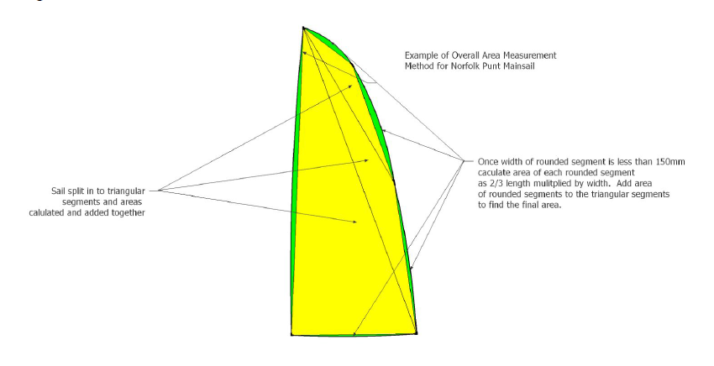
Norfolk Punt Sail Measurement Diagram

W.S. Definitions
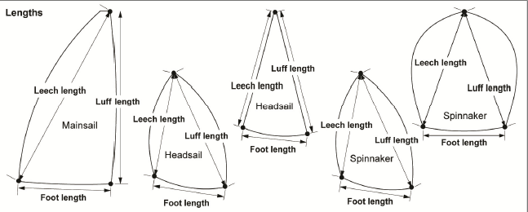
Extracts from the World Sailing Equipment Rules of Sailing 2017-2020

Section G – Sail Definitions

Subsection A – Trilateral Sails

Definitions relating to sails with only three sail edges:
“MAINSAIL” also applies to foremast sail and mizzen.
“HEADSAIL” also applies to “jib” and “genoa”.
“SPINNAKER” also applies to “gennaker”.

P A R T 2 D E F I N I T I O N S

(p) SAIL EDGE SHAPE

The shape of a sail edge as a comparison with a straight line between
corner points or,
in the case of a leech other than of a gennaker or spinnaker, between
the clew point and the aft head point.

G.2 SAIL EDGES

G.2.1 Foot
The bottom edge.
G.2.2 Leech
The aft edge.
G.2.3 Luff
The fore edge.
G.2.4 Sail Leech Hollow
Concavity in the shape of a leech between
adjacent batten pockets, or
a batten pocket and the adjacent corner point, or
in the case of a mainsail, foremast sail, mizzen or a headsail other than a
spinnaker or a gennaker, between the aft head point and the adjacent
batten pocket.

G.3 SAIL CORNERS

G.3.1 Clew
The region where the foot and the leech meet.
G.3.2 Head
The region at the top.
G.3.3 Tack
The region where the luff and the foot meet.

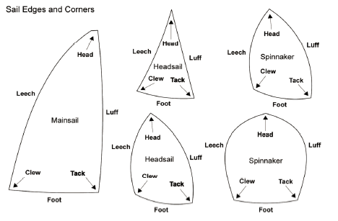

G.4 SAIL CORNER MEASUREMENT POINTS

G.4.1 Clew Point
The intersection of the foot and the leech, each extended as necessary.

G.4.2 Head Point
(a) MAINSAIL: The intersection of the luff,
extended as necessary, and the line through
the highest point of the sail at 90° to the
luff.
(b) HEADSAIL: The intersection of the luff,
extended as necessary, and the line at 90°
to the luff passing through the highest
point of the sail excluding attachments
and any luff tape.
(c) SPINNAKER: The intersection of the luff
and the leech, extended as necessary.

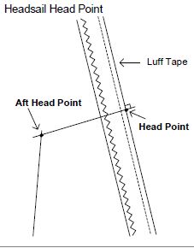

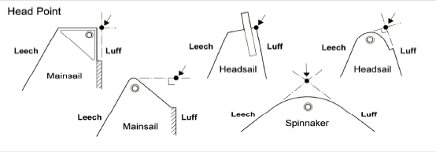

G.4.3 Tack Point
The intersection of the foot and the luff, each extended as necessary.

G.7 PRIMARY SAIL DIMENSIONS

G.7.1 Foot Length
The distance between the clew point and the tack point.

G.7.2 Leech Length
The distance between the head point and the clew point.

G.7.3 Luff Length
The distance between the head point and the tack point.

