Diagram
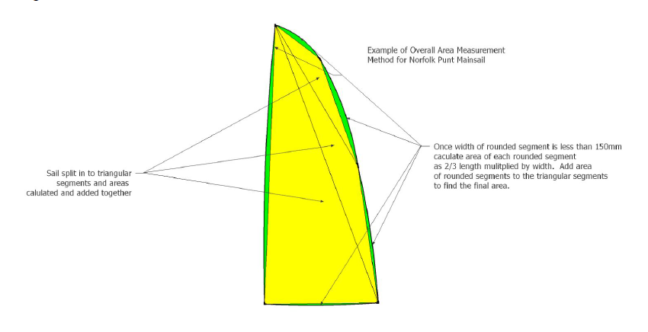
Norfolk Punt Sail Measurement Diagram

