H.P
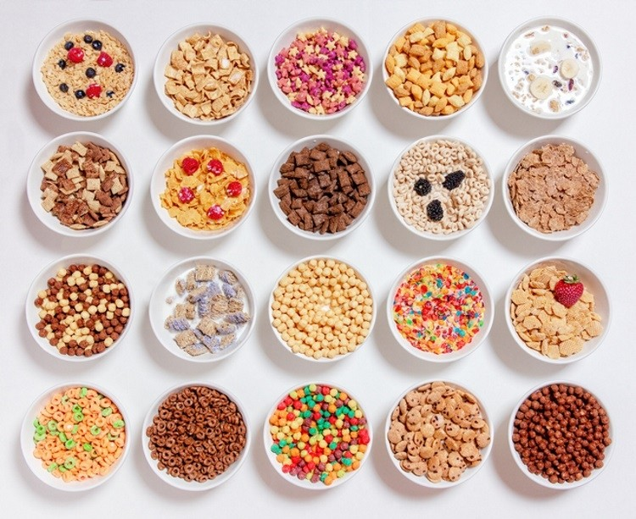
cereals data analysis

product count
77
max rating
93.70
average rating
42.67
min rating
18.04

MAIN PRODUCTS INF.
NUTRITION FACTS

MAIN PRODUCTS INF.
STORAGE, MFR , TYPE & SEVING INFORMATION


product display shelf
 | Total
3 | 36
2 | 21
1 | 20
mfr by products
 | Total
K | 23
G | 22
P | 9
Q | 8
R | 8
N | 6
A | 1
products type
 | Total
C | 74
H | 3

serv.cup by products
 | Total
1 | 30
0.75 | 16
0.67 | 13
0.5 | 7
0.33 | 3
0.88 | 2
1.33 | 1
1.13 | 1
1.25 | 1
1.5 | 1
0.25 | 1
0.8 | 1
serv.weight by products
 | Total
1 | 64
1.33 | 5
1.5 | 2
0.5 | 2
1.25 | 2
1.3 | 1
0.83 | 1

NUTRITION FACTS
NUTRITION FACTS

protein by products
 | Total
3 | 28
2 | 25
1 | 13
4 | 8
6 | 2
5 | 1
calories by products
 | Total
110 | 29
100 | 17
120 | 10
90 | 7
140 | 3
50 | 3
130 | 2
150 | 2
70 | 2
160 | 1
80 | 1
fat by products
 | Total
1 | 30
0 | 27
2 | 14
3 | 5
5 | 1

fiber by products
 | Total
0-3 | 50
3-6 | 23
6-9 | 1
9-12 | 2
12-15 | 1
sod.by products
 | Total
200-299 | 30
100-199 | 29
0-99 | 17
300-399 | 1
ptassium by products
 | Total
-1-98 | 45
99-198 | 25
199-298 | 5
299-398 | 2

carbo. By products
 | Total
-1-2 | 1
5-8 | 2
8-11 | 7
11-14 | 22
14-17 | 22
17-20 | 10
20-23 | 13
vit. By products
 | Total
25 | 63
0 | 8
100 | 6
sugar by products
 | Total
2-4 | 17
5-7 | 16
11-13 | 16
8-10 | 14
-1-1 | 9
14-16 | 5

