highest units sold
Row Labels | Sum of Units Sold
Power Bank | 3162
Eye Mask | 3111
Spice Rack | 2815
Coloring Set | 2798
Dried Fruit | 2619
Top 5 products by units sold
Grand Total | 14505

category with highest revenue
Row Labels | Sum of Potential Revenue
Electronics | 1238469.79
Toys & Games | 500748.58
Clothing | 473433.52
Home & Kitchen | 468877.88
Sports & Outdoors | 393756.55
Potential Revenue by Category
Beauty | 354847.89
Office Supplies | 222270.57
Grocery | 179144.22
Grand Total | 3831549

category most profitable
Row Labels | Sum of Potential Profit
Electronics | 522114.47
Toys & Games | 217310.9
Clothing | 204569.77
Home & Kitchen | 196571.87
Sports & Outdoors | 165803.37
Potential Profit by Category
Beauty | 152908.63
Office Supplies | 99303.02
Grocery | 72589.41
Grand Total | 1631171.44

high sales but low stock
Stock Status | Low Stock

Row Labels | Sum of Potential Profit
LED Desk Lamp | 36751.41
Power Bank | 35457.83
Coloring Set | 27344.35
HDMI Cable | 24550.76
Bluetooth Adapter | 18919.92
Top 5 low-stock products by potential profit
Grand Total | 143024.27

dashboard
Retail Inventory Performance Dashboard

Total Products |  | Units Sold | Potential Revenue | Potential Profit | Low-Stock Potential Profit
1,000 |  | 137,040 | 3,831,549 | 1,631,171.44 | 420,656.54

Top 5 products by units sold
 | Total
Power Bank | 3162
Eye Mask | 3111
Spice Rack | 2815
Coloring Set | 2798
Dried Fruit | 2619
Potential Revenue by Category
 | Total
Electronics | 1238469.79
Toys & Games | 500748.58
Clothing | 473433.52
Home & Kitchen | 468877.88
Sports & Outdoors | 393756.55
Beauty | 354847.89
Office Supplies | 222270.57
Grocery | 179144.22

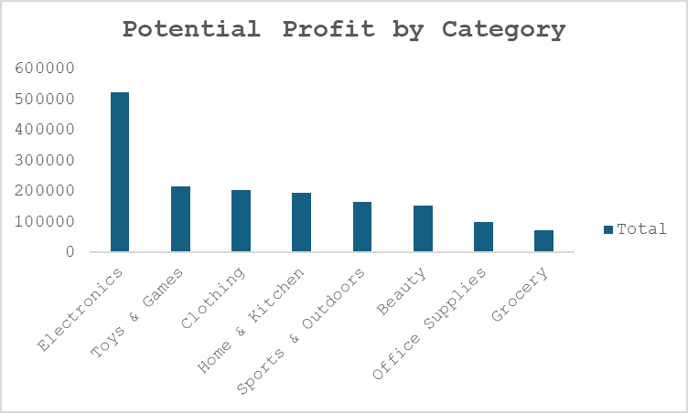
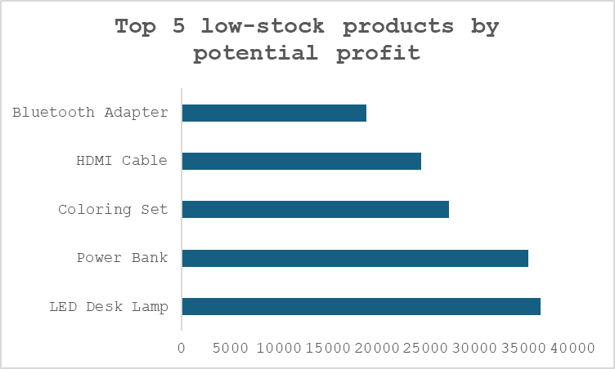

 |  | Key Findings
1.Electronics is the strongest category, generating 1.24M in potential revenue and 522K in potential profit.
2.Power Bank is the highest-volume product, with 3,162 units sold, and also generates the highest potential profit at 96.6K.
3.Low-stock products represent 420.7K in potential profit, indicating that inventory levels should be monitored for commercially important products.
4. Beauty has the largest number of products (134), but Electronics generates substantially more potential revenue and profit, showing that product count alone does not determine financial contribution.

 | Business Recommendations
1. Prioritize inventory monitoring for high-potential-profit products currently classified as LOWSTOCK.
2. Maintain availability of high-volume products, particularly Power Bank and other top-selling products.
3. Review Electronics inventory and supplier capacity, given the category's strong contribution to potential revenue and profit.
4. Evaluate category-level assortment, since categories with more products do not necessarily generate the highest financial contribution.

