Scenarios
Images describing the scenarios

Services
Method | endpoint | ToBe Tested? | Comments
POST | projects | Yes |  | Yes
GET | projects | Yes
PUT | projects | Yes
DELETE | projects | Yes
POST | items | Yes |  | No
GET | items | Yes
PUT | items | Yes
DELETE | items | Yes
POST | users | Yes
GET | users | Yes
PUT | users | Yes
DELETE | users | Yes
GET | filters | No
GET | icons | No

Describe the list of Services
available in the product

Reports
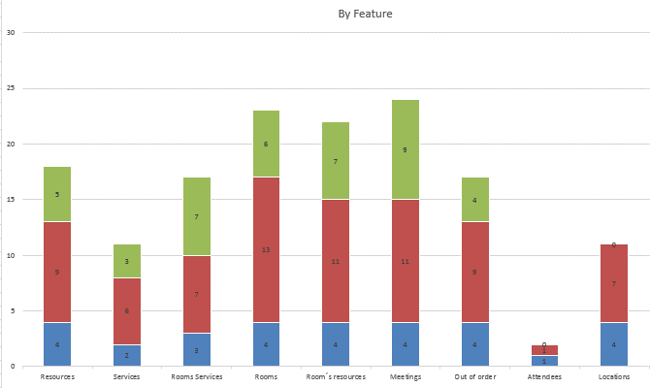
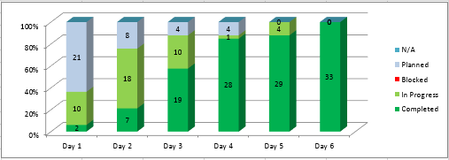

The reports that represents
the progress should be here

