Context
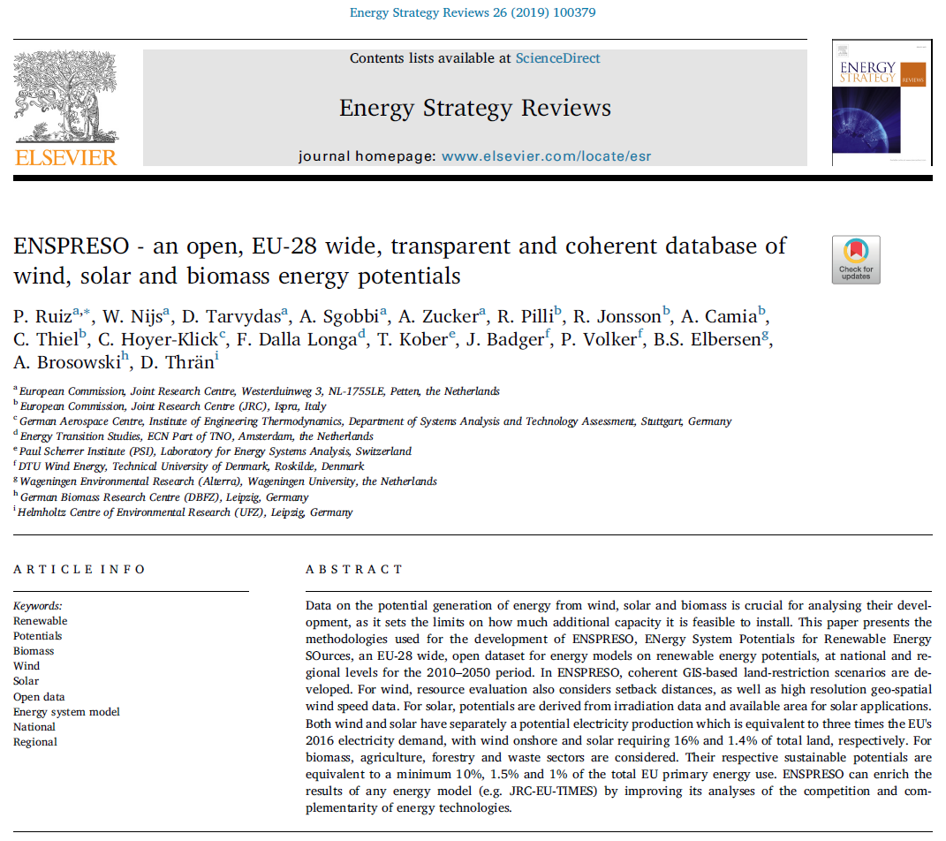

EUROPEAN COMMISSION
JOINT RESEARCH CENTRE
Westerduinweg 3, NL-1755LE, Petten, The Netherlands
Directorate C – Energy, Transport and Climate
Knowledge for the Energy Union
Contact: Pablo.RUIZ-CASTELLO@ec.europa.eu

ENSPRESO - Photovoltaic and Concentrated Solar Power

ENSPRESO
ENSPRESO is an EU-28 wide, open dataset for energy models on renewable energy potentials,
at national (NUTS0) and regional levels (NUTS2) for the 2010-2050 period.
Within ENSPRESO, ENergy Systems Potential Renewable Energy SOurces, technical potentials are provided
for wind, solar and biomass, based on coherent GIS-based land-restriction scenarios.

Open access journal describing ENSPRESO:
https://www.sciencedirect.com/science/article/pii/S2211467X19300720

Rights and licensing
This data is licensed under Creative Commons. This data can be reused under the terms of the CC BY 4.0 licence.
Data included in this database has been produced under the framework contract JRC/PTT/2013/F.6/0057/OC granted to a consortium lead by ECN

Part of the data was derived from METEOSAT data:
https://www.eumetsat.int/website/home/AboutUs/TermsofUse/index.html

NUTS2 conversion
https://ec.europa.eu/eurostat/fr/web/nuts/history

Note on rooftop soler photovoltaic
More recent JRC data was produced on the potential role of rooftop solar photovoltaics.
This data is not yet made public; an accompanying paper is currently under review

ENSPRESO does not include hourly data on wind however we refer to JRC EMHIRES for this:
https://setis.ec.europa.eu/EMHIRES-datasets

Version log
2019-09-27 | We use consistently "Area utilization" instead of PV efficiency.
 | Indeed, area utilization can be increased by PV modules' efficiency or by land use efficiency.
 | We introduced an alternative "low estimate" that is based on 85 W/m2 besides the original 170 and 300 W/m2

Main assumptions and other data
Main assumptions determining the potentials
1. Share of the land "non-artifical areas" that could be made availalbe for open field PV and CSP.
Non-artificial areas are defined in the sheet "exclusion of land".
2. PV and land efficiency (roofs, facades and open field) We use 85, 170 and 300 MW/km2.
To make these points clear, the EU28 solar potential is shown, based on three sets of assumptions:
In terms of capacities:
149731 GW with 85 MW/km2 assuming 100% of the available natural areas
5063 GW with 85 MW/km2 assuming 3% of the available natural areas.
299462 GW with 170 MW/km2 assuming 100% of the available natural areas
10127 GW with 170 MW/km2 assuming 3% of the available natural areas.
528462 GW with 300 MW/km2 assuming 100% of the available natural areas
17870 GW with 300 MW/km2 assuming 3% of the available natural areas.
In terms of power production:
158304 TWh with 85 MW/km2 assuming 100% of the available natural areas
5332 TWh with 85 MW/km2 assuming 3% of the available natural areas.
316608 TWh with 170 MW/km2 assuming 100% of the available natural areas
10663 TWh with 170 MW/km2 assuming 3% of the available natural areas.
558720 TWh with 300 MW/km2 assuming 100% of the available natural areas
18818 TWh with 300 MW/km2 assuming 3% of the available natural areas.
OTHER available data:
For 38 countries, we have minimum following at NUTS2 level:
Potential surfaces (area) expressed in Km2 for 18 types of surfaces and projected into the future based on LUISA. This gives 313NUTS2 x 18 surfaces x 5 periods = 28170 combinations.
Different irradiations for each of the 12 timeslices and for each of the years 2005, 2006, 2007, 2008, 2009, 2010, 2011, 2012 and 2013. This gives 313 NUTS2 x 12timeslices x 10 types of irradiation x 9 years = 338040 combinations.
The irradiation for each of the 18 types of surfaces, based on the average irradiation of 2005-2013, for each of the 12 timeslices. This is 313 NUTS2 x 18 x 12 = 67608 combinations.
A temperature correction factor to correct the efficiency of the PV panels.
The potential installed capacity expressed in GW as it only depends on the surface (see nr 1) and the efficiency (to be assumed). Indeed, regardless of the type of surface and regardless of the orientation, one m² of PV panel has a peak capacity of 1 kWp x effiency. An increased efficiency allows installing more peak capacity on a given surface.
The potential power production because this can be derived from the irradiation (see nr 3) and an assumption on the technology (efficiency and performance ratio).

Glossary and key insights
Key Insights on the performance indicators:
Regardless of the type of surface and regardless of the orientation, one m² of PV panel has a peak capacity of 1 kWp x effiency.
An increased efficiency allows installing more peak capacity on a given surface.
An increased Performance Ratio allows more electricity generation for the same peak capacity.
The latitude mainly determines the electricity generation for a given kWp

 |  |  | 85 W per m2 |  | 170 W per m2 |  | 300 W per m2
 |  |  | North | South | North | South | North | South
Ac | Global clear-sky irradiance on 2-axis tracking plane Maximum is around 1000 | W/m2 | 1000
H | Global irradiation – yearly sum of global irradiation incident on optimally-inclined south-oriented PV. | kWh/m2 | 1000 | 2000 | 1000 | 2000 | 1000 | 2000
r | Efficiency - is given for standard test conditions (STC) : radiation=1000 W/m², cell temperature=25 °C, Wind speed = 1 m/s, AM=1.5 | [-] | 17% |  | 17% |  | 30%
 | Surface - share of land for modules (50% includes areas required for shades and services; 100% can be reached for examply by East West orientation) | [-] | 50% |  | 100% |  | 100%
 | Power density | Wp/m2 | 85 |  | 170 |  | 300
A | Surface use | m2/kWp | 11.8 |  | 5.9 |  | 3.3
PR | Performance ratio; as defined in IEC 61724; the ratio of the annual electricity generated to the electricity that would have been generated if the plant consistently converted sunlight to electricity at the level expected from the DC nameplate rating - the actual PR is dependent on weather. | [-] | 75% |  | 75% |  | 85%
E | Solar electricity - yearly sum of solar electricity generated by optimally-inclined 1kWpsystem with a performance ratio of 0.75. | kWh/kWp | 750 | 1500 | 750 | 1500 | 850 | 1700
 | E = A * r * PR * H with A * r = 1 for 1 kWp
 | So E = 0.75 * H

Exclusion of land
We distinguish between non-artifical areas, for which we assume ground-mounted solar technology to be applied, and artificial land area, for which we consider roof-top-mounted and façade-mounted solar applications. The artificial areas were further subdivided into residential and industrial area.
Non-artificial areas consist of Other Arable, Permanent Crops, Pastures, Cereals, Maize, Root crops, Abandoned Arable Land, Abandoned Permanent Crops and Abandoned pastures .
These areas do NOT include forests.

 | Landcover data based on LUISA
LUISA |  | Source | Ground high |  | Ground low |  | Residential PV |  | Industrial |  | Sports and Leisure
Class # | Class Description |  | Usable | Area Factor | Usable | Area Factor | Usable | Area Factor | Usable | Area Factor | Usable | Area Factor
1 | Urban |  | no |  | no |  | yes | Nuts2 specific | no |  | no
2 | Industry |  | no |  | no |  | no |  | yes | Nuts2 specific | no
3 | Other Arable |  | yes | 1.00 | yes |  | no |  | no |  | no
4 | Permanent Crops |  | yes | 1.00 | yes |  | no |  | no |  | no
5 | Pastures |  | yes | 1.00 | yes |  | no |  | no |  | no
6 | Forests |  | no |  | no |  | no |  | no |  | no
7 | Transitional woodland-shrub |  | no |  | no |  | no |  | no |  | no
8 | Cereals |  | yes | 1.00 | yes | 1.00 | no |  | no |  | no
9 | Maize |  | yes | 1.00 | yes | 1.00 | no |  | no |  | no
10 | Root crops |  | yes | 1.00 | yes | 1.00 | no |  | no |  | no
11 | Abandoned Arable Land |  | yes | 1.00 | yes | 1.00 | no |  | no |  | no
12 | Abandoned Permanent Crops |  | yes | 1.00 | yes | 1.00 | no |  | no |  | no
13 | Abandoned pastures |  | yes | 1.00 | yes | 1.00 | no |  | no |  | no
14 | Abandoned Urban |  | yes | 1.00 | yes | 1.00 | no |  | no |  | no
15 | Abandoned Industry |  | yes | 1.00 | yes | 1.00 | no |  | no |  | no
16 | New Energy Crops |  | no |  | no |  | no |  | no |  | no
17 | Natural land |  | no |  | no |  | no |  | no |  | no
18 | Infrastructure |  | no |  | no |  | no |  | no |  | no
19 | Other Nature |  | no |  | no |  | no |  | no |  | no
20 | Wetlands |  | no |  | no |  | no |  | no |  | no
21 | Water Bodies |  | no |  | no |  | no |  | no |  | no
22 | Urban green leisure |  | no |  | no |  | no |  | no |  | yes
 | DNI > 1800 kWh/am² |  | yes | N/A | not applied | N/A | no | N/A | no | N/A | no | N/A

 | Additional Criteria: | Source
 | Protected Areas | WDPA[3] | no | N/A | no | N/A | no | N/A | no | N/A | no | N/A
 | Geomorphology | DSMW [4] | no | N/A | no | N/A | no | N/A | no | N/A | no | N/A
 | Slope <2.1° | Globe [5] | yes | N/A | not applied | N/A | no | N/A | no | N/A | no | N/A

 | Data sources | Name | Note |  |  |  |  | Public | Link
 | 1 | Global Land Cover | Reclassified for REMix, Different Set of Classes possbile. |  |  |  |  | Yes | http://geoserver.isciences.com:8080/geonetwork/srv/en/metadata.show?id=228&currTab=simple
 | 2 | CORINE |  |  |  |  |  | Yes | http://www.eea.europa.eu/data-and-maps/data/corine-land-cover-2006-raster-3
 | 3 | World Data of Protected Areas 2010 |  |  |  |  |  | Yes | http://www.wdpa.org/
 | 4 | DSMW (Digital Soil Map of the World) | The Global Land One-kilometer Base Elevation (GLOBE) Digital Elevation Model V1.0 |  |  |  |  | Yes | http://www.fao.org/geonetwork/srv/en/metadata.show?id=14116
 | 5 | Globe | General Bathymetric Chart of the Oceans (GEBCO) Digital Atlas |  |  |  |  | Yes | http://www.ngdc.noaa.gov/mgg/topo/globe.html
 | 6 | GEBCO |  |  |  |  |  | yes
 | 7 |  | Global Map of Marine Impact |  |  |  |  | yes | https://www.nceas.ucsb.edu/globalmarine
 | 8 | World Energy Atlas |  |  |  |  |  | no
 | 9 | Gregs Cable map |  |  |  |  |  | yes | http://www.cablemap.info/

NUTS2 170 W per m2 and 3% Fig
