ANALYSIS SUMMARY
BMI CATEGORY DISTRIBUTION PIVOT
BMI CATEGORY | COUNTA of BMI CATEGORY
mildly thin | 263
moderately thin | 135
normal | 1458
obese | 843
overweight | 1230
severely obese | 860
severely thin | 211
Grand Total | 5000

BFP CATEGORY DISTRIBUTION PIVOT
BFP CATEGORY | COUNTA of BFP CATEGORY
Acceptable | 1196
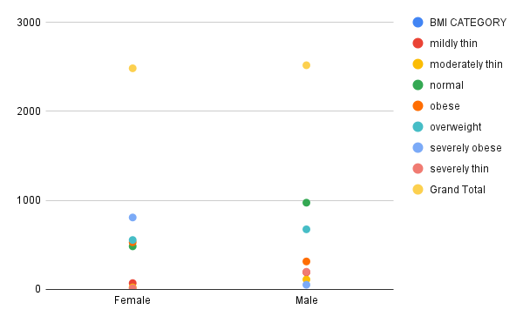
ATHLETIC | 303
Fit | 468
Obese | 3033
Grand Total | 5000

EXERCISE RECOMMENDATION PLAN DISTRIBUTION PIVOT
Exercise Recommendation Plan | COUNTA of Exercise Recommendation Plan
1 | 211
2 | 135
3 | 263
4 | 1458
5 | 1230
6 | 843
7 | 860
Grand Total | 5000

GENDER COMPARISONS PIVOT
Gender | AVERAGE of BMI | AVERAGE of Age | AVERAGE of Body Fat Percentage
Female | 28.38 | 42 | 38.30
Male | 23.66 | 42 | 21.77
Grand Total | 26.00 | 42 | 29.97

BMI CATEGORY BY GENDER PIVOT
COUNTA of BMI CATEGORY | BMI CATEGORY
Gender |  | mildly thin | moderately thin | normal | obese | overweight | severely obese | severely thin | Grand Total
Female |  | 71 | 23 | 484 | 529 | 555 | 808 | 13 | 2483
Male |  | 192 | 112 | 974 | 314 | 675 | 52 | 198 | 2517
Grand Total | 0 | 263 | 135 | 1458 | 843 | 1230 | 860 | 211 | 5000

BMI Distribution
BMI CATEGORY DISTRIBUTION

BFP Distribution
BFP CATEGORY DISTRIBUTION

Exercise Distribution
Exercise Recommendation Plan Distribution

AGE VS BMI SCATTERPLOT
AGE VS BMI

