python
https://www.python.org/downloads/release/python-368/

python 3.6.8

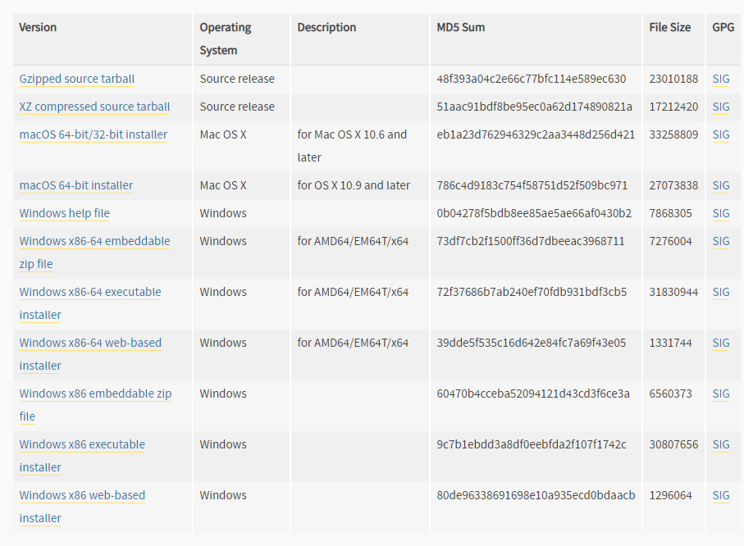

https://www.kkaneko.jp/tools/win/python36.html

argparse
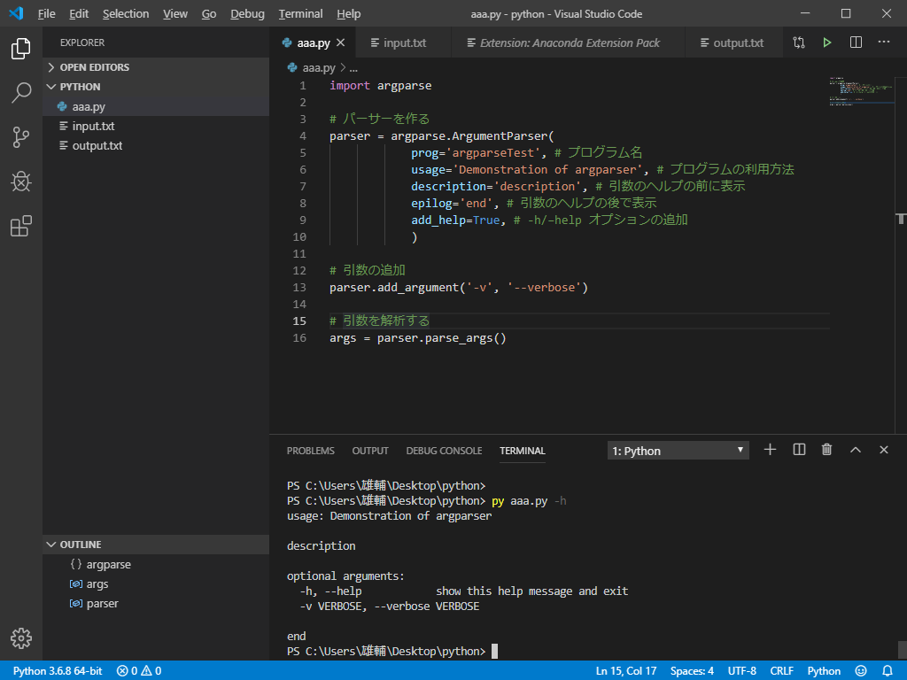
argparseは標準libにある

opencv
https://www.sejuku.net/blog/54272

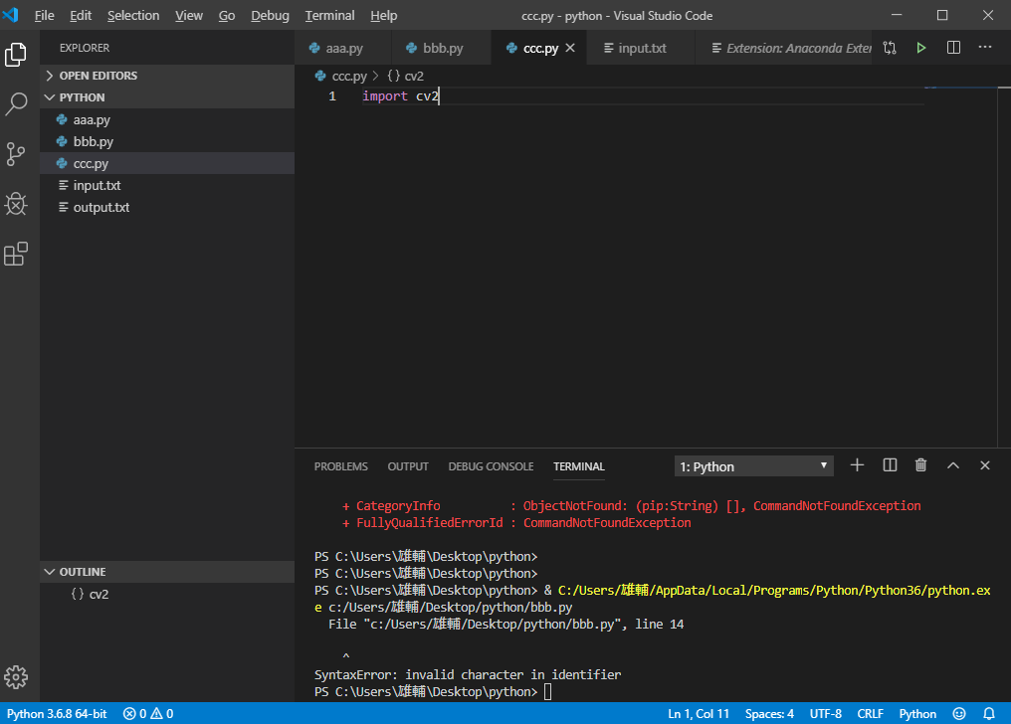
 | importの赤線がなくなる

