Rock-Fluid
Sw | krw | krow | Pcow | Pcowi
0.2000 | 0 | 0.8 | 1450.3 | 1450.3 | krw(Sw=0.6) = 0.3
0.2005 |  |  |  |  | krw needs to extend beyond Sw=0.6 for drainage curve |  |  |  | EXAMPLE DEMONSTRATING THE DIFFERNCE BETWEEN DRAINAGE AND IMBIBITION CURVE
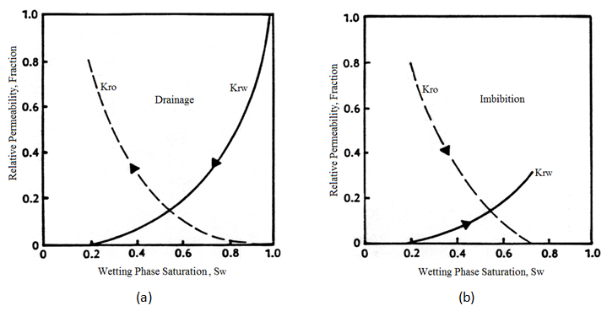
0.2015 |  |  |  |  | nw changes after Sw=0.6 so that krw(Sw=1)=1 (use solver to calculate new nw) |  | INPUT VALUES
Relative Permeability
0.2025 |  |  |  |  |  |  | krw˚ | 0.3
0.2035 |  |  |  |  |  |  | kro˚ | 0.8
0.2045 |  |  |  |  |  |  | Swr | 0.2
0.2055 |  |  |  |  |  |  | Sor | 0.4
0.2065 |  |  |  |  |  |  | nw | 2
0.2075 |  |  |  |  |  |  | no | 2
0.2085
0.2095
0.2105
0.2115
0.2125
0.2135
0.2145
0.2155
0.2165
0.2175
0.2185 |  |  |  |  | Drainage: | water saturation decreases
0.2195 |  |  |  |  | Imbibition: | water saturation increases
Capillary Pressure
0.2205
0.2215 |  |  |  |  |  |  | INPUT VALUES
0.2225 |  |  |  |  |  |  | Pe | 3.5
0.2235 |  |  |  |  |  |  | Swcon | 0.2
0.2245 |  |  |  |  |  |  | Sor | 0.4
0.2255 |  |  |  |  |  |  | λ | 2
0.2265
0.2275
0.2285
0.2295
0.2305
0.2315
0.2325
0.2335
0.2345
0.2355
0.2365
0.2375
0.2385
0.2395
0.2405
0.2415
0.2425
0.2435
0.2445
0.2455
0.2465
0.2475
0.2485
0.2495
0.2505
0.2605
0.2705
0.2805
0.2905
0.3005
0.3105
0.3205
0.3305
0.3405
0.3505
0.3605
0.3705
0.3805
0.3905
0.4005
0.4105
0.4205
0.4305
0.4405
0.4505
0.4605
0.4705
0.4805
0.4905
0.5005
0.5105
0.5205
0.5305
0.5405
0.5505
0.5605
0.5705
0.5805
0.5905
0.6 | 0.3 | 0 | 4.9497474683 | 0
0.6095 |  | 0 |  | 0
0.619 |  | 0 |  | 0
0.6285 |  | 0 |  | 0
0.638 |  | 0 |  | 0
0.6475 |  | 0 |  | 0
0.657 |  | 0 |  | 0
0.6665 |  | 0 |  | 0
0.676 |  | 0 |  | 0
0.6855 |  | 0 |  | 0
0.695 |  | 0 |  | 0
0.7045 |  | 0 |  | 0
0.714 |  | 0 |  | 0
0.7235 |  | 0 |  | 0
0.733 |  | 0 |  | 0
0.7425 |  | 0 |  | 0
0.752 |  | 0 |  | 0
0.7615 |  | 0 |  | 0
0.771 |  | 0 |  | 0
0.7805 |  | 0 |  | 0
0.79 |  | 0 |  | 0
0.7995 |  | 0 |  | 0
0.809 |  | 0 |  | 0
0.8185 |  | 0 |  | 0
0.828 |  | 0 |  | 0
0.8375 |  | 0 |  | 0
0.847 |  | 0 |  | 0
0.8565 |  | 0 |  | 0
0.866 |  | 0 |  | 0
0.8755 |  | 0 |  | 0
0.885 |  | 0 |  | 0
0.8945 |  | 0 |  | 0
0.904 |  | 0 |  | 0
0.9135 |  | 0 |  | 0
0.923 |  | 0 |  | 0
0.9325 |  | 0 |  | 0
0.942 |  | 0 |  | 0
0.9515 |  | 0 |  | 0
0.961 |  | 0 |  | 0
0.9705 |  | 0 |  | 0
0.98 |  | 0 |  | 0
0.9895 |  | 0 |  | 0
0.999 |  | 0 |  | 0
1 | 1 | 0 | 3.5 | 0

