Low Profile Hook
Low Profile Hooks
Last Updated : 27/02/2022
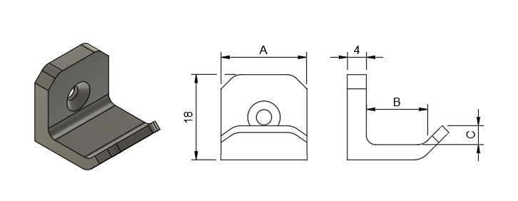
Code | Type | A | B | C | Comments
SH_LPR_A_001 | Low Profile Hook - Short | 10.0 | 10.0 | 2.0
SH_LPR_B_001 | Low Profile Hook - Short | 10.0 | 10.0 | 4.0
SH_LPR_A_002 | Low Profile Hook - Short | 12.0 | 10.0 | 2.0
SH_LPR_B_002 | Low Profile Hook - Short | 12.0 | 10.0 | 4.0
SH_LPR_A_003 | Low Profile Hook - Short | 14.0 | 10.0 | 2.0
SH_LPR_B_003 | Low Profile Hook - Short | 14.0 | 10.0 | 4.0
SH_LPR_A_004 | Low Profile Hook - Short | 16.0 | 10.0 | 2.0
SH_LPR_B_004 | Low Profile Hook - Short | 16.0 | 10.0 | 4.0
SH_LPR_A_005 | Low Profile Hook - Short | 18.0 | 10.0 | 2.0
SH_LPR_B_005 | Low Profile Hook - Short | 18.0 | 10.0 | 4.0
SH_LPR_A_006 | Low Profile Hook - Long | 10.0 | 20.0 | 2.0
SH_LPR_B_006 | Low Profile Hook - Long | 10.0 | 20.0 | 4.0
SH_LPR_A_007 | Low Profile Hook - Long | 12.0 | 20.0 | 2.0
SH_LPR_B_007 | Low Profile Hook - Long | 12.0 | 20.0 | 4.0
SH_LPR_A_008 | Low Profile Hook - Long | 14.0 | 20.0 | 2.0
SH_LPR_B_008 | Low Profile Hook - Long | 14.0 | 20.0 | 4.0
SH_LPR_A_009 | Low Profile Hook - Long | 16.0 | 20.0 | 2.0
SH_LPR_B_009 | Low Profile Hook - Long | 16.0 | 20.0 | 4.0
SH_LPR_A_010 | Low Profile Hook - Long | 18.0 | 20.0 | 2.0
SH_LPR_B_010 | Low Profile Hook - Long | 18.0 | 20.0 | 4.0
SH_LPR_A_011 | Low Profile Hook - RetailHooks | 26.0 | 14.0 | 2.0 | Designed for retail hook holes built into objects
SH_LPR_B_011 | Low Profile Hook - RetailHooks | 26.0 | 14.0 | 4.0 | Designed for retail hook holes built into objects

