Sheet1
no | page | chart type | option | chart
1 | Dashboard | donut |  | 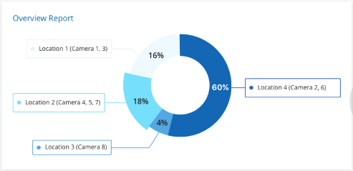
2 | Dashboard | line |  | 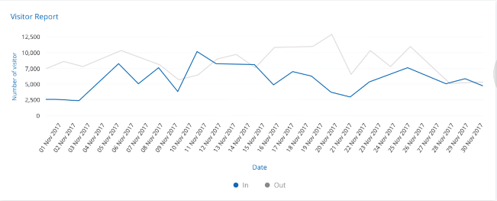
3 | Excutive Summary | area |  | 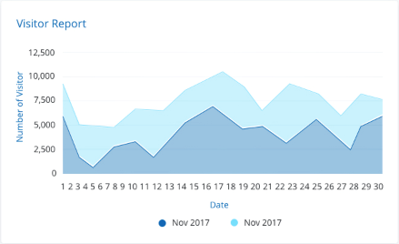
4 | Excutive Summary | three donut | ** | 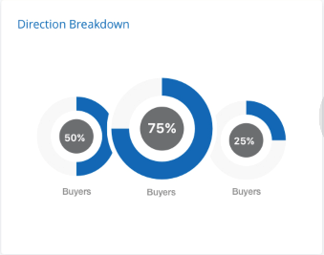
5 | Excutive Summary | donut |  | 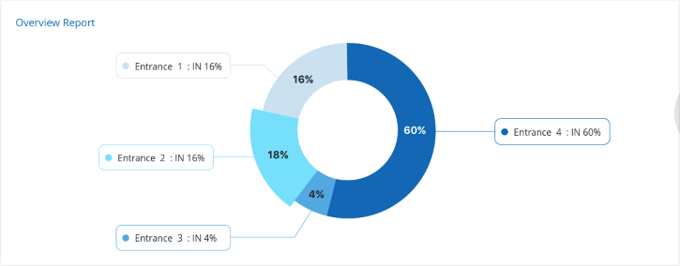
6 | Excutive Summary | column | ** | 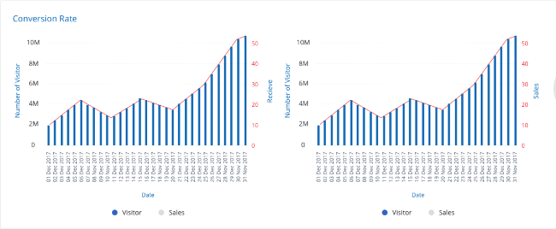
7 | Visitor Report | line |  | 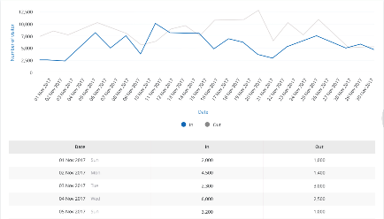
8 | Location Report | line |  | 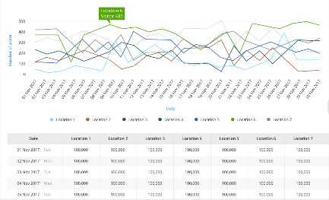
9 | Overview Report | donut |  | 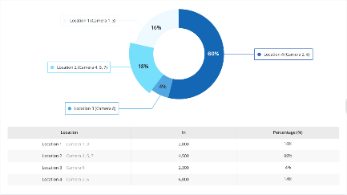
10 | Comparison | area |  | 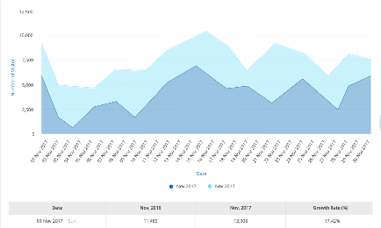
11 | Time Inside | line |  | 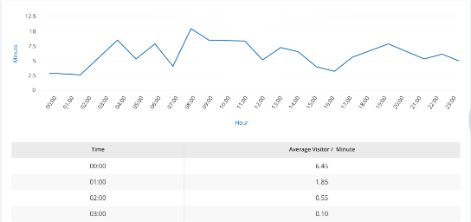
12 | Average Visitor | column |  | 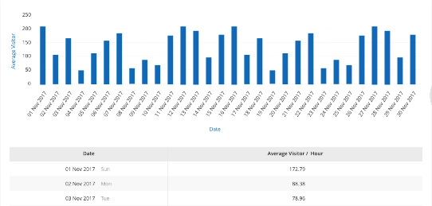
13 | Average Visitor | column |  | 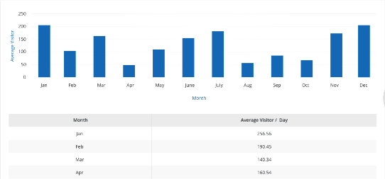
14 | Target Monitoring | gauge, column |  | 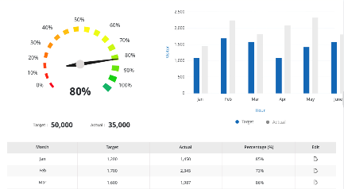 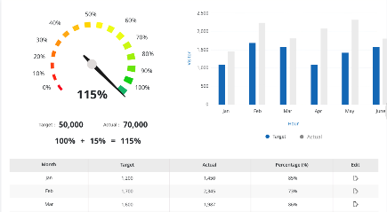
15 | Conversion Rate | column |  | 