양식
CONTRACT

 | CUSTOMER |  | DATE : | November 21st, 2025
 | M.Bindt Trading |  | CONTRACT NO. : | 719991
 | Nieuwland Parc 1, 2952 DA Alblasserdam, The Netherlands |  | INCOTERMS : | DAP Rotterdam
 | Tel.: +31 786 429 656 |  | PAYMENT : | By T/T 90 days from B/L date

 | DELIVERY TO : | M.Bindt Trading
 |  | Nieuwland Parc 1, 2952 DA Alblasserdam, The Netherlands
 |  | Tel.: +31 786 429 656
 |  | Attn: John Doe
 | NOTIFY PARTY : | Ditto

 | PRODUCT LIST

NO. | ARTICLE NO. | PRODUCT | QUANTITY/UNIT (UNIT) | DAP Rotterdam (EUR/MT) | AMOUNT (EUR)

TOTAL |  |  | - |  | -

 | NOTE : | Transportation cost (approx. 1200 EUR) was added to the individual price of the power source.
 | SHIPMENT : | As soon as stock arrives to the Netherlands Warehouse
 | VALIDITY : | Until End of December 2025

Buyer:
Seller:
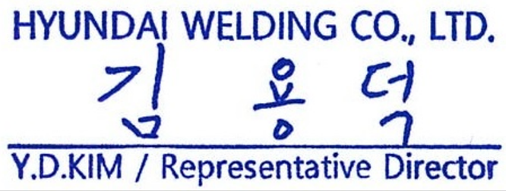

Authorized Signature
Authorized Signature

 | HYUNDAI WELDING CO., LTD. |  | BANK :
 | Wework Bldg 15-18F, 507, Teheran-ro, Gangnam-gu, Seoul, Korea |  | HANA Bank - Air Terminal
 | Tel : (+82 2) 6230-6839 |  | SWIFT CODE : KOEXKRSE
 | Fax : (+82 2) 522-2030, 525-7317 |  | 21, Teheran-ro 87-gil, Gangnam-gu, Seoul, 06169, Korea
 |  |  | Account No. : 338-890054-83738 (Former 651-000013-229)

