Outdoor
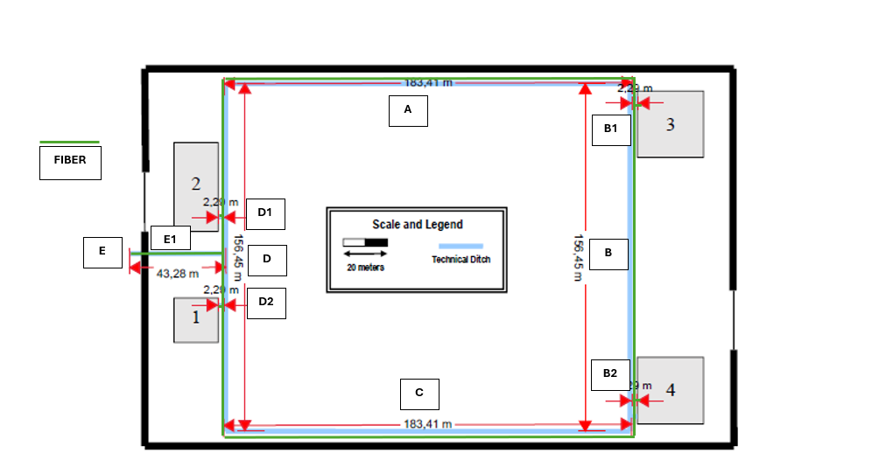
 | Requirements: | Full wireless LAN (Wi-Fi) coverage
 | minimum outlets per work area |  |  | 2
 | outlet ratio | 2 | / | 10 | 2
 | outlets allways in pairs (2,4,6,8)

IC4
IC1
 | Segment | Length (m) |  | Length + margin (m)
 | A | 183.41 | m | 5 | m
 | B | 183.41 | m | 5 | m
 | C | 156.45 | m | 5 | m
 | D | 156.45 | m | 5 | m
 |  | 2 | m | 5 | m
 |  | 2 | m | 5 | m
 |  | 2 | m | 5 | m
 |  | 2 | m | 5 | m
 |  | 2 | m | 5 | m
 | Total | 689.72 | m | 45 | m

Entrance | Segment | Route |  |  | Type | Length (m)
E | E | E-E1 |  |  | Fiber | 43.28 | m
 | D | IC1-IC2 (D) |  |  | Fiber | 156.45 | m
 | A | IC1-IC4(A) |  |  | Fiber | 183.41 | m
 | B | IC4-IC3(B) |  |  | Fiber | 156.45 | m
IC2
IC3
 | C | IC3-IC1( C) |  |  | Fiber | 183.41 | m
 | B | B1 |  |  | Fiber | 2 | m
 | B | B2 |  |  | Fiber | 2 | m
 | D | D1 |  |  | Fiber | 2 | m
 | D | D2 |  |  | Fiber | 2 | m

 |  |  |  | Total outside |  | 731 | m
 | Added 3,5m to connection outside - MC on building 1 |  |  |  |  | 17.5 | m
 |  |  |  | Redundancy |  | 35 | m
 |  |  |  |  | Total | 766 | m

Building 1 - Cables
Requirements: | Full wireless LAN (Wi-Fi) coverage
minimum outlets per work area |  |  | 2
outlet ratio | 2 | / | 10 | m2
outlets sempre pares (2,4,6,8)

Floor | 0 |  |  |  |  |  |  | Floor | 1
Rooms | 4 |  |  |  |  |  |  | Rooms | 7
Ceiling | 4 | m |  |  |  |  |  | Ceiling | 3 | m
Length | 20 | m |  |  |  |  |  | Length | 20 | m
Width | 20 | m |  |  |  |  |  | Width | 20 | m
Floor Area | 400 | m2 |  |  |  |  |  | Floor Area | 400 | m2
Util Floor Area | 42.60 | m2 |  |  |  |  |  | Util Floor Area | 0.00 | m2

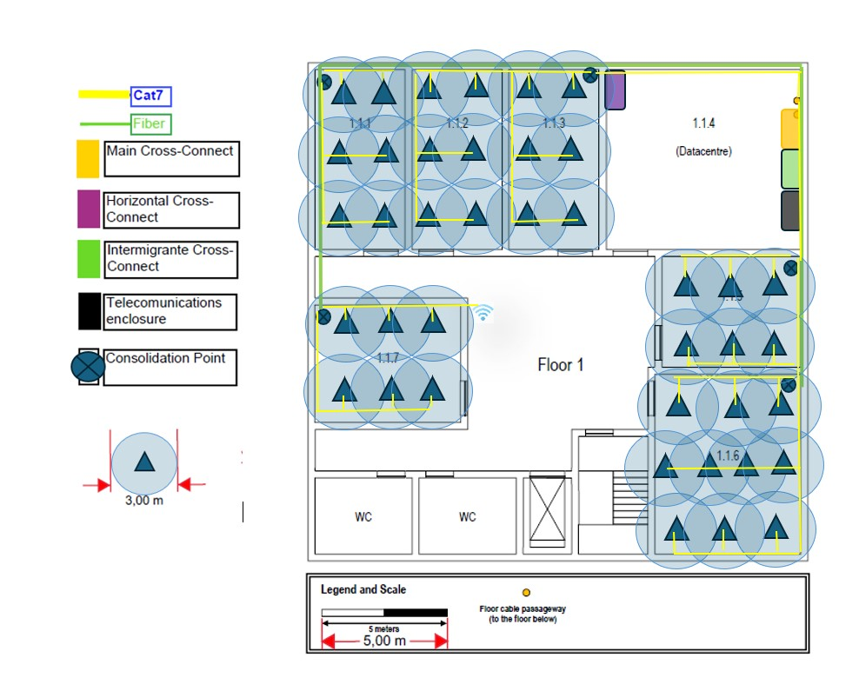
Cable |  |  |  |  |  |  |  |  |  |  |  | Cable
From | To | Type | Lenght 1 | Lenght 2 | Lenght 3 | Lenght 4 | Total (m) | Total Arredondado (m) |  |  |  | From | To | Type | Lenght 1 | Lenght 2 | Lenght 3 | Lenght 4 | Total (m) | Total Arredondado (m)
IC | HC Floor 0 | Fiber | 6 | 1 |  |  | 7.00 | 7 |  |  |  | MC | IC | Fiber | 1.00 | 1 | 4.4 | 0.2 | 6.60 | 7
HC Floor 0 | CP 1.0.3 | Fiber | 1.00 |  |  |  | 1.00 | 1 |  |  |  | IC | HC Floor 1 | Fiber | 4 | 7.4 |  |  | 11.40 | 11.5
CP 1.0.3 | CP 1.0.1 | Fiber | 13 |  |  |  | 13.00 | 13 |  |  |  | HC Floor 1 | CP 1.1.3 | Fiber | 1 |  |  |  | 1.00 | 1
HC Floor 0 | CP 1.0.5 | Fiber | 8 | 4 |  |  | 12.00 | 12 |  |  |  | CP 1.1.3 | CP 1.1.1 | Fiber | 11 |  |  |  | 11.00 | 11
CP 1.0.5 | CP 1.0.6 | Fiber | 5 | 2 |  |  | 7.00 | 7 |  |  |  | CP 1.1.1 | CP 1.1.7 | Fiber | 9.7 |  |  |  | 9.70 | 10
CP 1.0.1 | R1.0.1 O1 | CAT 7 | 1.6 | 1 | 5.2 |  | 7.80 | 8 |  |  |  | HC Floor 1 | CP 1.1.5 | Fiber | 8.21 |  |  |  | 8.21 | 8.5
CP 1.0.1 | R1.0.1 O2 | CAT 7 | 1.6 | 1 |  |  | 2.60 | 3 |  |  |  | CP 1.1.5 | CP 1.1.6 | Fiber | 4.84 |  |  |  | 4.84 | 5
CP 1.0.1 | R1.0.1 O3 | CAT 7 | 1.6 | 1 |  |  | 2.60 | 3 |  |  |  | CP 1.1.3 | R 1.1.3 O1 | CAT 7 | 1 | 3.58 | 7 |  | 11.58 | 12
CP 1.0.1 | R1.0.1 O4 | CAT 7 | 1.6 | 1 |  |  | 2.60 | 3 |  |  |  | CP 1.1.3 | R 1.1.3 O2 | CAT 7 | 1 |  |  |  | 1.00 | 1
CP 1.0.1 | R1.0.1 O5 | CAT 7 | 1.6 | 1 |  |  | 2.60 | 3 |  |  |  | CP 1.1.3 | R 1.1.3 O3 | CAT 7 | 1 |  |  |  | 1.00 | 1
CP 1.0.1 | R1.0.1 O6 | CAT 7 | 1.6 | 1 |  |  | 2.60 | 3 |  |  |  | CP 1.1.3 | R 1.1.3 O4 | CAT 7 | 1 |  |  |  | 1.00 | 1
CP 1.0.2 | R1.0.2 O1 | CAT 7 | 2.5 | 1 | 3.5 |  | 7.00 | 7 |  |  |  | CP 1.1.3 | R 1.1.3 O5 | CAT 7 | 1 |  |  |  | 1.00 | 1
CP 1.0.2 | R1.0.2 O2 | CAT 7 | 2.5 | 1 |  |  | 3.50 | 3.5 |  |  |  | CP 1.1.3 | R 1.1.3 O6 | CAT 7 | 1 |  |  |  | 1.00 | 1
CP 1.0.2 | R1.0.2 O3 | CAT 7 | 2.5 | 1 |  |  | 3.50 | 3.5 |  |  |  | CP 1.1.1 | R 1.1.1 O1 | CAT 7 | 1 | 3.58 | 7 |  | 11.58 | 12
CP 1.0.2 | R1.0.2 O4 | CAT 7 | 2.5 | 1 |  |  | 3.50 | 3.5 |  |  |  | CP 1.1.1 | R 1.1.1 O2 | CAT 7 | 1 |  |  |  | 1.00 | 1
CP 1.0.3 | R1.0.3 O1 | CAT 7 | 1.6 | 1 | 5.2 |  | 7.80 | 8 |  |  |  | CP 1.1.1 | R 1.1.1 O3 | CAT 7 | 1 |  |  |  | 1.00 | 1
CP 1.0.3 | R1.0.3 O2 | CAT 7 | 1.6 | 1 |  |  | 2.60 | 3 |  |  |  | CP 1.1.1 | R 1.1.1 O4 | CAT 7 | 1 |  |  |  | 1.00 | 1
CP 1.0.3 | R1.0.3 O3 | CAT 7 | 1.6 | 1 |  |  | 2.60 | 3 |  |  |  | CP 1.1.1 | R 1.1.1 O5 | CAT 7 | 1 |  |  |  | 1.00 | 1
CP 1.0.3 | R1.0.3 O4 | CAT 7 | 1.6 | 1 |  |  | 2.60 | 3 |  |  |  | CP 1.1.1 | R 1.1.1 O6 | CAT 7 | 1 |  |  |  | 1.00 | 1
CP 1.0.3 | R1.0.3 O5 | CAT 7 | 1.6 | 1 |  |  | 2.60 | 3 |  |  |  | CP 1.1.2 | R 1.1.2 O1 | CAT 7 | 1 | 3.58 | 7 |  | 11.58 | 12
CP 1.0.3 | R1.0.3 O6 | CAT 7 | 1.6 | 1 |  |  | 2.60 | 3 |  |  |  | CP 1.1.2 | R 1.1.2 O2 | CAT 7 | 1 |  |  |  | 1.00 | 1
CP 1.0.5 | R1.0.3 O1 | CAT 7 | 1.6 | 1 | 5.2 |  | 7.80 | 8 |  |  |  | CP 1.1.2 | R 1.1.2 O3 | CAT 7 | 1 |  |  |  | 1.00 | 1
CP 1.0.5 | R1.0.3 O2 | CAT 7 | 1.6 | 1 |  |  | 2.60 | 3 |  |  |  | CP 1.1.2 | R 1.1.2 O4 | CAT 7 | 1 |  |  |  | 1.00 | 1
CP 1.0.5 | R1.0.3 O3 | CAT 7 | 1.6 | 1 |  |  | 2.60 | 3 |  |  |  | CP 1.1.2 | R 1.1.2 O5 | CAT 7 | 1 |  |  |  | 1.00 | 1
CP 1.0.5 | R1.0.3 O4 | CAT 7 | 1.6 | 1 |  |  | 2.60 | 3 |  |  |  | CP 1.1.2 | R 1.1.2 O6 | CAT 7 | 1 |  |  |  | 1.00 | 1
CP 1.0.5 | R1.0.3 O5 | CAT 7 | 1.6 | 1 |  |  | 2.60 | 3 |  |  |  | CP 1.1.5 | R 1.1.5 O1 | CAT 7 | 1 | 5.67 | 4.31 |  | 10.98 | 11
CP 1.0.5 | R1.0.3 O6 | CAT 7 | 1.6 | 1 |  |  | 2.60 | 3 |  |  |  | CP 1.1.5 | R 1.1.5 O2 | CAT 7 | 1 |  |  |  | 1.00 | 1
CP 1.0.5 | O Wifi AP | CAT 7 | 3 |  |  |  | 3.00 | 3 |  |  |  | CP 1.1.5 | R 1.1.5 O3 | CAT 7 | 1 |  |  |  | 1.00 | 1
CP 1.0.6 | R1.0.6 O1 | CAT 7 | 2.2 | 3 | 7.4 |  | 12.60 | 13 |  |  |  | CP 1.1.5 | R 1.1.5 O4 | CAT 7 | 1 |  |  |  | 1.00 | 1
CP 1.0.6 | R1.0.6 O2 | CAT 7 | 2.2 |  |  |  | 2.20 | 2.5 |  |  |  | CP 1.1.5 | R 1.1.5 O5 | CAT 7 | 1 |  |  |  | 1.00 | 1
CP 1.0.6 | R1.0.6 O3 | CAT 7 | 2.5 |  |  |  | 2.50 | 2.5 |  |  |  | CP 1.1.5 | R 1.1.5 O6 | CAT 7 | 1 | 5.67 |  |  | 6.67 | 7
CP 1.0.6 | R1.0.6 O4 | CAT 7 | 2.5 |  |  |  | 2.50 | 2.5 |  |  |  | CP 1.1.6 | R 1.1.6 O1 | CAT 7 | 1 |  |  |  | 1.00 | 1
CP 1.0.6 | R1.0.6 O5 | CAT 7 | 1 |  |  |  | 1.00 | 1 |  |  |  | CP 1.1.6 | R 1.1.6 O2 | CAT 7 | 1 | 5 |  |  | 6.00 | 6
CP 1.0.6 | R1.0.6 O6 | CAT 7 | 3 |  |  |  | 3.00 | 3 |  |  |  | CP 1.1.6 | R 1.1.6 O3 | CAT 7 | 1 |  |  |  | 1.00 | 1
CP 1.0.6 | R1.0.6 O7 | CAT 7 | 3 |  |  |  | 3.00 | 3 |  |  |  | CP 1.1.6 | R 1.1.6 O4 | CAT 7 | 1 |  |  |  | 1.00 | 1
CP 1.0.6 | R1.0.6 O8 | CAT 7 | 1 |  |  |  | 1.00 | 1 |  |  |  | CP 1.1.6 | R 1.1.6 O5 | CAT 7 | 1 |  |  |  | 1.00 | 1
CP 1.0.6 | R1.0.6 O9 | CAT 7 | 2.2 |  |  |  | 2.20 | 2.5 |  |  |  | CP 1.1.6 | R 1.1.6 O6 | CAT 7 | 1 | 5.5 |  |  | 6.50 | 6.5
CP 1.0.6 | R1.0.6 O10 | CAT 7 | 1 | 7.2 | 2.5 |  | 10.70 | 11 |  |  |  | CP 1.1.6 | R 1.1.6 O7 | CAT 7 | 1 |  |  |  | 1.00 | 1
 |  |  |  |  |  |  |  |  |  |  |  | CP 1.1.6 | R 1.1.6 O8 | CAT 7 | 1 |  |  |  | 1.00 | 1
 |  |  |  |  |  |  |  |  |  |  |  | CP 1.1.6 | R 1.1.6 O9 | CAT 7 | 1 |  |  |  | 1.00 | 1
 |  |  |  |  |  |  |  |  |  |  |  | CP 1.1.6 | R 1.1.6 O10 | CAT 7 | 1 | 5 | 7.2 |  | 13.20 | 13.5
 |  |  |  |  |  |  |  |  |  |  |  | CP 1.1.7 | R 1.1.7 O1 | CAT 7 | 1 | 4.75
 |  |  |  |  |  |  |  |  |  |  |  | CP 1.1.7 | R 1.1.7 O2 | CAT 7 | 1 | 3.69
 |  |  |  |  |  |  |  |  |  |  |  | CP 1.1.7 | R 1.1.7 O3 | CAT 7 | 1
 |  |  |  |  |  |  |  |  |  |  |  | CP 1.1.7 | R 1.1.7 O4 | CAT 7 | 1
 |  |  |  |  |  |  | 0.00 | 0 |  |  |  | CP 1.1.7 | R 1.1.7 O5 | CAT 7 | 1
Redundancy |  | CAT 7 | 5 | 5 | 5 | 5 | 20.00 | 20 |  |  |  | CP 1.1.7 | R 1.1.7 O6 | CAT 7 | 1 | 4.75
 |  |  |  |  |  |  | 0.00 | 0 |  |  |  | CP 1.1.7 | O Wifi AP | CAT 7 | 1.5
 |  | Wi-Fi AP | N/A | N/A | N/A | N/A | 0.00 | 0 |  |  |  | Redundancy |  | CAT 7 | 5 | 5 | 5 | 5 | 20.00 | 20
 |  |  |  |  |  |  |  | Total |  |  |  |  |  | Wi-Fi AP | N/A | N/A | N/A | N/A | 0.00 | 0
 |  |  |  |  |  |  | Fiber | 40 |  |  |  |  |  |  |  |  |  |  |  | Total
 |  |  |  |  |  |  | CAT 7 | 151.5 |  |  |  |  |  |  |  |  |  |  | Fiber | 54
 |  |  |  |  |  |  |  |  |  |  |  |  |  |  |  |  |  |  | CAT 7 | 126

 |  |  |  |  |  |  |  |  |  |  |  |  |  | with redundancy
 |  |  |  |  |  |  |  |  |  |  | Total Building - Fiber |  | 94 | 188
 |  |  |  |  |  |  |  |  |  |  | Tota Building - CAT7 |  | 277.5

