averagetransport work
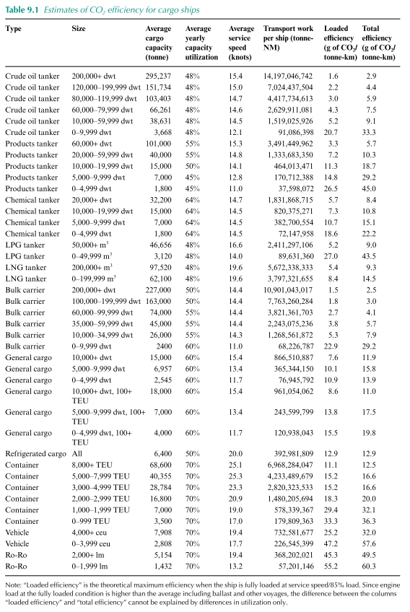
 |  |  |  |  |  |  | 1 | NM
 |  | Average transport work per ship type |  |  |  |  | 1.852 | km
 |  | gigatonne-NM |  |  |  |  |  | Third IMO study 2014 |  |  |  | distribution
 |  | tanker | bulkcarrier | generalcargo | containership | other |  |  | teu | teu | ton-NM | 2012 |  | 2050
 |  |  |  |  |  |  |  | Container | 0 | 999 | 1.80E+08 | 22% | 39558059.86 | 22% | 39558059.86
 |  |  |  |  |  |  |  |  | 1000 | 1999 | 5.78E+08 | 25% | 144584841.75 | 20% | 115667873.4
ton*NM | 2012 | 8.62E+09 | 5.21E+09 | 365344150 | 2.03E+09 | 820375271 |  |  | 2000 | 2999 | 1.48E+09 | 14% | 207228797.16 | 18% | 266437024.92
ton*NM | 2050 | 8.62E+09 | 5.60E+09 | 365344150 | 2.70E+09 | 820375271 |  |  | 3000 | 4999 | 2.82E+09 | 19% | 535861471.27 | 5% | 141016176.65
gigaton*NM | 2012 | 8.62 | 5.21 | 0.37 | 2.03 | 0.82 |  |  | 5000 | 7999 | 4.23E+09 | 11% | 465683864.69 | 11% | 465683864.69
gigaton*NM | 2050 | 8.62 | 5.60 | 0.37 | 2.70 | 0.82 |  |  | 8000 | 11999 | 6.97E+09 | 7% | 487779883.29 | 10% | 696828404.7
 |  |  |  |  |  |  |  |  | 12000 | 14500 | 6.97E+09 | 2% | 139365680.94 | 9% | 627145564.23
 |  |  |  |  |  |  |  |  | 14500 | 14500 | 6.97E+09 | 0% | 13936568 | 5% | 348414202.35
 |  |  |  |  |  |  |  | average teu |  |  |  | 3304 |  | 4692 |  | 3998

 |  |  |  |  |  |  |  |  | dwt | dwt | ton-NM | 2012 |  | 2050
 |  |  |  |  |  |  |  | Bulk carrier | 0 | 9999 | 6.82E+07 | 1% | 682267.87 | 1% | 682267.87
 |  |  |  |  |  |  |  |  | 10000 | 34999 | 1.27E+09 | 9% | 114170568.48 | 6% | 76113712.32
 |  |  |  |  |  |  |  |  | 35000 | 59999 | 2.24E+09 | 22% | 493476551.92 | 20% | 448615047.2
 |  |  |  |  |  |  |  |  | 60000 | 99999 | 3.82E+09 | 26% | 993554042.78 | 23% | 878913191.69
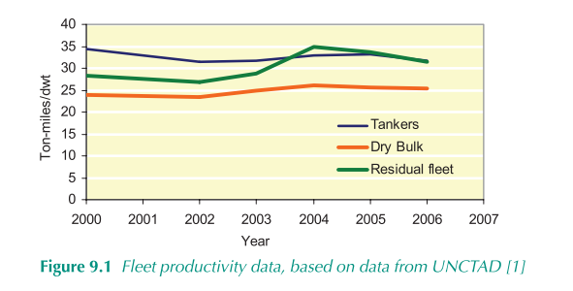
 |  |  |  |  |  |  |  |  | 100000 | 199999 | 7.76E+09 | 31% | 2406610688 | 40% | 3105304113.6
 |  |  |  |  |  |  |  |  | 200000 | 400000 | 1.09E+10 | 11% | 1199114731.9 | 10% | 1090104301.7
 |  |  |  |  |  |  |  | average dwt |  |  |  | 112825 |  | 119300 |  | 116062

 |  |  |  |  |  |  |  |  | dwt | dwt | ton-NM | 2012 |  | 2050
 |  |  |  |  |  |  |  | oil tanker | 0 | 4999 | 91086398 | 1% | 910863.98 | 1% | 910863.98
 |  |  |  |  |  |  |  |  | 5000 | 9999 | 91086398 | 1% | 910863.98 | 1% | 910863.98
 |  |  |  |  |  |  |  |  | 10000 | 19999 | 1519025926 | 1% | 15190259.26 | 1% | 15190259.26
 |  |  |  |  |  |  |  |  | 20000 | 59999 | 1519025926 | 7% | 106331814.82 | 7% | 106331814.82
 |  |  |  |  |  |  |  |  | 60000 | 79999 | 2629911081 | 7% | 184093775.67 | 7% | 184093775.67
 |  |  |  |  |  |  |  |  | 80000 | 119999 | 4417734613 | 23% | 1016078961 | 23% | 1016078961
 |  |  |  |  |  |  |  |  | 120000 | 199999 | 7024437504 | 17% | 1194154375.7 | 17% | 1194154375.7
 |  |  |  |  |  |  |  |  | 200000 | 200000 | 14197046742 | 43% | 6104730099.1 | 43% | 6104730099.1
 |  |  |  |  |  |  |  | average dwt |  |  |  | 144150 |  | 144150 |  | 144150

 |  |  |  |  |  |  |  |  | dwt | dwt | ton-NM | active IHSF | average dwt | average installed power kW
 |  |  |  |  |  |  |  | General cargo | 0 | 4999 | 76945792 | 11620 | 1925 | 1119
 |  |  |  |  |  |  |  |  | 5000 | 9999 | 365344150 | 2894 | 7339 | 3320
 |  |  |  |  |  |  |  |  | 10000 |  | 866510887 | 1972 | 22472 | 7418
 |  |  |  |  |  |  |  | average over size |  |  |  |  | 5333 | 2259

shipfuel eff
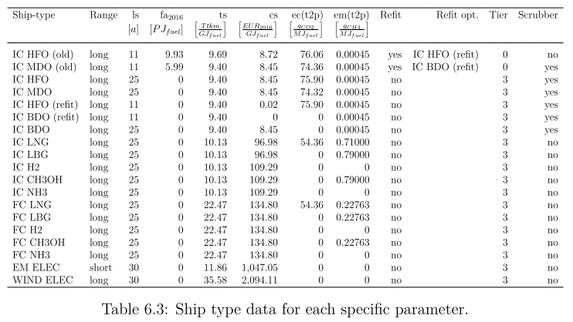
Ship efficiency is by ship and fuel

 | ton*km/MJ
 | T_MFO | B_MFO | G_MFO | C_MFO | O_MFO | T_SCR | B_SCR | G_SCR | C_SCR | O_SCR | T_LNG | B_LNG | G_LNG | C_LNG | O_LNG | T_ELC | B_ELC | G_ELC | C_ELC | O_ELC | T_MET | B_MET | G_MET | C_MET | O_MET | T_LPG | B_LPG | G_LPG | C_LPG | O_LPG | T_HYD | B_HYD | G_HYD | C_HYD | O_HYD
HFO | 0 | 0 | 0 | 0 | 0 | 10 | 10 | 5 | 5 | 5 | 0 | 0 | 0 | 0 | 0 | 0 | 0 | 0 | 0 | 0 | 0 | 0 | 0 | 0 | 0 | 0 | 0 | 0 | 0 | 0 | 0 | 0 | 0 | 0 | 0
MDO | 10 | 10 | 5 | 5 | 5 | 0 | 0 | 0 | 0 | 0 | 0 | 0 | 0 | 0 | 0 | 0 | 0 | 0 | 0 | 0 | 0 | 0 | 0 | 0 | 0 | 0 | 0 | 0 | 0 | 0 | 0 | 0 | 0 | 0 | 0
LNG | 0 | 0 | 0 | 0 | 0 | 0 | 0 | 0 | 0 | 0 | 10 | 10 | 5 | 5 | 5 | 0 | 0 | 0 | 0 | 0 | 0 | 0 | 0 | 0 | 0 | 0 | 0 | 0 | 0 | 0 | 0 | 0 | 0 | 0 | 0
LPG | 0 | 0 | 0 | 0 | 0 | 0 | 0 | 0 | 0 | 0 | 0 | 0 | 0 | 0 | 0 | 0 | 0 | 0 | 0 | 0 | 0 | 0 | 0 | 0 | 0 | 10 | 10 | 5 | 5 | 5 | 0 | 0 | 0 | 0 | 0
MET | 0 | 0 | 0 | 0 | 0 | 0 | 0 | 0 | 0 | 0 | 0 | 0 | 0 | 0 | 0 | 0 | 0 | 0 | 0 | 0 | 10 | 10 | 5 | 5 | 5 | 0 | 0 | 0 | 0 | 0 | 0 | 0 | 0 | 0 | 0
HYB | 0 | 0 | 0 | 0 | 0 | 0 | 0 | 0 | 0 | 0 | 0 | 0 | 0 | 0 | 0 | 0 | 0 | 0 | 0 | 0 | 0 | 0 | 0 | 0 | 0 | 0 | 0 | 0 | 0 | 0 | 10 | 10 | 5 | 5 | 5
HYG | 0 | 0 | 0 | 0 | 0 | 0 | 0 | 0 | 0 | 0 | 0 | 0 | 0 | 0 | 0 | 0 | 0 | 0 | 0 | 0 | 0 | 0 | 0 | 0 | 0 | 0 | 0 | 0 | 0 | 0 | 10 | 10 | 5 | 5 | 5
NHG | 0 | 0 | 0 | 0 | 0 | 0 | 0 | 0 | 0 | 0 | 0 | 0 | 0 | 0 | 0 | 0 | 0 | 0 | 0 | 0 | 0 | 0 | 0 | 0 | 0 | 0 | 0 | 0 | 0 | 0 | 0 | 0 | 0 | 0 | 0
NHB | 0 | 0 | 0 | 0 | 0 | 0 | 0 | 0 | 0 | 0 | 0 | 0 | 0 | 0 | 0 | 0 | 0 | 0 | 0 | 0 | 0 | 0 | 0 | 0 | 0 | 0 | 0 | 0 | 0 | 0 | 0 | 0 | 0 | 0 | 0
ELC | 0 | 0 | 0 | 0 | 0 | 0 | 0 | 0 | 0 | 0 | 0 | 0 | 0 | 0 | 0 | 10 | 10 | 5 | 5 | 5 | 0 | 0 | 0 | 0 | 0 | 0 | 0 | 0 | 0 | 0 | 0 | 0 | 0 | 0 | 0

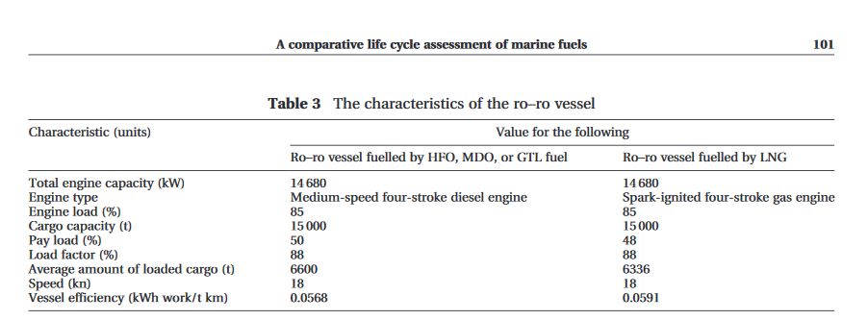
 | Marine Transportation and Energy Use |  |  |  |  |  | Tils thesis
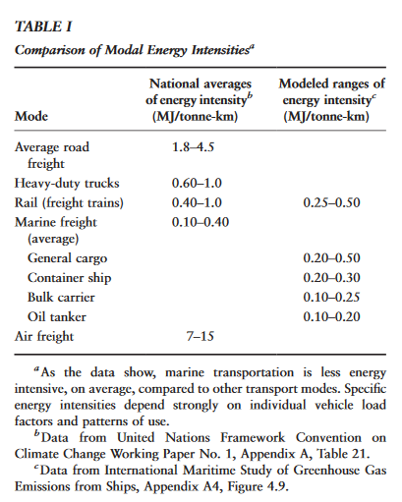
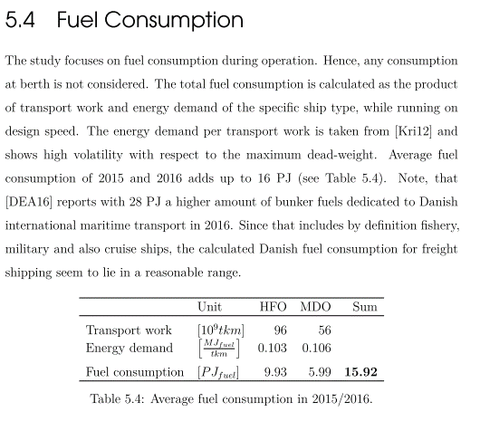

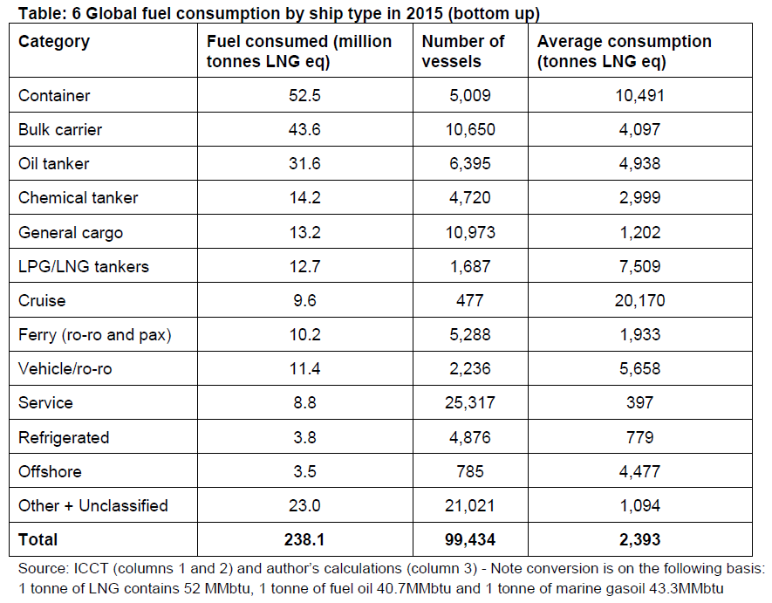

 |  |  |  |  |  |  | Til thesis

