costs
source | Study on the use of ethyl and methyl alcohol as alternative fuels in shipping |  |  |  |  |  |  |  |  |  | Calculating average dwt to then calculate average engine size
 | cost is for the engines and power and electrical equiptment |  |  |  |  |  |  |  |  | source | Propulsion trends in bulk carriers |  | Propulsion trends in container vessels |  | Propulsion trends in tankers
Fixed | 120000 | $ | 102000 | € |  |  |  |  |  |  | bulk carriers |  | containership |  | tankers
MGO | 542 | $/kW | 460.7 | €/kW |  |  |  |  |  |  | size | IMO min power level 1 | size | SMCR power | size | SMCR power
HFO | 926 | $/kW | 787.1 | €/kW |  |  |  |  |  |  | dwt | kW | teu | kW | dwt | kW
LNG | 1275 | $/kW | 1083.75 | €/kW |  |  |  |  |  |  | 5000 | 3756 | 400 | 3000 | 5000 | 2340
Methanol | 815 | $/kW | 692.75 | €/kW |  |  |  |  |  |  | 8000 | 3985 | 600 | 4870 | 8000 | 3300
Ethanol | 815 | $/kW | 692.75 | €/kW |  |  |  |  |  |  | 10000 | 4137 | 800 | 6700 | 10000 | 4100
 |  |  |  |  |  |  |  |  |  |  | 20000 | 3937 | 1000 | 8800 | 15000 | 5700
 | tanker | bulkcarrier | generalcargo | containership | other |  |  |  |  |  | 30000 | 5663 | 1200 | 10500 | 20000 | 7100
*calculated in ship_eff+transportwork | * | * | * | *
unit | dwt | dwt | dwt | TEU | dwt |  |  |  |  |  | 35000 | 6045 | 1600 | 14000 | 25000 | 7700
average size | 144150 | 116062 | 5333 | 3998 |  |  |  |  |  |  | 45000 | 6396 | 2000 | 17700 | 30000 | 7400
 |  |  |  |  |  |  |  |  |  |  | 55000 | 7571 | 2500 | 21700 | 35000 | 8000
 |  |  |  |  |  |  |  |  |  |  | 80000 | 9478 | 2800 | 25000 | 40000 | 8500
 |  |  |  |  |  |  |  |  |  |  | 84000 | 9784 | 3500 | 31300 | 50000 | 9400
 |  |  |  |  |  |  |  |  |  |  | 100000 | 11004 | 4000 | 35500 | 60000 | 10100
 |  |  |  |  |  |  |  |  |  |  | 120000 | 12530 | 4500 | 40100 | 70000 | 10800
 |  |  |  |  | assumption based on looking at 3rd IMO study |  |  |  |  |  | 175000 | 15904 | 5100 | 45000 | 85000 | 12300
power range kW | 15884 | 11827 | 2259 | 33926 | 5000 |  |  |  |  |  | 205000 | 17374 | 5500 | 49800 | 105000 | 13400
 |  |  |  |  |  |  |  |  |  |  | 250000 | 19579 | 6500 | 53900 | 115000 | 14300
 | INV costs |  |  |  |  |  |  | O&M costs |  |  | 320000 | 23009 | 8000 | 60000 | 125000 | 15200
 | million € |  |  |  |  |  | source | Study on the use of ethyl and methyl alcohol as alternative fuels in shipping |  |  | 400000 | 26929 | 10000 | 67700 | 150000 | 16000
Results | tanker | bulkcarrier | generalcargo | containership | other |  | LNG | 6 | $/MWh |  |  |  | 12500 | 74000 | 165000 | 16800
MGO | 7.4 | 5.6 | 1.1 | 15.7 | 2.4 |  | Methanol | 4 | $/MWh |  |  |  | 14000 | 78000 | 260000 | 24100
HFO | 12.6 | 9.4 | 1.9 | 26.8 | 4.0 |  | Ethanol | 4 | $/MWh |  |  |  | 15500 | 84000 | 280000 | 25000
 | tanker
5000 | 2340
8000 | 3300
10000 | 4100
15000 | 5700
20000 | 7100
25000 | 7700
30000 | 7400
35000 | 8000
40000 | 8500
50000 | 9400
60000 | 10100
70000 | 10800
85000 | 12300
105000 | 13400
115000 | 14300
125000 | 15200
150000 | 16000
165000 | 16800
260000 | 24100
280000 | 25000
300000 | 25900
319000 | 27100
360000 | 30600
440000 | 34200
560000 | 42200
LNG | 17.3 | 12.9 | 2.6 | 36.9 | 5.5 |  |  |  |  |  |  |  | 18000 | 91500 | 300000 | 25900
 | dry bulk
5000 | 3756
8000 | 3985
10000 | 4137
20000 | 3937
30000 | 5663
35000 | 6045
45000 | 6396
55000 | 7571
80000 | 9478
84000 | 9784
100000 | 11004
120000 | 12530
175000 | 15904
205000 | 17374
250000 | 19579
320000 | 23009
400000 | 26929
Methanol | 11.1 | 8.3 | 1.7 | 23.6 | 3.6 |  |  |  |  |  |  |  |  |  | 319000 | 27100
Ethanol | 11.1 | 8.3 | 1.7 | 23.6 | 3.6 |  |  |  |  |  |  |  |  |  | 360000 | 30600
ELC | 999 | 999 | 999 | 999 | 999 |  |  |  |  |  |  |  |  |  | 440000 | 34200
LPG | 17.3 | 12.9 | 2.6 | 36.9 | 5.5 | *assume same as LNG |  |  |  |  |  |  |  |  | 560000 | 42200
HYD | 20.1 | 15.0 | 3.0 | 999 | 6.4 | *Cost-Effective Choices of Marine Fuels in a Carbon-Constrained World: Results from a Global Energy Mode
NH3

 | containership
400 | 3000
600 | 4870
800 | 6700
1000 | 8800
1200 | 10500
1600 | 14000
2000 | 17700
2500 | 21700
2800 | 25000
3500 | 31300
4000 | 35500
4500 | 40100
5100 | 45000
5500 | 49800
6500 | 53900
8000 | 60000
10000 | 67700
12500 | 74000
14000 | 78000
15500 | 84000
18000 | 91500

data
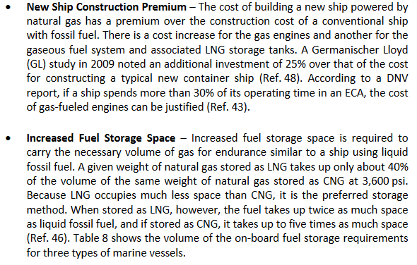
Tills thesis | Shipping Market Review | compensated gross tonnage
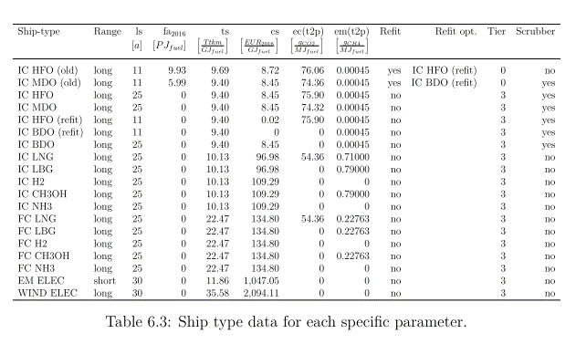
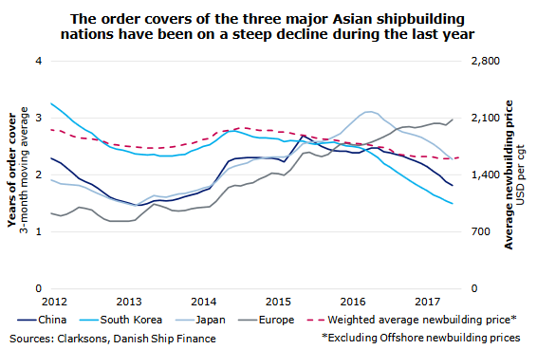

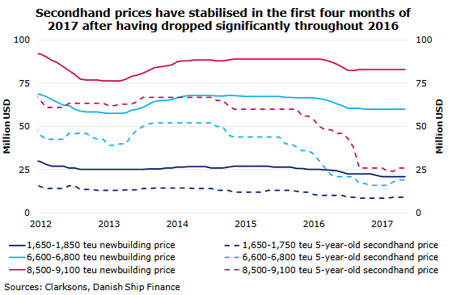
source
Study on the use of ethyl and methyl alcohol as alternative fuels in shipping
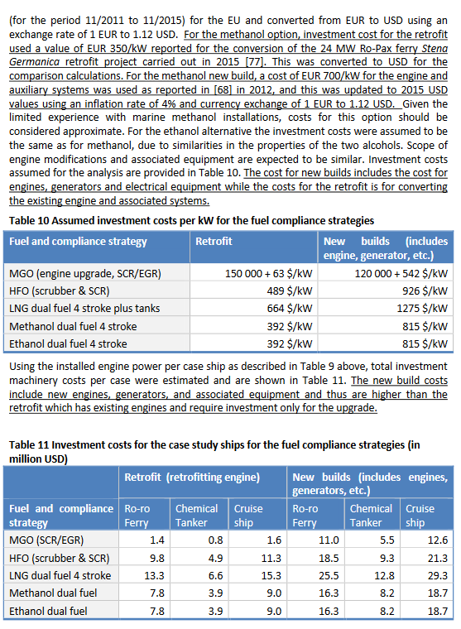

 | LNG engine costs
 | Economic assessment of liquefied natural gas (lng) as a marine fuel for co2 carriers compared to marine gas oil

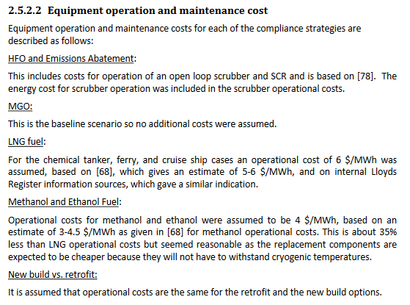

Alternative Fuels for Marine Applications, IEA

scrubbers
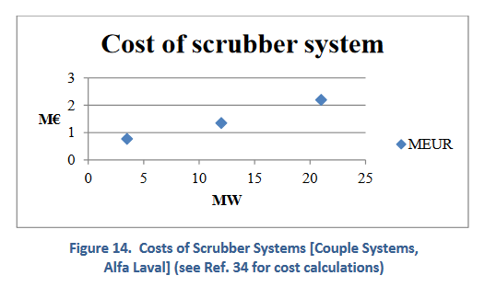
Alternative Fuels for Marine Applications, IEA

