Preexisting fleet stats
 | # of ships
 |  | 2011 | 2012 | 2013 | 2014 | 2015 | 2016 | 2017 | 2018 | 2019
 | Total fleet | 83283 | 84709 | 86484 | 87954 | 90470 | 92074 | 93262 | 94169 | 96295
T | Oil tankers | 10609 | 8838 | 9033 | 9241 | 9695 | 9935 | 10216 | 10420 | 10766
B | Bulk carriers | 8228 | 9001 | 9568 | 10162 | 10509 | 10747 | 10892 | 11125 | 11373
G | General cargo | 21090 | 20309 | 20282 | 19664 | 19566 | 19698 | 19716 | 19613 | 18993
C | Container ships | 4966 | 5096 | 5107 | 5101 | 5111 | 5227 | 5158 | 5164 | 5269
O | Other types of ships | 38390 | 41465 | 42494 | 43786 | 45589 | 46467 | 47280 | 47847 | 49894

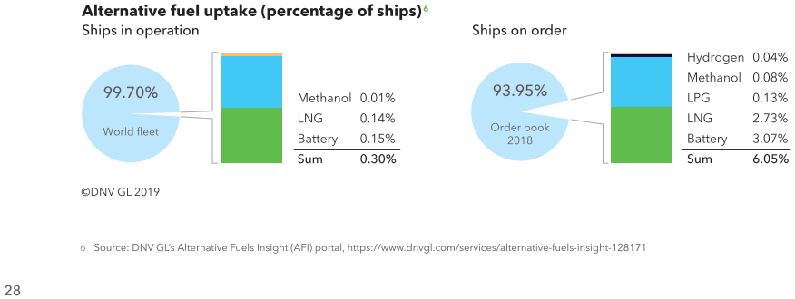
 | Maritime Forecast 2050 DNV GL p42
 |  | Scrubber | LNG | LNG ready | Battery | Methanol | LPG | H2
B | Bulk carriers | 1515 | 14 | 42 | 6
G | Car carriers | 59 | 10 | 0
O | Car/passenger ferries | 12 | 53 | 4 | 194 |  |  | 2
C | Contianer ships | 928 | 47 | 45 | 2
T | Crude oil tankers | 618 | 53 | 8 | 6
O | cruise ships | 219 | 32 | 0 | 18
O | fishing vessels | 1 | 3 | 0 | 18
T | gas tankers | 115 | 7 | 0 |  | 2 | 34
G | general cargo ships | 98 | 15 | 0 | 3
O | offshore supply ships |  | 37 | 0 | 59
T | oil/chemical tankers | 558 | 49 | 29 | 5 | 21
O | other activities | 6 | 20 | 1 | 89
O | other offshore vessels | 1 |  |  | 13
G | RoPax | 93 | 22 | 12 | 3 | 1
G | Ro-ro cargo ships | 194 | 11 | 8 | 16
O | Tugs |  | 18 | 0 | 16 |  |  | 1

